Excavation
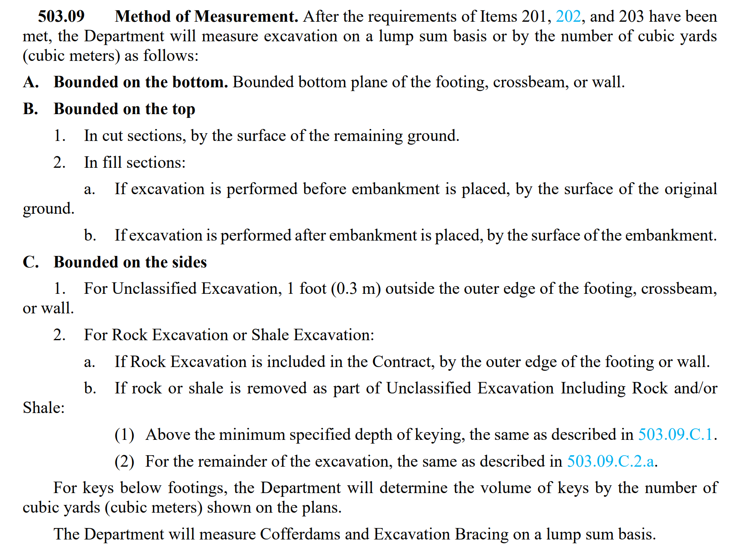

Abutment Excavation
Area of Existing Rear Abutment | 386.5419 | sf (measured in CAD)
Area of Rear Abutment Excavation | 554.5162 | sf (measured in CAD - 1' beyond Existing)
Bottom of Exist. Footing Elev. | 798.44
Top of Exist. Grade Elev. | 813
Height of Excavation | 14.56 | ft
Volume of RA Excavation | 2445.705808 | cf
 | 0 | cy | <---not included in this pay item

Area of Existing Forward Abut. | 452.7148 | sf (measured in CAD)
Area of Forward Abut. Excavation | 655.9274 | sf (measured in CAD - 1' beyond Existing)
Bottom of Exist. Footing Elev. | 794.64
Top of Exist. Grade Elev. | 809
Height of Excavation | 14.36 | ft
Volume of FA Excavation | 2918.132936 | cf
 | 0 | cy | <---not included in this pay item

Area of Proposed Rear Abut. | 676.6588 | sf (measured in CAD)
Area of Rear Abutment Excavation | 876.971 | sf (measured in CAD - 1' beyond Existing)
Bottom of Proposed Footing | 800.22
Top of Exist. Grade Elev. | 813
Height of Excavation | 12.78 | ft
Volume of RA Excavation | 11207.68938 | cf
 | 415.09960667 | cy

Area of Proposed Forward Abut. | 898.1131 | sf (measured in CAD)
Area of Forward Abut. Excavation | 1147.4382 | sf (measured in CAD - 1' beyond Existing)
Bottom of Proposed Footing | 794.03
Top of Exist. Grade Elev. | 809
Height of Excavation | 14.97 | ft
Volume of FA Excavation | 17177.149854 | cf
 | 636.19073533 | cy

Total Abutment Excavation | 1051.290342 | cy
Include 10% and round | 1160 | cy

Pier Excavation
Area of Existing Pier 1 Footing | 420.85 | sf
Area of Existing Pier 1 Excavation | 531.875 | sf
Bottom of Existing Footing Elev. | 776.25
Top of Exist. Grade Elev. | 790
Height of Excavation | 13.75 | ft
Volume of Exist. Pier 1 Excavation | 1526.59375 | cf
 | 0 | cy | <---not included in this pay item

Area of Proposed Pier 1 Excavation | 782 | sf
Remove Exist. Pier 1 Area | 250.125 | sf
Bottom of Proposed Footing Elev | 783.5
Top of Exist Grade Elev. | 790
Height of Excavation | 6.5 | ft
Volume of Proposed Pier 1 Excav. | 1625.8125 | cf
 | 60.215277778 | cy

Area of Existing Pier 2 Footing | 480.375 | sf
Area of Existing Pier 2 Excavation | 596.875 | sf
Bottom of Existing Footing Elev. | 776.25
Top of Existing Grade Elev. | 790
Height of Excavation | 13.75 | ft
Volume of Exist. Pier 2 Excavation | 1601.875 | cf
 | 0 | cy | <---not included in this pay item

Area of Proposed Pier 2 Excavation | 900 | sf
Remove Exist. Pier 2 Area | 303.125 | sf
Bottom of Proposed Footing Elev. | 783.5
Top of Existing Grade Elev. | 790
Height of Excavation | 6.5 | ft
Volume of Pier 2 Excavation | 1970.3125 | cf
 | 72.974537037 | cy

Existing Pier 3 Footing Area | 441 | sf
Existing Pier 3 Excavation Area | 561 | sf
Bottom of Exist. Footing Elev. | 776.25
Top of Exist. Grade Elev. | 787
Height of Excavation | 10.75 | ft
Volume of Pier 3 Excavation | 1290 | cf
 | 0 | cy | <---not included in this pay item

Proposed Pier 3 Excavation Area | 847 | sf
Bottom of Proposed Footing Elev | 783.5
Top of Exist. Grade Elev. | 790
Height of Excavation | 6.5 | ft
Volume of Pier 3 Excavation | 5505.5 | cf
 | 203.90740741 | cy

Total Pier Excavation | 337.09722222 | cy
Include 10% and round | 380 | cy

Field Painting
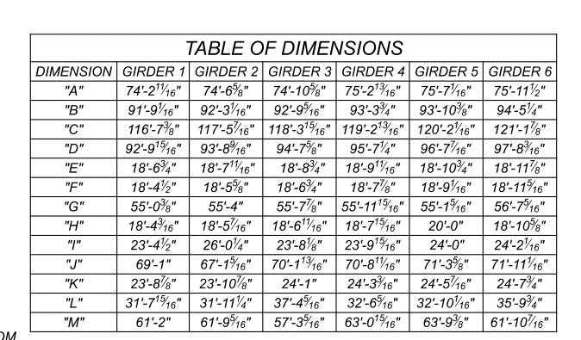
 | FIELD PAINTING STRUCTURAL STEEL,

 | LENGTH OF GIRDER | A | B | C | D | Beyond stiffener | Total Length
 | GIRDER 1 | 74.22 | 91.76 | 116.61 | 92.83 | 0.75 | 376.92
 | GIRDER 2 | 74.55 | 92.26 | 117.45 | 93.71 | 0.75 | 379.47
 | GIRDER 3 | 74.89 | 92.78 | 118.33 | 94.64 | 0.75 | 382.13
 | GIRDER 4 | 75.23 | 93.31 | 119.23 | 95.60 | 0.75 | 384.89
 | GIRDER 5 | 75.59 | 93.86 | 120.17 | 96.62 | 0.75 | 387.74
 | GIRDER 6 | 75.96 | 94.44 | 121.16 | 97.68 | 0.75 | 390.73

 |  |  | TOP FLANGE 1"x16" | 16 | inch
 |  |  | Web 1/2x44" | 44 | inch
 |  |  | Bottom Flange 1 3/4x 16" | 16 | inch

 |  |  | Unit Exposed lenght = | 11.7 | ft
 |  |  | Bearing Stiffener = | 9.2 | ft^2
 |  |  | number of bearing stiffener = | 10.0
 |  |  | Total exposed area of girder = | 27042.9 | ft^2

 |  |  | Area of L5xL5x1/2 = | 1.67 | ft
 |  |  | Area of L6xL6x5/8 = | 2.00 | ft
 |  |  | Area of L4x4x3/8 = | 1.33 | ft
 |  |  | Horizontal bracing = | 6.5 | ft
 |  |  | cross bracing = | 6.75 | ft

 |  |  | Stiffener = | 9 | inch
 |  |  | Depth of stiffner = | 44 | inch
 |  |  | width of connection plate | 15 | inch

 |  |  | TYPE 1 total bay = | 79
 |  |  | Type 2 total bay = | 28
 |  |  | Total endframe bay = | 10
 |  |  | End Frame = | 45.2 | ft^2 for one bay
 |  |  | Total exposed area of one bay= | 55.9 | ft^2, Type 1
 |  |  | Total exposed area of one bay= | 64.8 | ft^2, Type 2
 |  |  | Use 15% contingency on steel in bays
 |  |  | Total area of the cross frames = | 7684.396 | ft^2

Conserervativly TYPE A choosen as it has more exposed surface

 |  |  | 514 0060 | 34727.3 | ft^2
 |  |  | 514 0066 | 34727.3 | ft^2

