Sheet1
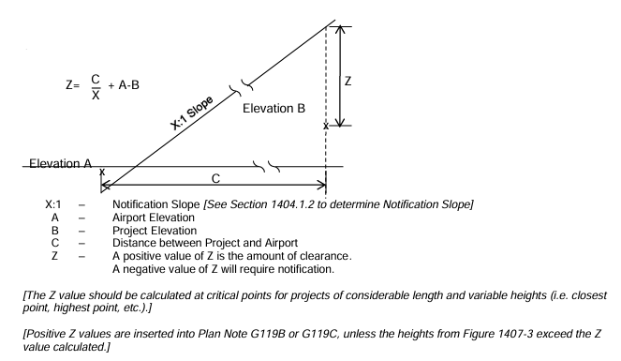
Project: | HAM-Columbia Connector |  | Airway / Highway Clearance Analysis
PID: | 114496

Designer: | ZTM
Reviewer: | EDA
Date: | 2024-06-05

Airport | Latitude | Longitude
Lunken | 39°06'30" N | 84°24'41" W

Work Type: | Height
Bikeway | 25
Small Bridge | 60
Permanent | 7

Point | Latitude | Longitude | A | B | C | X | Z (permantent) | Z (Bikeway ) | Z (Small Bridge)
Closest | 39°08'31" N | 84°21'48" W | 483.3 | 499.61 | 18375 | 100 | 160.44 | 142.44
Highest | 39°08'43" N | 84°22'03" W | 483.3 | 595.61 | 18400 | 100 | 64.69 | 46.69
Stucture | 39°08'26" N | 84°21'31" W | 483.3 | 496.30 | 19061 | 100 | 170.61 | 152.61 | 117.61
Begin Project | 39°08'43" N | 84°22'04" W | 483.3 | 595.40 | 18500 | 100 | 65.9
End Project | 39°08'26" N | 84°21'30" W | 483.3 | 495.75 | 19070 | 100 | 171.25

 |  |  |  |  |  |  | Notification Required: |  | No

