Calcs.
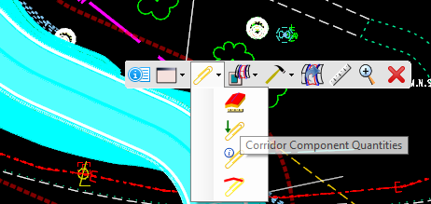
Group |  | Item # | Item | Quantity |  |  | Units | Unit Price | Extension
 |  |  |  | Village of Mariemont | Columbia Township | Great Parks |  |  |  | Total | Village of Mariemont | Columbia Township | Great Parks
0010 | Roadway | 0001 | CLEARING AND GRUBBING | $5,000.00 | $10,000.00 | $15,000.00 | LS | $30,000.00000 | $30,000.00
 |  | 0002 | WALK REMOVED | 973.900 | 3670.900 |  | SF | $6.22622 | $48,253.20 | 4644.800 | 20.97% | 79.03%
 |  | 0003 | EXCAVATION | 924.059 | 1081.161 | 580.736 | CY | $19.07803 | $57,234.09 | 2585.956 | 0.35733759584 | 0.41808948025 | 0.2245729239 | cut
 |  | 0004 | EMBANKMENT, AS PER PLAN | 67.967 | 605.947 | 1399.404 | CY | $15.00000 | $75,000.00 | 2073.319 | 0.032781840668 | 0.29225952056 | 0.67495863877 | fill
 |  | 0005 | SUBGRADE COMPACTION | 10520.760 | 10519.665 | 26286.570 | SY | $2.46738 | $57,234.09 | 47326.995 | 0.22229934523 | 0.22227620832 | 0.55542444645
 |  | 0006 | PROOF ROLLING |  | 1.000 | 1.000 | HOUR | $204.26132 | $408.52
 |  | 0007 | WOODEN BIKE RAILING |  | 463.611 | 117.782 | FT | $80.00000 | $48,000.00 | 581.393 |  | 79.74% | 20.26%
 |  | 0008 | 4'' CONCRETE WALK |  |  |  | SF | $18.23192 | $3,646.38
 |  | 0009 | CONCRETE STEPS, TYPE B |  |  |  | FT | $158.04363 | $2,844.79
 |  | 0010 | CURB RAMP | 1171.000 | 2197.000 | 1022.000 | SF | $23.69000 | $94,760.00 | 4390.000 | 0.26674259681 | 0.50045558087 | 0.23280182232
 |  | 0011 | CURB, TYPE 7 | 128.200 | 205.171 | 74.720 | FT | $25.02748 | $625.69 | 408.091 | 0.31414561948 | 0.5027579633 | 0.18309641722
 |  | 0048 | CURB REMOVED | 117.290 | 203.400 | 71.700 | FT | $19.52489 | $7,809.96 | 392.390 | 0.29891179694 | 0.51836183389 | 0.18272636917
0020 | Erosion Control | 0012 | ROCK CHANNEL PROTECTION, TYPE C WITH FILTER |  |  |  | CY | $355.05825 | $1,065.17 | 0.000 | 0 | 0 | 1 | At storm sewer headwalls and bridge abutments, protect the soil erosion from concentrated outlet flow, depends on the water flow of the outlet to need it or not
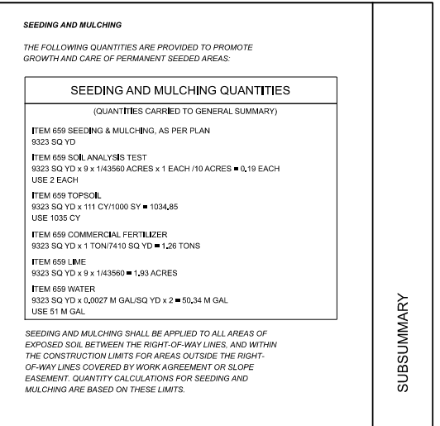
 |  | 0013 | SOIL ANALYSIS TEST | 2.000 | 2.457 | 2.000 | EACH | $61.79197 | $123.58 | 6.457 | 0.30974136596 | 0.38051726808 | 0.30974136596 | 0.422 | 2.457 | 1.031 | Equations in L&D
 |  | 0014 | TOPSOIL | 2269.000 | 13199.000 | 5540.000 | CY | $25.59398 | $35,831.57 | 21008.000 | 0.10800647372 | 0.62828446306 | 0.26370906321 | 2268.342609 | 13198.177944 | 5539.711077
 |  | 0015 | SEEDING AND MULCHING, AS PER PLAN | 20435.519 | 118902.504 | 49907.307 | SY | $2.00000 | $26,000.00 | 189245.330 | 0.107984271 | 0.62829822009 | 0.26371750891 | Construction Limit Area - Paved Area
 |  | 0016 | REPAIR SEEDING AND MULCHING, AS PER PLAN |  |  |  | SY | $3.00000 | $1,950.00 | 0.000 | 0.107984271 | 0.62829822009 | 0.26371750891
 |  | 0017 | COMMERCIAL FERTILIZER |  |  |  | TON | $620.55002 | $1,085.96 | 0.000 | 0.107984271 | 0.62829822009 | 0.26371750891
 |  | 0018 | LIME |  |  |  | ACRE | $100.00000 | $275.00 | 0.000 | 0.107984271 | 0.62829822009 | 0.26371750891
 |  | 0019 | WATER |  |  |  | MGAL | $5.00000 | $375.00 | 0.000 | 0.107984271 | 0.62829822009 | 0.26371750891
 |  | 0020 | SLOPE EROSION PROTECTION | 1.000 | 1.000 | 1.000 | SY | $2.22822 | $4,456.44 | 3.000 | 1 | 1 | 1
 |  | 0021 | STORM WATER POLLUTION PREVENTION PLAN |  |  |  | LS | $3,000.00000 | $3,000.00 | 0.000
 |  | 0022 | STORM WATER POLLUTION PREVENTION INSPECTIONS |  |  |  | LS | $7,000.00000 | $7,000.00 | 0.000
 |  | 0023 | STORM WATER POLLUTION PREVENTION INSPECTION SOFTWARE |  |  |  | LS | $7,500.00000 | $7,500.00 | 0.000
 |  | 0024 | EROSION CONTROL |  |  |  | EACH | $80,000.00000 | $80,000.00 | 0.000
0040 | Drainage | 0025 | CONCRETE MASONRY | 0.210 | 0.000 | 0.790 | CY | $2,572.85005 | $2,572.85 | 1.000 | Concrete protection at all headwalls |  |  |  | Structral SCDs - HW-1.1 TO HW-2.2 (Concrete amount needed for different types of pipes, pick the bigger value)
 |  | 0026 | 12'' CONDUIT, TYPE D |  |  |  | FT | $110.00000 | $11,000.00 | 0.000 |  |  |  |  | HW-2.2.pdf (state.oh.us)
 |  | 0027 | 36'' CONDUIT, TYPE B | 0.000 | 0.000 | 40.886 | FT | $269.31587 | $13,465.79 | 40.886 | 0 | 0 | 1
 |  |  | 12'' CONDUIT, TYPE B | 29.976 | 0.000 | 34.535 | FT |  |  | 64.511 | 0.46466530101 | 0 | 0.53533469899
 |  |  | 18'' CONDUIT, TYPE C | 0.000 | 0.000 | 59.136 | FT |  |  | 59.136 | 0 | 0 | 1
 |  | 0028 | CATCH BASIN, NO. 2-3 |  |  |  | EACH | $2,867.42955 | $2,867.43 | 0.000
 |  | 0029 | MANHOLE, NO. 3 |  |  |  | EACH | $4,902.56366 | $4,902.56 | 0.000
0050 | Pavement | 0030 | ASPHALT CONCRETE BASE, PG64-22, (449) |  |  |  | CY | $500.00000 | $12,500.00 | 11.000 | 3 | 5 | 3
 |  | 0031 | AGGREGATE BASE |  |  |  | CY | $69.83232 | $87,290.40 | 0.000 | 0.22229934523 | 0.22227620832 | 0.55542444645
 |  | 0032 | NON-TRACKING TACK COAT |  |  |  | GAL | $4.06884 | $976.52 | 0.000 | 0.22229934523 | 0.22227620832 | 0.55542444645
 |  | 0033 | ASPHALT CONCRETE SURFACE COURSE, TYPE 1, (449) | 9608.000 | 9607.000 | 24006.000 | CY | $300.00000 | $67,500.00 | 43221.000 | 0.22229934523 | 0.22227620832 | 0.55542444645
 |  | 0034 | ASPHALT CONCRETE INTERMEDIATE COURSE, TYPE 1, (449) |  |  |  | CY | $300.00000 | $112,500.00
0080 | Traffic Control | 0035 | PAVEMNT MARKING |  |  |  | LS | $10,000.00000 | $10,000.00
 |  | 0036 | SIGNING |  |  |  | LS | $20,000.00000 | $20,000.00
0085 | Traffic Signal | 0037 | MODIFICATIONS TO MARIEMONT WAY/US 50 SIGNAL |  |  |  | LS | $20,000.00000 | $20,000.00
 |  | 0038 | MODIFICATIONS TO MIAMI RUN/US 50 SIGNAL |  |  |  | LS | $50,000.00000 | $50,000.00
0090 | Landscaping | 0039 | DECIDUOUS TREE, 1'' CALIPER |  |  |  | EACH | $350.00000 | $122,500.00
0100 | Retaining Wall | 0040 | MAJOR COST DRIVERS, RETAINING WALLS |  |  |  | LS | $400,000.00000 | $400,000.00
0110 | Structures Over 20 Ft Span | 0046 | WALTON CREEK BRIDGE |  |  |  | LS | $150,000.00000 | $150,000.00
0115 | Utility Relocation | 0047 | Misc. Utility Relocations. |  |  |  | LS | $100,000.00000 | $100,000.00 |  | 1 | 1 | 1
0300 | Incidentals | 0041 | MAINTAINING TRAFFIC (Approx. 1.5% of total project cost) |  |  |  | LS | $50,000.00000 | $50,000.00
 |  | 0042 | FIELD OFFICE, TYPE A |  |  |  | MNTH | $2,000.00000 | $36,000.00
 |  | 0043 | CONSTRUCTION LAYOUT STATEKS AND SURVEYING |  |  |  | LS | $10,000.00000 | $10,000.00
 |  | 0044 | MOBILIZATION |  |  |  | LS | $100,000.00000 | $100,000.00
 |  | 0045 | MAJOR COST DRIVERS, CONTINGENCY COSTS |  |  |  | LS | $570,000.00000 | $570,000.00
 |  | 0049 | -

