Mainline CUT FILL S&M Calcs
 | CALCULATIONS
 | STA | EXCAVATION PROP ROADWAY | EMBANKMENT PROP ROADWAY | S&M PROP ROAD | EXCAVATION PROP ROADWAY | EMBANKMENT PROP ROADWAY | S&M PROP ROAD
 |  | SF | SF | FT | CY | CY | SY
A | 1040.00 | 0 | 0 | 0
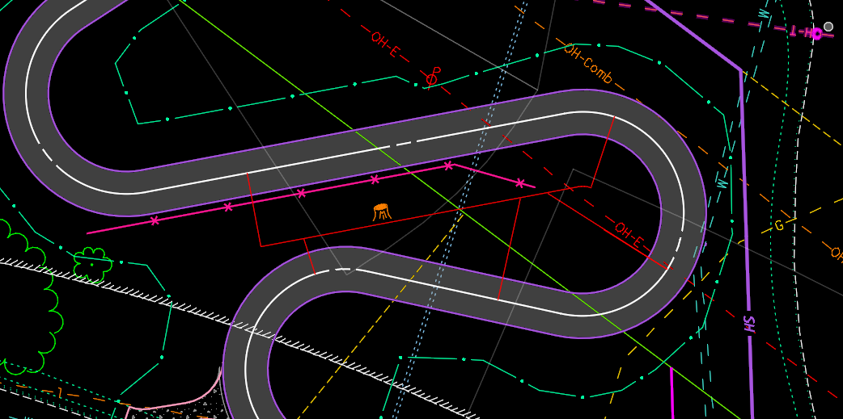
 | 1050.00 | 10 | 1 | 6 | 2 | 1 | 4
 | 1100.00 | 6 | 4 | 11 | 15 | 5 | 47
 | 1150.00 | 1 | 12 | 14 | 7 | 15 | 71
 | 1200.00 | 11 | 3 | 9 | 11 | 14 | 65
 | 1250.00 | 8 | 1 | 6 | 18 | 4 | 40
 | 1300.00 | 16 | 0 | 4 | 23 | 2 | 28
 | 1350.00 | 16 | 0 | 2 | 30 | 0 | 18
 | 1400.00 | 9 | 3 | 8 | 24 | 3 | 29 | RT |  | LT
 | 1450.00 | 93 | 0 | 25 | 95 | 3 | 92 | 20' RT | scratch 1 in GP001
 | 1500.00 | 75 | 0 | 22 | 155 | 0 | 131 | 20' RT
 | 1550.00 | 112 | 0 | 27 | 173 | 0 | 137 | 20' RT
 | 1600.00 | 74 | 1 | 36 | 0 | 1 | 174 | 38.283' RT
 | 1650.00 | 77 | 2 | 28 | 140 | 3 | 177 | 28.129' RT |  | 27' LT (radius of the curve)
 | 1700.00 | 185 | 0 | 34 | 243 | 2 | 173 | 10.043' RT |  | 27' LT
 | 1750.00 | 23 | 0 | 21 | 193 | 0 | 154 |  |  | 27' LT
 | 1800.00 | 19 | 0 | 6 | 39 | 0 | 75 |  |  | 33.254' LT
 | 1850.00 | 17 | 0 | 5 | 34 | 0 | 32
 | 2000.00 | 24 | 0 | 5 | 114 | 0 | 89
SUBTOTAL |  | 776 | 26 | 269 | 1316 | 53 | 1536
B | 4100.00 | 18 | 0 | 14
 | 4150.00 | 18 | 0 | 11 | 34 | 1 | 70
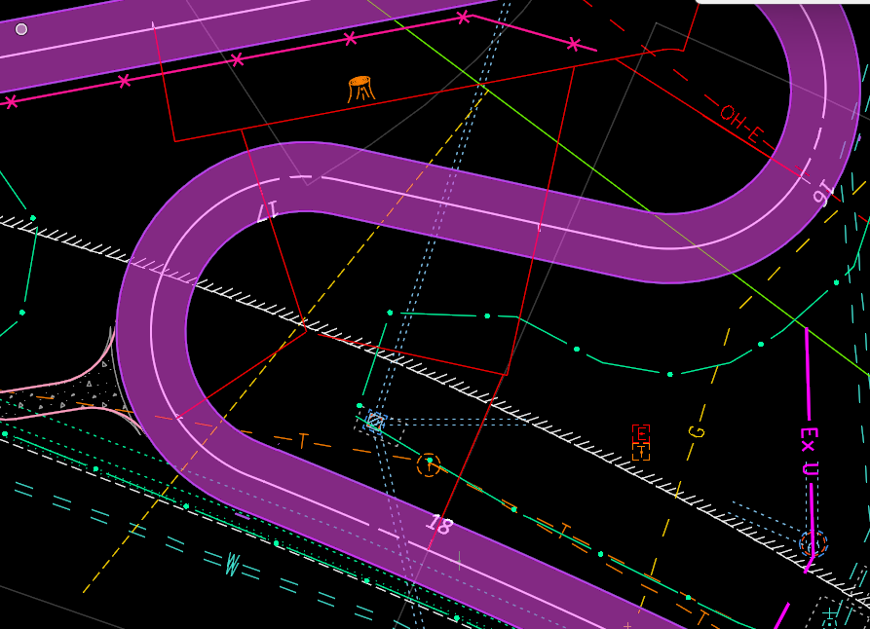
 | 4200.00 | 21 | 1 | 12 | 37 | 1 | 66
 | 4250.00 | 21 | 0 | 11 | 40 | 1 | 66
 | 4300.00 | 23 | 0 | 11 | 41 | 1 | 62
 | 4350.00 | 24 | 1 | 14 | 44 | 1 | 69
 | 4450.00 | 25 | 0 | 20 | 92 | 2 | 188
 | 4500.00 | 12 | 0 | 5 | 35 | 1 | 70
 | 4550.00 | 9 | 12 | 7 | 19 | 12 | 34
 | 4600.00 | 5 | 35 | 7 | 13 | 44 | 39
 | 4650.00 | 3 | 60 | 7 | 8 | 89 | 41
 | 4700.00 | 2 | 55 | 7 | 6 | 107 | 41
 | 4750.00 | 6 | 36 | 23 | 8 | 85 | 84
 | 4800.00 | 7 | 27 | 18 | 13 | 59 | 115
 | 4850.00 | 6 | 30 | 20 | 13 | 53 | 107
 | 4900.00 | 6 | 27 | 16 | 12 | 53 | 101
 | 4950.00 | 6 | 11 | 12 | 12 | 36 | 78
 | 5000.00 | 2 | 4 | 10 | 8 | 14 | 60
 | 5020.00 | 8 | 1 | 5 | 4 | 2 | 17
SUBTOTAL |  | 223 | 299 | 231 | 439 | 562 | 1308
C | 7092.50 | 8 | 1 | 5
 | 7100.00 | 14 | 1 | 27 | 4 | 1 | 14
 | 7150.00 | 0 | 0 | 0 | 13 | 1 | 75
 | 7200.00 | 44 | 0 | 12 | 42 | 0 | 35
 | 7250.00 | 0 | 0 | 0 | 42 | 0 | 35
 | 7300.00 | 0 | 263 | 36 | 0 | 244 | 101
 | 7350.00 | 8 | 2 | 13 | 8 | 246 | 138
 | 7400.00 | 9 | 1 | 9 | 16 | 4 | 62
 | 7450.00 | 17 | 1 | 16 | 24 | 3 | 70
 | 7500.00 | 16 | 0 | 9 | 30 | 2 | 70
 | 7550.00 | 22 | 0 | 23 | 35 | 1 | 88
 | 7600.00 | 10 | 8 | 21 | 2 | 8 | 122
 | 7650.00 | 2 | 7 | 13 | 11 | 15 | 94
 | 7700.00 | 3 | 5 | 11 | 5 | 11 | 69
 | 7750.00 | 10 | 1 | 7 | 13 | 6 | 51
 | 7800.00 | 31 | 0 | 17 | 38 | 2 | 66
 | 7850.00 | 20 | 0 | 8 | 47 | 0 | 70
 | 7900.00 | 19 | 12 | 17 | 36 | 11 | 70
 | 7950.00 | 21 | 9 | 18 | 37 | 20 | 98
 | 8000.00 | 28 | 0 | 10 | 46 | 9 | 80
 | 8050.00 | 7 | 5 | 12 | 33 | 5 | 63
 | 8100.00 | 12 | 1 | 9 | 19 | 6 | 58
 | 8150.00 | 11 | 2 | 6 | 22 | 4 | 42
 | 8200.00 | 11 | 0 | 5 | 21 | 3 | 32
 | 8250.00 | 14 | 0 | 9 | 23 | 1 | 39
 | 8300.00 | 11 | 3 | 15 | 23 | 3 | 67
 | 8350.00 | 11 | 0 | 5 | 20 | 4 | 56
 | 8400.00 | 21 | 0 | 25 | 30 | 1 | 81
 | 8450.00 | 10 | 1 | 8 | 29 | 1 | 92
 | 8500.00 | 13 | 0 | 4 | 22 | 1 | 34
 | 8550.00 | 7 | 2 | 12 | 19 | 3 | 44
 | 8600.00 | 8 | 2 | 10 | 14 | 4 | 62
 | 8650.00 | 6 | 2 | 9 | 14 | 4 | 53
 | 8700.00 | 0 | 19 | 16 | 6 | 19 | 70
 | 8750.00 | 0 | 16 | 15 | 0 | 32 | 89
 | 8800.00 | 0 | 102 | 33 | 0 | 110 | 136
 | 8900.00 | 3 | 2 | 3 | 6 | 193 | 204
SUBTOTAL |  | 425 | 468 | 470 | 750 | 978 | 2630
 | TOTALS CARRIED TO GENERAL SUMMARY |  |  |  | 2505 | 1593 | 5474

