971B
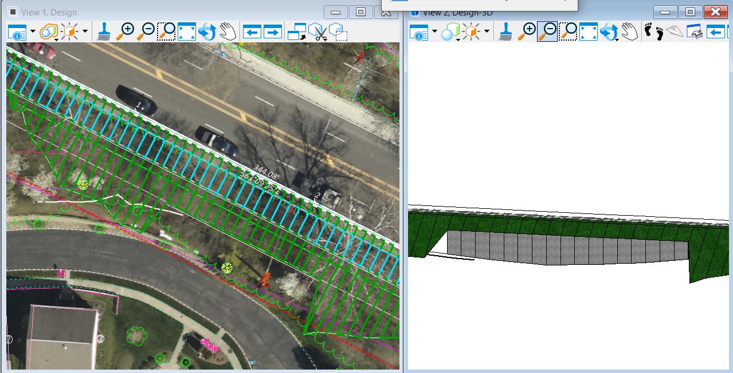
Scenario 1
meets all design Criteria
 | gutter width | 1 | ft
 | buffer width | 5 | ft
 | path width | 12 | ft
 | graded shoulder width | 5 | ft
 | Max wall height | 11 | ft
 | wall length | 125 | ft
 | Above ground surface area | 864 | sq ft |  | Wall concrete - |  | $1,300 | / cy
 | Wall Type | CIP Concrete Cantilever |  |  | Footing concrete - |  | $600 | / cy
 | Wall Cost | $225,000 |  |  | Rebar - |  | $2.00 | / lb
 |  |  |  |  |  | Geocomposite drain | 30 | / sy

 |  |  |  |  |  | Length | Width | Height | Total |  | Cost
 |  |  |  |  | Wall | 125 | 1 | 9.91 | 46 | cy | $59,656
 |  |  |  |  | Footing | 125 | 7.93 | 2 | 73 | cy | $44,053
 |  |  |  |  | Rebar | Use 2% of concrete |  |  | 31569.72 | lb | $63,139
 |  |  |  |  | Geocomposite drain | 125 | 1.00 | 9.91 | 138 | sy | $4,130

 |  |  |  |  |  |  |  |  |  |  | $170,978
 |  |  |  |  |  |  |  |  |  | Increase by 30% for contingencies | $51,293
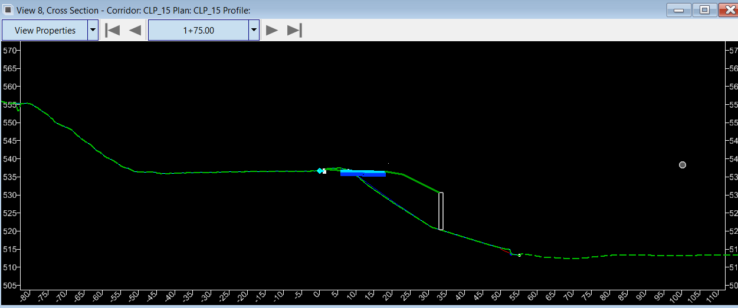
 |  |  |  |  |  |  |  |  |  |  | $222,272

Scenario 2
minimum acceptable criteria
 | gutter width | 1
 | buffer width | 2
 | path width | 10
 | graded shoulder width | 5 |  | 2' to face of barrier and 1' behind
 | Max wall height | 8
 | wall length | 100

