Info
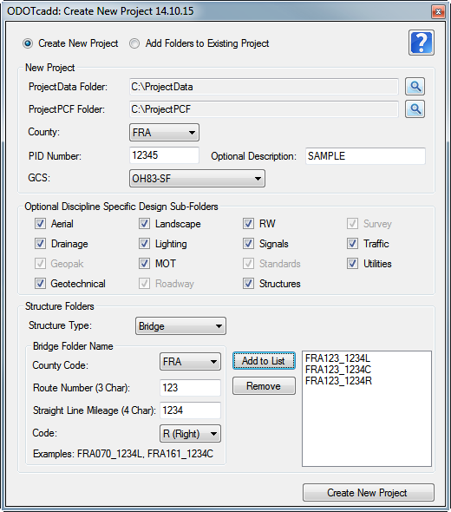
The Sample project listed under the PROJECT FOLDER STRUCTURE SAMPLE tab is with every option selected on the VBA we showed at the last online meeting. Please review for comment at the next meeting on December 2nd.

