Summary
Estimated Annual Signal Retiming Benefits
Corridor: LOR-254/301
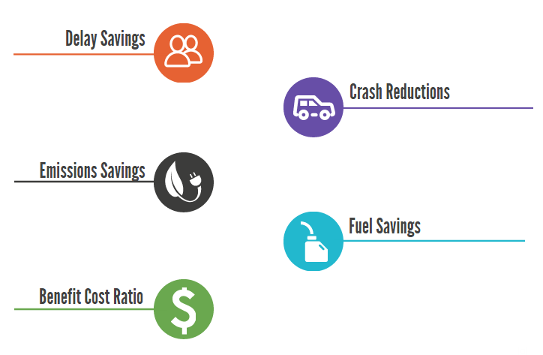

19,060 Hours
$448,482

6 Crashes
$112,090

0 kg
$10

35 Gallons
$134

21:1

