LEFT BRIDGE REAR
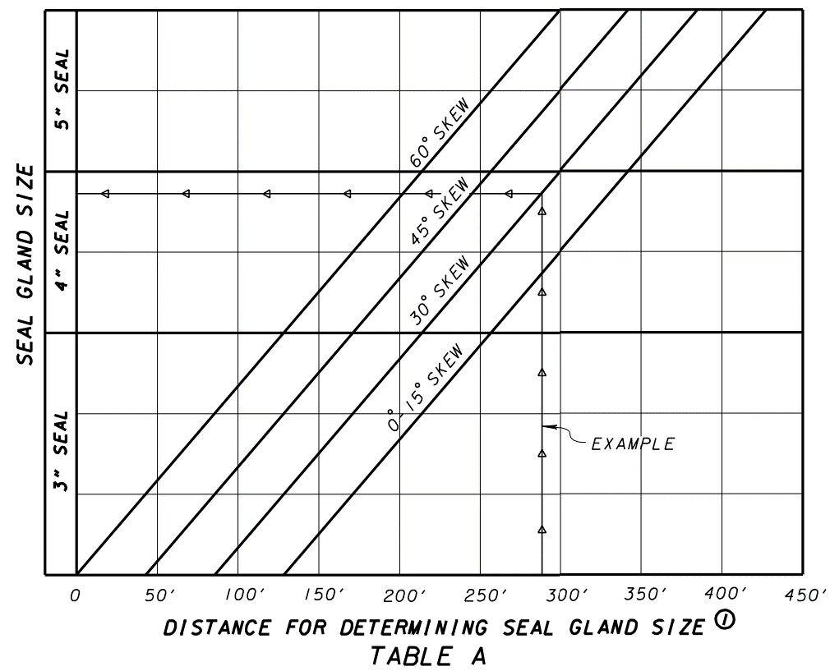
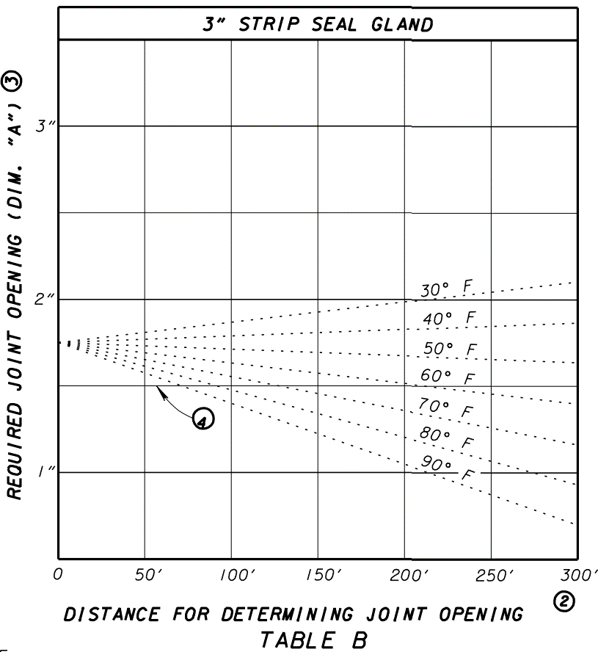
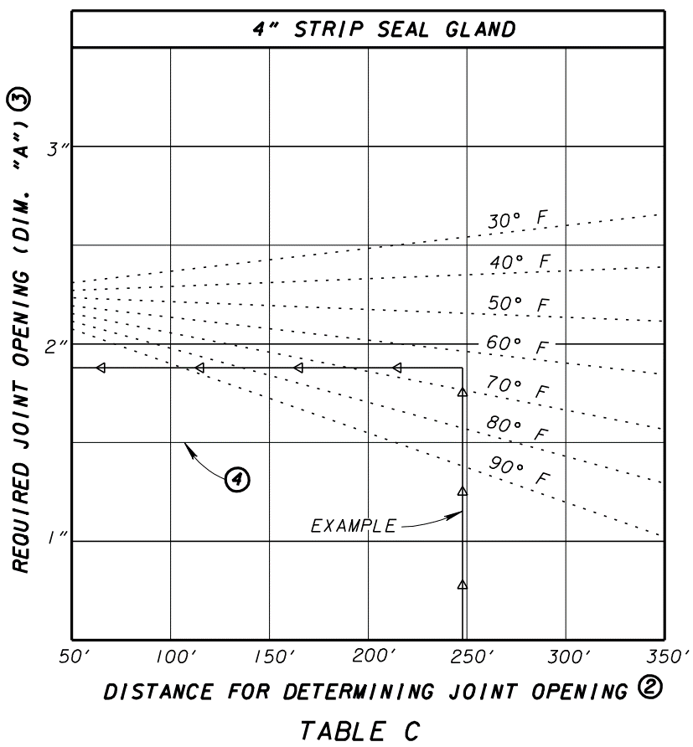
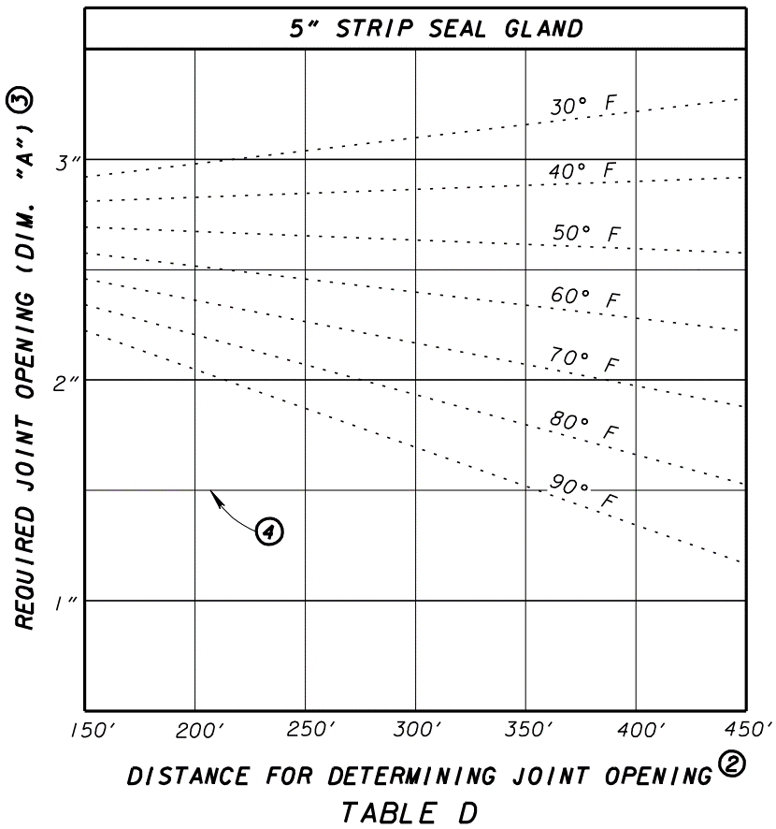

3"

42'-0"
42'-0"

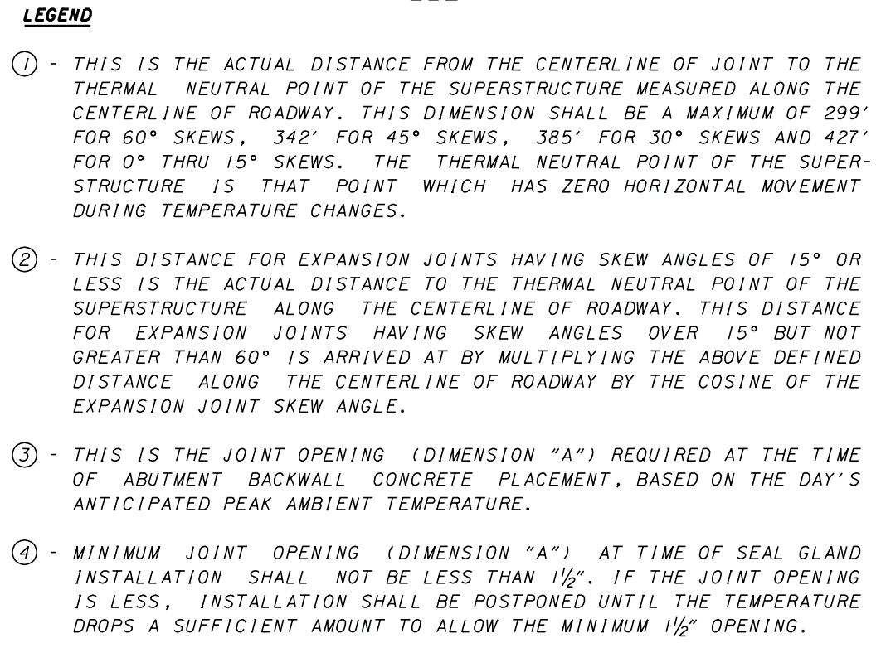
 |  |  | TEMPERATURE | REAR ABUT. DIMENSION "A" | FWD. ABUT. DIMENSION "A"

 |  |  | F | INCHES | INCHES
 |  |  | 30 | 1.8125 | 1.875
 |  |  | 40 | 1.8125 | 1.8125
 |  |  | 50 | 1.75 | 1.75
= | 42.0 | FT | 60 | 1.75 | 1.625
 |  |  | 70 | 1.6875 | 1.5625
 |  |  | 80 | 1.625 | 1.5
 |  |  | 90 | 1.625 | 1.4375

= | 42.0 | FT

LEFT BRIDGE FWD
3"
94'-6"

94'-6"

 |  |  | TEMPERATURE | DIMENSION "A"
 |  |  | F | INCHES
 |  |  | 30 | 1.875
 |  |  | 40 | 1.8125
 |  |  | 50 | 1.75
= | 94.5 | FT | 60 | 1.625
 |  |  | 70 | 1.5625
 |  |  | 80 | 1.5
 |  |  | 90 | 1.4375

= | 94.5 | FT

RIGHT BRIDGE REAR
47'-3"
3"

47'-3"

 |  |  | TEMPERATURE | REAR ABUT. DIMENSION "A" | FWD. ABUT. DIMENSION "A"

 |  |  | F | INCHES | INCHES
 |  |  | 30 | 1.8125 | 1.875
 |  |  | 40 | 1.8125 | 1.8125
 |  |  | 50 | 1.75 | 1.75
= | 47.25 | FT | 60 | 1.6875 | 1.625
 |  |  | 70 | 1.6875 | 1.5625
 |  |  | 80 | 1.625 | 1.5
 |  |  | 90 | 1.5625 | 1.375

= | 47.25 | FT

RIGHT BRIDGE FWD
3"
106'-3"

106'-3"

 |  |  | TEMPERATURE | DIMENSION "A"
 |  |  | F | INCHES
 |  |  | 30 | 1.875
 |  |  | 40 | 1.8125
 |  |  | 50 | 1.75
= | 106.25 | FT | 60 | 1.625
 |  |  | 70 | 1.5625
 |  |  | 80 | 1.5
 |  |  | 90 | 1.375

= | 106.25 | FT

