SS844 Spacing
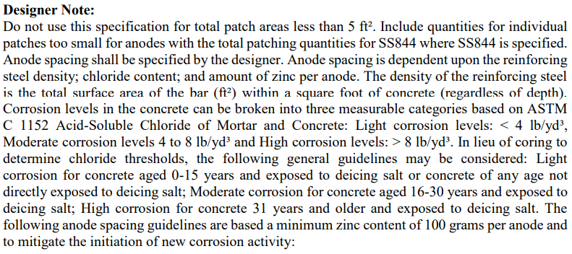
 |  |  |  |  |  |  | Bridge No. | Concrete Age | Salt? | Corrosion Level | Steel Density Ratio | Anode Spacing
 |  |  |  |  |  |  | LAW-52-0682 | 60 | Yes | High | 0.65 | 16
 |  |  |  |  |  |  | LAW-52-0694 | 60 | Yes | High | 1.39 | 12
 |  |  |  |  |  |  | LAW-52-0804 | 58 | Yes | High | 1.32 | 12
 |  |  |  |  |  |  | LAW-52-1048 | 53 | Yes | High | 0.98 | 14

Anode Spacing (Inches)

 |  |  | BASF Building Systems | Euclid Chemical Company | Vector Corrosion Technologies | Mapei | Sika

Steel Density Ratio | Light Corrosion Levels | Moderate Corrosion Levels | High Corrosion Levels | High Corrosion Levels | High Corrosion Levels | High Corrosion Levels | High Corrosion Levels

<0.3 | 30 | 30 | 24 | No spacing listed | 30 |  | 24
0.31-0.6 | 28 | 24 | 20 |  | 24 | 24 | 22
0.61-0.9 | 26 | 20 | 16 |  | 20 | 20 | 20
0.91-1.2 | 22 | 18 | 14 |  | 18 | 16 | 19
1.21-1.5 | 20 | 16 | 13 |  | 16 | 12 | 16
1.51-1.8 | 18 | 14 |  |  | 14 | 8 | 16
1.81-2.1 | 17 | 12 |  |  | 12 |  | 14

