LEFT & RIGHT BRIDGE REAR
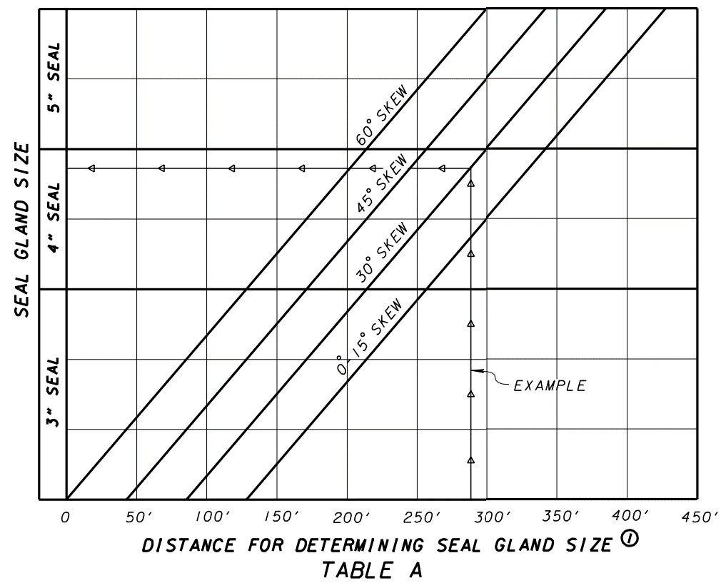
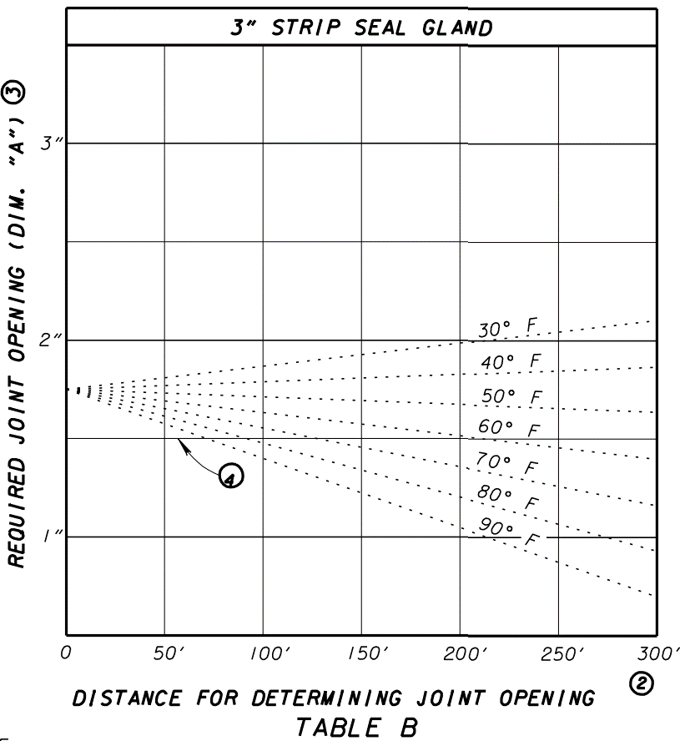
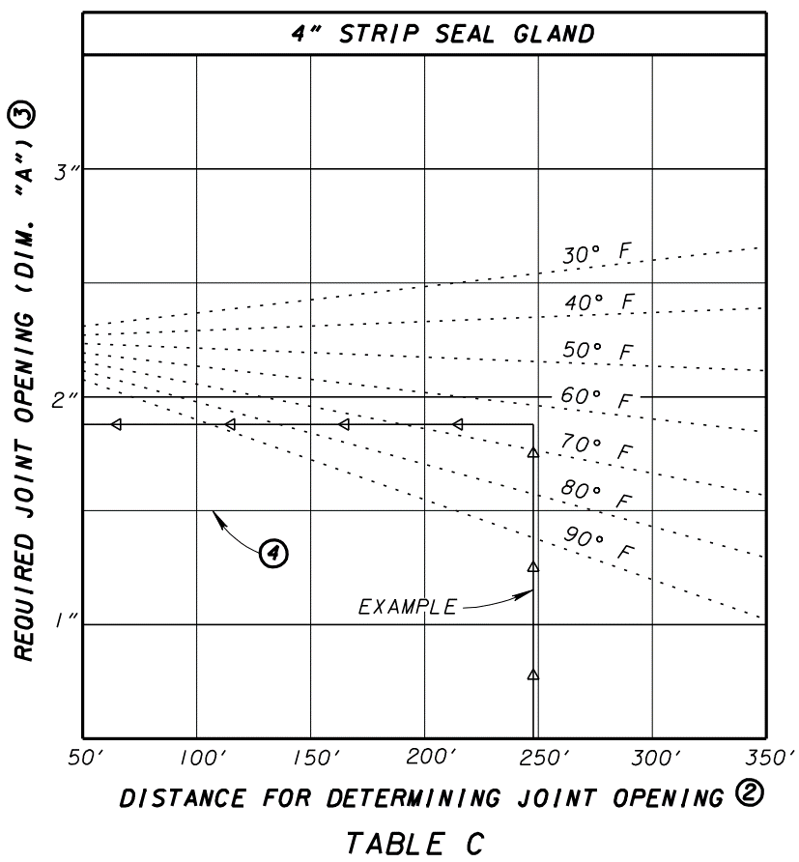
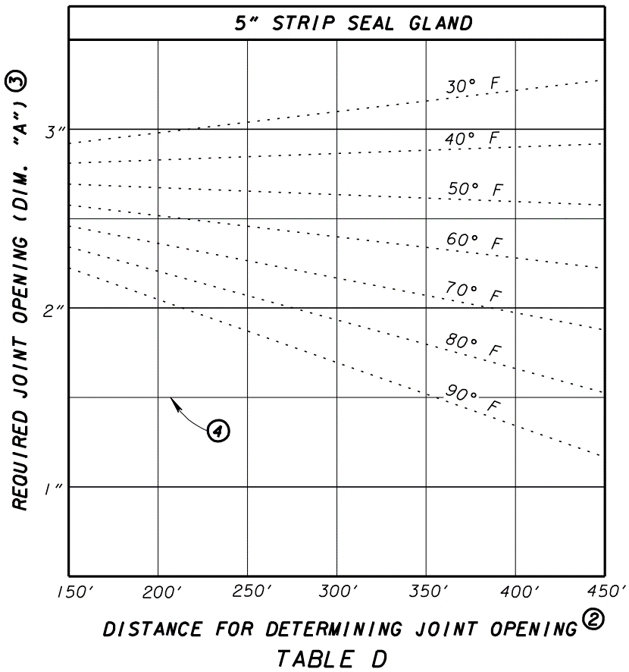

3"

48'-4"
48'-4"

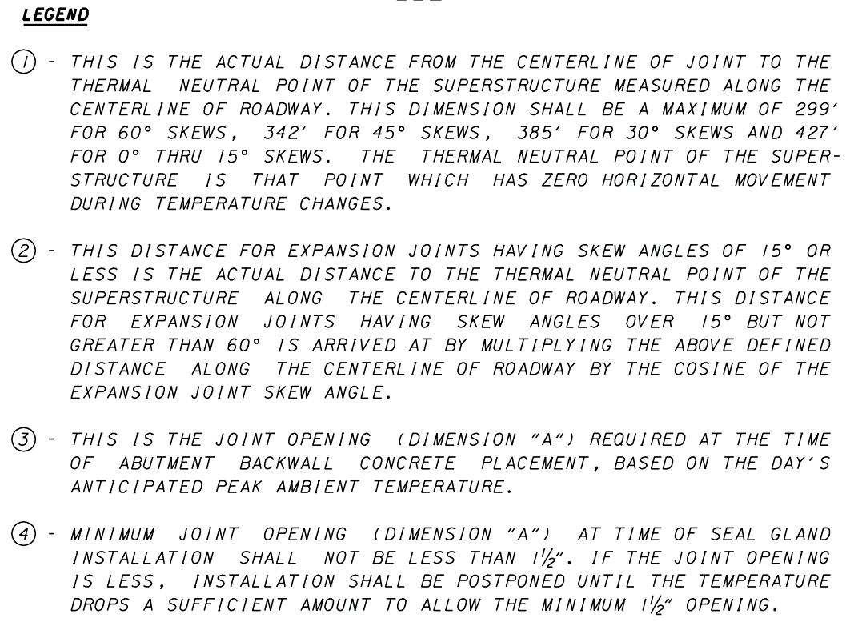
 |  |  | TEMPERATURE | REAR ABUT. DIMENSION "A" | FWD. ABUT. DIMENSION "A"

 |  |  | F | INCHES | INCHES
 |  |  | 30 | 1.8125 | 1.875
 |  |  | 40 | 1.8125 | 1.8125
 |  |  | 50 | 1.75 | 1.6875
= | 48.3 | FT | 60 | 1.6875 | 1.625
 |  |  | 70 | 1.6875 | 1.5
 |  |  | 80 | 1.625 | 1.375
 |  |  | 90 | 1.5625 | 1.3125

= | 48.3 | FT

LEFT & RIGHT BRIDGE FWD
3"
128'-10"

128'-10"

 |  |  | TEMPERATURE | DIMENSION "A"
 |  |  | F | INCHES
 |  |  | 30 | 1.875
 |  |  | 40 | 1.8125
 |  |  | 50 | 1.6875
= | 128.8 | FT | 60 | 1.625
 |  |  | 70 | 1.5
 |  |  | 80 | 1.375
 |  |  | 90 | 1.3125

= | 128.8 | FT

