RE-613-1
RE-613-1 |  | STATE OF OHIO |  |  |  |  | County: | FAI
 |  | DEPARTMENT OF TRANSPORTATION |  |  |  |  | Route: | 33
 |  | INVENTORY OF PERSONAL PROPERTY |  |  |  |  | Section: | 2.620
 |  |  |  |  |  |  | Parcel No: | 006-OB
 |  | BUSINESS, FARM OR NON-PROFIT ORGANIZATION |  |  |  |  | PID No: | 77555

Name of Displaced Person: |  |  | Steven Hesch, Aspen Real Estate Holdings, LLC
Type of Relocation: |  | Landlord
Move Cost Basis: |  |  |  | Move #2: |  | Move #3:
 | (Layout of floor plan detailing location of machinery, equipment, etc. may be useful as well as photographs of personal property to be moved. Buildings and/or rooms should be identified individually with the personal property contained therein so noted.)

 | 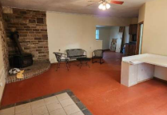 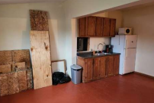

Entryway of Building, wood burner stove, lawn furniture with settee, table and two charis, formica/resin desk
Shared Kitchen area with refrigerator, trash can, and coffee maker, misc plywood

 | Address of Subject: |  |  |  | Replacement Address:

 |  | (I hereby certify the items herein noted (and attached hereto) to be the only items of personal property which the State is liable for relocating)

 | Signature of Relocated Person: |  |  |  |  |  | Date:

 | Signature of Agent: |  |  |  |  |  | Date:

