DL
 |  |  |  |  |  |  |  | Subject | Line Girder Analysis |  |  | Project | FRA-3-19.36
 |  |  |  |  |  |  |  | Exterior Girder Loads (MDX) |  |  |  | Sheet # | 1 | of
 |  |  |  |  |  |  |  | Author | Asad | Date | 2022-09-21 | Checker | FBW | Date

DESIGN STANDARDS

 | AASHTO LRFD Bridge Design Specifications

PURPOSE

 | CALCULATE DEAD LOAD INPUTS FOR MDX

DATA

 | SLABT (MDX) = |  |  |  | 7.25 | INCHES
 | SLABWEAR (MDX) = |  |  |  | 0 | INCHES

 | SIDEWALK + PARAPET

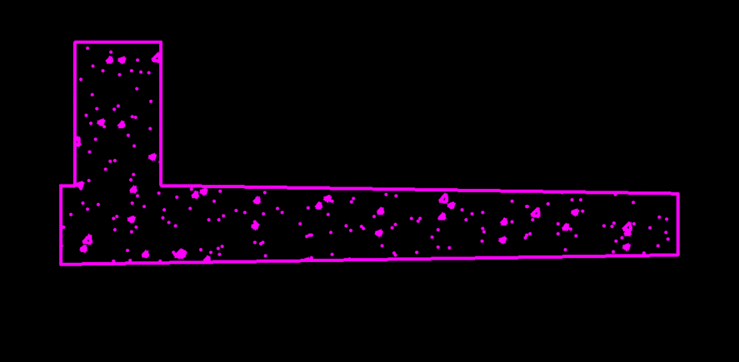

 | Area of sidewalk and parapet = |  |  | 7.56 | FT2 | (CAD Flood)

 | Concrete Density = |  |  | 0.1500 | K/FT3

 | Load per ft per girder= |  |  | 0.3240 | K/FT |  | (Apply as a composite load and divide equally into 7 beams)

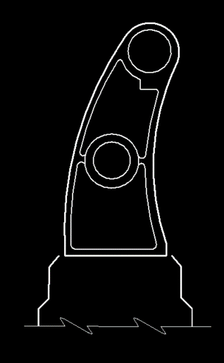
 | RAILING

 | Area of post (non-hollow area) = |  |  | 0.6681 | FT2 | (CAD Flood)

 | Thickness of post = |  |  | 0.2500 | IN | Type C per Archived Std Dwg AR-1-57 dated 2-2-59

 | Volume of post = |  |  | 0.01 | FT3

 | Wt of post = |  |  | 0.0068201875 | K

 | Add 25% for post sides = |  |  | 0.0085 | K

 | Spacing b/w posts = |  |  | 7.0000 | FT | Type C per Archived Std Dwg AR-1-57 dated 2-2-59

 | Post Wt. per FT = |  |  | 0.001217890625 | K/FT

 |  |  |  |  |  |  |  | Subject | Line Girder Analysis |  |  | Project | FRA-3-19.36
 |  |  |  |  |  |  |  | Exterior Girder Loads (MDX) |  |  |  | Sheet # | 1 | of
 |  |  |  |  |  |  |  | Author | Asad | Date | 2022-09-21 | Checker | FBW | Date

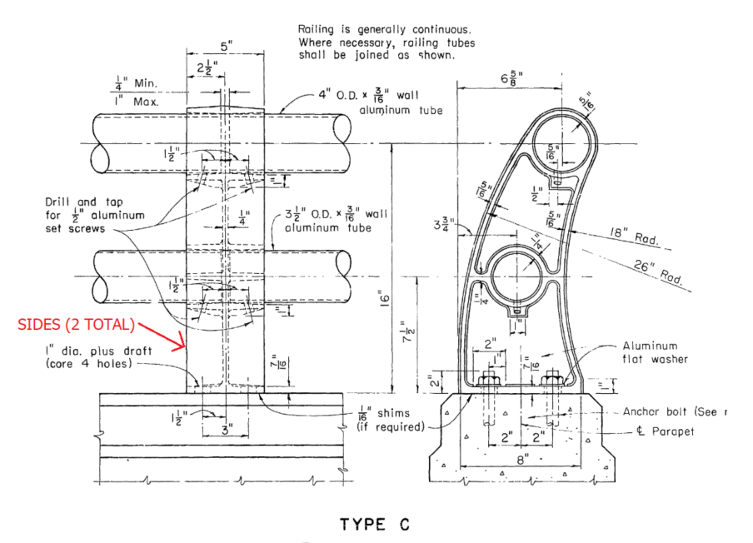
 | Railing

 | 4" OD x 3/16" wall Wt. per FT= |  |  | 0.00766 | K/FT | (AISC)

 | 3.5" OD x 3/16" wall Wt. per FT= |  |  | 0.00666 | K/FT | (AISC)

 | Total wight (Railing + Posts)= |  |  | 0.015537890625 | K/FT

 | Assume 50 pounds per ft for vandal fence conservatively

 | Weight (Railing + Posts + Vandal)= |  |  | 0.018725111607 | K/FT | (Apply as a composite load and divide equally into 7 beams)

 | Add 15% contigency

 | Total weight (with 15% contigency)= |  |  | 0.021533878348 | K/FT

 |  | WSDL | = | 0.3455 | K/FT | MDX

HAUNCH
 | CONCRETE WEIGHT = | 0.1500 | K/CFT
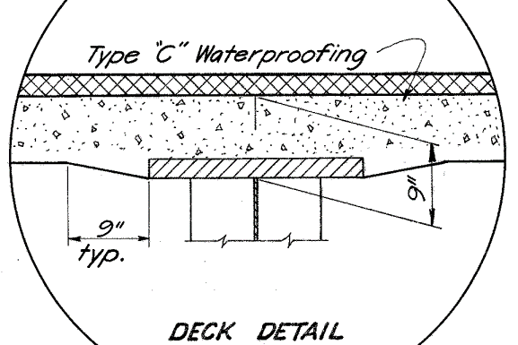
DECK THICKNESS= |  | 7.2500 | INCHES | Given
TOP DECK TO BOTTOM OF TOP FLANGE= |  | 9.0000 | INCHES | Given
FLANGE THICKNESS MIN= |  | 2.0000 | INCHES | Given
TOP DECK TO TOP OF TOP FLANGE= |  | 7.0000 | INCHES
FLANGE EMBED THICK= |  | 0.2500 | INCHES
TRIANGULAR SIDE HAUNCH HEIGHT |  | 1.7500 | INCHES
TRIANGULAR SIDE HAUNCH WIDTH= |  | 9.0000 | INCHES | Given
HAUNCH AREA ONE SIDE= |  | 7.875 | SQ IN
HAUNCH LOAD PER LINEAR FT= |  | 0.0082 | K/FT

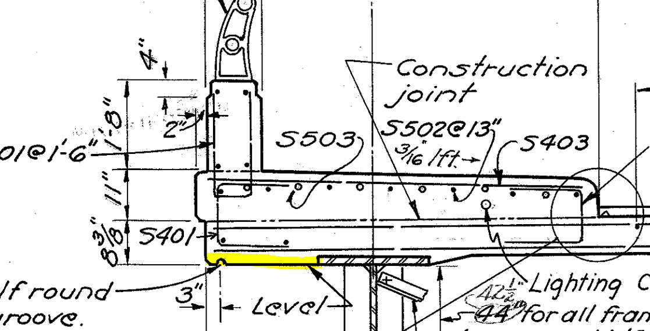

OVERHANG WIDTH= |  | 3.000000 | FT
OVERHANG HAUNCH WIDTH= |  | 2.000000 | FT
DECK END DEPTH= |  | 8.375000 | IN
OVERHANG HAUNCH DEPTH= |  | 1.125000 | IN
OVERHANG HAUNCH AREA= |  | 0.187500 | FT2
OVERHANG HAUNCH LOAD= |  | 0.028125 | K/FT

TOTAL HAUNCH LOAD= |  | 0.036328 | K/FT

END DIA
End CF

Diagonal Members (Ls 4x4x5/16)
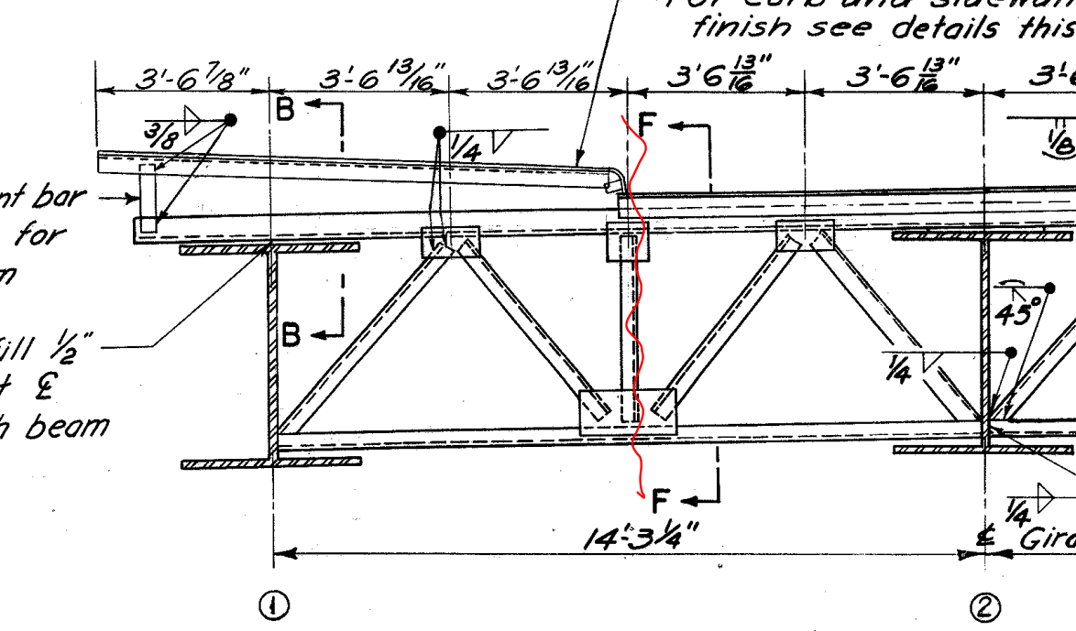
Horizontal Length of member | = | 3.5677083333 | ft
Girder web + Top flange | = | 4.3333333333 | ft
Vertical Length of member | = | 3.75 | ft | (Approx.)
Resultant Length of member | = | 5.1760064482 | ft
Length for 2 diagonal members | = | 10.352012896 | ft
Weight of member per ft | = | 0.0082 | k/ft | (AISC)
Total weight of member | = | 0.08488650575 | kip

Bottom Member (Ls 4x4x5/16)

Length of member | = | 7.1354166667 | ft
Weight of member per ft | = | 0.0082 | k/ft | (AISC)
Total weight of member | = | 0.058510416667 | kip

Top Member (Ls 6x4x5/8)& (Ls 8x6x7/8)

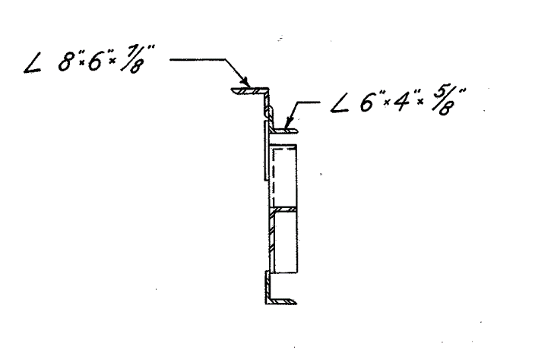
Length of member (L6x4x5/8) | = | 9.203125 | ft | (Approx.)
Length of member (L8x6x7/8) | = | 10.870361328 | ft | Consider 3/16" slope per ft
Weight of Ls 6x4x5/8 per ft | = | 0.02 | k/ft | (AISC)
Weight of Ls 6x4x5/8 | = | 0.1840625 | kip
Weight of Ls 8x6x7/8 per ft | = | 0.0391 | k/ft | (AISC)
Weight of Ls 8x6x7/8 | = | 0.42503112793 | kip

Vertical Member (Ls 4x4x5/16)

Length of members | = | 3.75 | ft
Weight of member per ft | = | 0.0082 | k/ft
Half weight of member | = | 0.015375 | kip

Total Wt of End CF | = | 0.76786555035 | kip
Add 15% contigency for connections
Total Wt of End CF | = | 0.8830453829 | kip

INT DIA
 | Intermediate Diphragm

 | The crossframes diagonal members length vary across the length of the girder due to parabolic haunch.
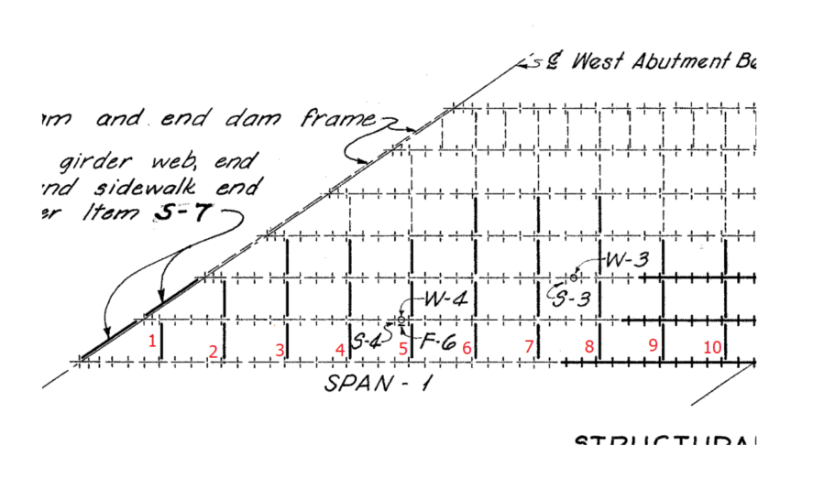
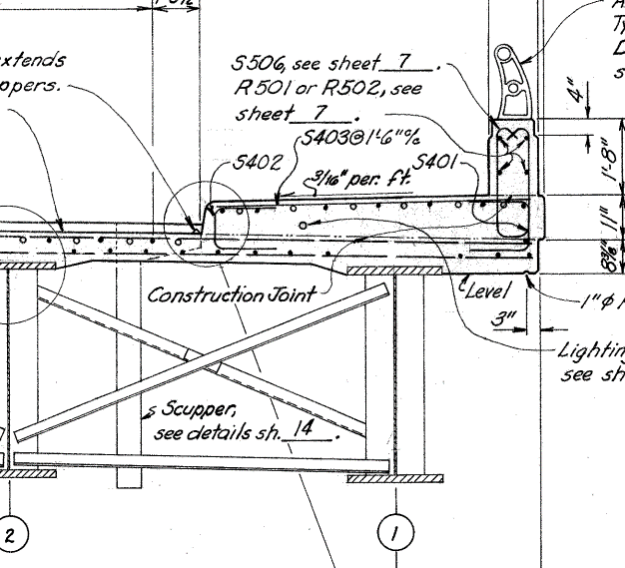

 | The CF Loads will be compared b/w typical section (50" web) and the maximum depth section (67.5")
Case 1
 | Left Bay Loads (Typical Section, 50" Web)
 | Diagonals (L3x3x5/16)
 |  | Horizontal length |  |  | = | 8 | ft | (Consider Beam Spacing)
 |  | Vertical Length |  |  | = | 3.6666666667 | ft
 |  | Resultant Length |  |  | = | 8.8002525216 | ft
 |  | Wt. per ft |  |  | = | 0.0061 | k/ft | (AISC)
 |  | Wt. total (2 diagonals) |  |  | = | 0.10736308076 | kip
 | Bottom (L3x3x5/16)
 |  | Length |  |  | = | 8 | ft
 |  | Wt. per ft |  |  | = | 0.0061 | k/ft | (AISC)
 |  | Wt. total (1 bottom member) |  |  | = | 0.0488 | kip

 |  | Total Wt. of Left Bay CF |  |  | = | 0.15616308076 | kip
 |  | Half Wt. of Left Bay CF |  |  | = | 0.078081540382 | kip

 | Total CF Load on the Exterior girder for case 1 (Typical) |  |  |  | = | 0.078081540382 | kip | (Half left bay)

Case 2

 | Left Bay Loads (67.5" Web)
 | Diagonals (L3x3x5/16)
 |  | Horizontal length |  |  | = | 8 | ft | (Consider Beam Spacing)
 |  | Vertical Length |  |  | = | 5.125 | ft
 |  | Resultant Length |  |  | = | 9.5008223328 | ft
 |  | Wt. per ft |  |  | = | 0.0061 | k/ft | (AISC)
 |  | Wt. total (2 diagonals) |  |  | = | 0.11591003246 | kip
 | Bottom (L3x3x5/16)
 |  | Length |  |  | = | 8 | ft
 |  | Wt. per ft |  |  | = | 0.0061 | k/ft | (AISC)
 |  | Wt. total (1 bottom member) |  |  | = | 0.0488 | kip

 |  | Total Wt. of Left Bay CF |  |  | = | 0.16471003246 | kip
 |  | Half Wt. of Left Bay CF |  |  | = | 0.08235501623 | kip

 | Total CF Load on the Exterior girder for case 2 |  |  |  | = | 0.08235501623 | kip | (Half left bay)

The difference between case 1 and 2 is |  |  | 0.0042734758483 | kip. For span with parabolic haunch, the average of two will be considerd for simplicity.
For span with constant web depth, use case 1 load values.

CF Load for span with constant web depth (BR 1 to 6) |  |  |  |  | = | 0.078081540382 | kip
CF Load for span with parabolic haunch (BR 7 to 10) |  |  |  |  | = | 0.080218278306 | kip

Including 15% contigency

CF Load for span with constant web depth (BR 1 to 6) |  |  |  |  | = | 0.089793771439 | kip
CF Load for span with parabolic haunch (BR 7 to 10) |  |  |  |  | = | 0.092251020052 | kip

STIFFENERS
 | STIFFENERS

1 | BRG Stiffener over Abut.
 |  | Width |  | = | 10 | in
 |  | Depth |  | = | 50 | in
 |  | Thickness |  | = | 0.625 | in
 |  | Volume |  | = | 312.5 | in3
 |  | Wt. (both sides) |  | = | 0.17722800926 | kip
 |  | Wt. (both sides with 15% contigency) |  | = | 0.20381221065 | kip
2 | BRG Stiffener over Pier
 |  | Width |  | = | 11 | in
 |  | Depth |  | = | 67.5 | in
 |  | Thickness |  | = | 1 | in
 |  | Volume |  | = | 742.5 | in3
 |  | Wt. (both sides) |  | = | 0.42109375 | kip
 |  | Wt. (both sides with 15% contigency) |  | = | 0.4842578125 | kip
3 | Intermediate transverse stiffners (typical 50" web)
 |  | Width |  | = | 7 | in
 |  | Depth |  | = | 50 | in
 |  | Thickness |  | = | 0.4375 | in

 |  | Volume |  | = | 153.125 | in3
 |  | Wt. (both sides) |  | = | 0.086841724537 | kip
 |  | Wt. (both sides with 15% contigency) |  | = | 0.099867983218 | kip
4 | Intermediate transverse stiffners (For the parabolic haunch section)
 | Average of typical (50 inches) and maximum web depth (67.5") is considered for this section
 |  | Width |  | = | 7 | in
 |  | Depth |  | = | 67.5 | in
 |  | Thickness |  | = | 0.4375 | in
 |  | Volume |  | = | 206.71875 | in3
 |  | Wt. (both sides) |  | = | 0.11723632812 | kip
 |  | Average |  | = | 0.10203902633 | kip
 |  | Average (with 15% contigency) |  | = | 0.11734488028 | kip

TYPE |  |  | LOAD (KIP) | NO. OF LOADS |  | TOTAL LOADS (KIP) | SPAN (FT)
BRG Stiff over Abut. |  |  | 0.2038 | 1 |  | 0.2038 | 128.44
BRG Stiffener over Pier |  |  | 0.4843 | 1 |  | 0.4843
Int transverse stiffners (typical 50" web) |  |  | 0.0999 | 26 |  | 2.5966
Int transverse stiffners (Parabolic section) |  |  | 0.1173 | 18 |  | 2.1122
 |  |  | Total Loads (Concentrated) |  |  | 5.3968
 |  |  |  |  |  | TOTAL LOADS (K/FT)
 |  |  | Total Loads (UDL) |  |  | 0.0420 | (WAS)

