HAUNCH
 | CONCRETE WEIGHT = | 0.1500 | K/CFT
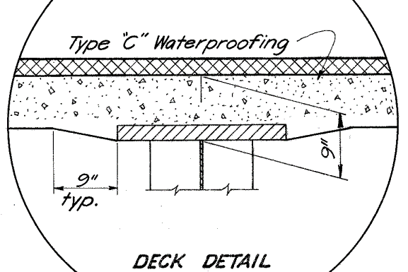
DECK THICKNESS= |  | 7.2500 | INCHES | Given
TOP DECK TO BOTTOM OF TOP FLANGE= |  | 9.0000 | INCHES | Given
FLANGE THICKNESS MIN= |  | 2.0000 | INCHES | Given
TOP DECK TO TOP OF TOP FLANGE= |  | 7.0000 | INCHES
FLANGE EMBED THICK= |  | 0.2500 | INCHES
TRIANGULAR SIDE HAUNCH HEIGHT |  | 1.7500 | INCHES
TRIANGULAR SIDE HAUNCH WIDTH= |  | 9.0000 | INCHES | Given
HAUNCH AREA BOTH SIDES= |  | 15.750 | SQ IN
HAUNCH LOAD PER LINEAR FT= |  | 0.0164 | K/FT

The top flange is embedded into the concrete
leaving triangular side area as haunch load

END DIA
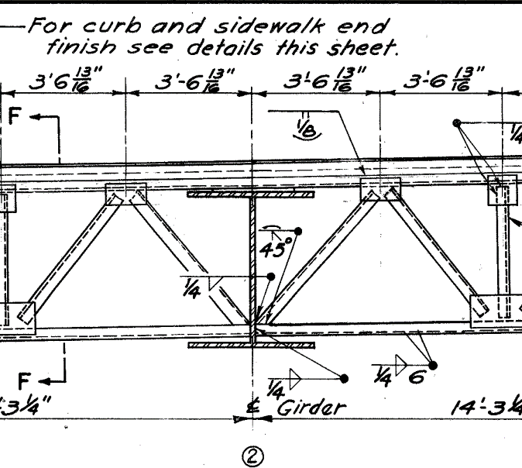
End CF
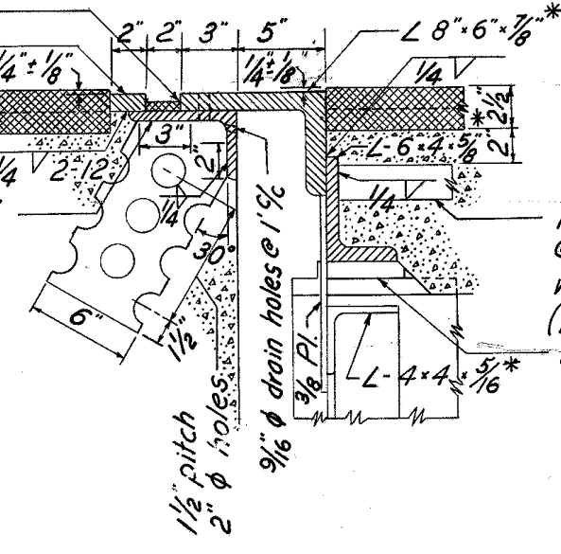

Diagonal Members (Ls 4x4x5/16)

Horizontal Length of member | = | 3.5677083333 | ft
Girder web + Top flange | = | 4.3333333333 | ft
Vertical Length of member | = | 3.75 | ft
Resultant Length of member | = | 5.1760064482 | ft
Length for 4 diagonal members | = | 20.704025793 | ft
Weight of member per ft | = | 0.0082 | k/ft | (AISC)
Total weight of member | = | 0.1697730115 | kip

Bottom Member (Ls 4x4x5/16)

Length of member | = | 14.270833333 | ft
Weight of member per ft | = | 0.0082 | k/ft | (AISC)
Total weight of member | = | 0.11702083333 | kip

Top Member (Ls 6x4x5/8)& (Ls 8x6x7/8)

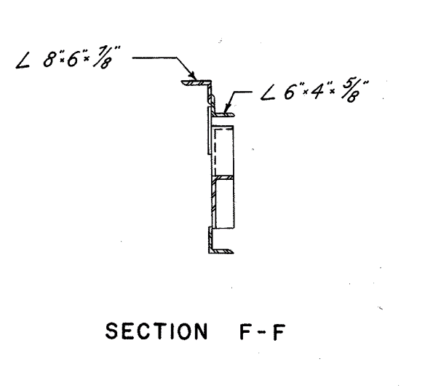
Length of members | = | 14.270833333 | ft
Weight of Ls 6x4x5/8 per ft | = | 0.02 | k/ft | (AISC)
Weight of Ls 6x4x5/8 | = | 0.28541666667 | kip
Weight of Ls 8x6x7/8 per ft | = | 0.0391 | k/ft | (AISC)
Weight of Ls 8x6x7/8 | = | 0.55798958333 | kip

Vertical Member (Ls 4x4x5/16)

Length of members | = | 3.75 | ft
Weight of member per ft | = | 0.0082 | k/ft
Total weight of member | = | 0.03075 | kip

Total Wt of End CF | = | 1.1609500948 | kip
Add 15% contigency for connections
Total Wt of End CF | = | 1.3350926091 | kip

INT DIA
 | Intermediate Diphragm

 | The crossframes diagonal members length vary across the length of the girder due to parabolic haunch.
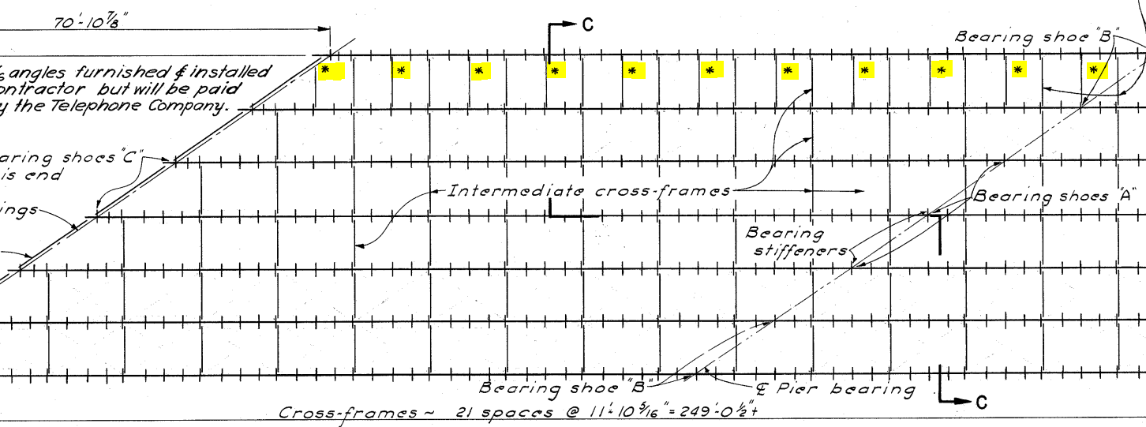

 | Note: | These bottom chords (L 5x5x5/16) shall not be considered as bracing. However, the loads
 | of these bottom chords shall be included in the analysis.

 | Wt of L 5x5x5/16 member per ft |  |  |  |  | = | 0.0103 | k/ft | (AISC)
 | Length of member |  |  |  |  | = | 8 | ft
 | Wt. of half member |  |  |  |  | = | 0.0412 | kip
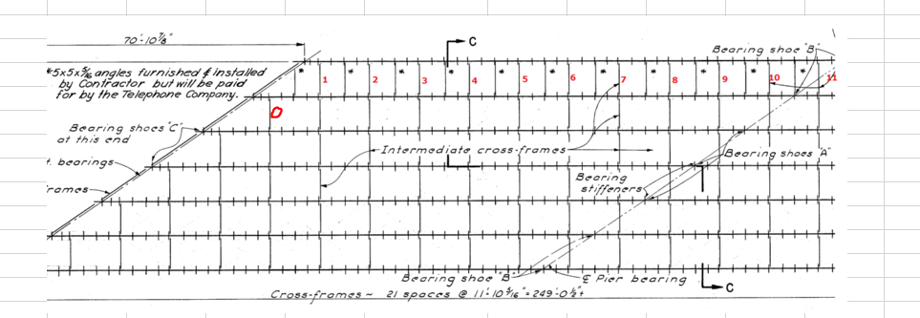

 | Note: | The bracing 10 include an additional bottom chord L 5x5x5/16.

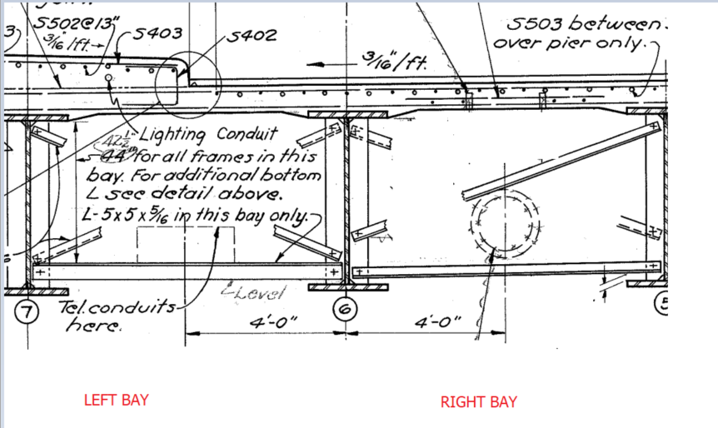

 | The CF Loads will be compared b/w typical section (50" web) and the maximum depth section (67.5")
Case 1
 | Left Bay Loads (Typical Section, 50" Web)
 | Diagonals (L3x3x5/16)
 |  | Horizontal length |  |  | = | 8 | ft | (Consider Beam Spacing)
 |  | Vertical Length |  |  | = | 3.4583333333 | ft | (Conservative)
 |  | Resultant Length |  |  | = | 8.7155074118 | ft
 |  | Wt. per ft |  |  | = | 0.0061 | k/ft | (AISC)
 |  | Wt. total (2 diagonals) |  |  | = | 0.10632919042 | kip
 | Bottom (L 5x5x5/16)
 |  | Length |  |  | = | 8 | ft
 |  | Wt. per ft |  |  | = | 0.0103 | k/ft | (AISC)
 |  | Wt. total (1 bottom member) |  |  | = | 0.0824 | kip

 |  | Total Wt. of Left Bay CF |  |  | = | 0.18872919042 | kip
 |  | Half Wt. of Left Bay CF |  |  | = | 0.094364595212 | kip

 | Right Bay Loads (Typical Section, 50" Web)
 | Diagonals (L3x3x5/16)
 |  | Horizontal length |  |  | = | 8 | ft | (Consider Beam Spacing)
 |  | Vertical Length |  |  | = | 3.6666666667 | ft | (Conservative)
 |  | Resultant Length |  |  | = | 8.8002525216 | ft
 |  | Wt. per ft |  |  | = | 0.0061 | k/ft | (AISC)
 |  | Wt. total (2 diagonals) |  |  | = | 0.10736308076 | kip
 | Bottom (L3x3x5/16)
 |  | Length |  |  | = | 8 | ft
 |  | Wt. per ft |  |  | = | 0.0061 | k/ft | (AISC)
 |  | Wt. total (1 bottom member) |  |  | = | 0.0488 | kip

 |  | Total Wt. of Right Bay CF |  |  | = | 0.15616308076 | kip
 |  | Half Wt. of Right Bay CF |  |  | = | 0.078081540382 | kip

 | Total CF Load on the Interior girder for case 1 (Typical) |  |  |  | = | 0.17244613559 | kip | (Half left bay+Half right bay)

Case 2

 | Left Bay Loads (67.5" Web)
 | Diagonals (L3x3x5/16)
 |  | Horizontal length |  |  | = | 8 | ft | (Consider Beam Spacing)
 |  | Vertical Length |  |  | = | 4.9166666667 | ft | (17.5" added to 42.5" from typical section)
 |  | Resultant Length |  |  | = | 9.3900804635 | ft
 |  | Wt. per ft |  |  | = | 0.0061 | k/ft | (AISC)
 |  | Wt. total (2 diagonals) |  |  | = | 0.11455898165 | kip
 | Bottom (L5x5x5/16)
 |  | Length |  |  | = | 8 | ft
 |  | Wt. per ft |  |  | = | 0.0103 | k/ft | (AISC)
 |  | Wt. total (1 bottom member) |  |  | = | 0.0824 | kip

 |  | Total Wt. of Left Bay CF |  |  | = | 0.19695898165 | kip
 |  | Half Wt. of Left Bay CF |  |  | = | 0.098479490827 | kip

 | Right Bay Loads (67.5" Web)
 | Diagonals (L3x3x5/16)
 |  | Horizontal length |  |  | = | 8 | ft | (Consider Beam Spacing)
 |  | Vertical Length |  |  | = | 5.125 | ft | (Conservative)
 |  | Resultant Length |  |  | = | 9.5008223328 | ft
 |  | Wt. per ft |  |  | = | 0.0061 | k/ft | (AISC)
 |  | Wt. total (2 diagonals) |  |  | = | 0.11591003246 | kip
 | Bottom (L3x3x5/16)
 |  | Length |  |  | = | 8 | ft
 |  | Wt. per ft |  |  | = | 0.0061 | k/ft | (AISC)
 |  | Wt. total (1 bottom member) |  |  | = | 0.0488 | kip

 |  | Total Wt. of Right Bay CF |  |  | = | 0.16471003246 | kip
 |  | Half Wt. of Right Bay CF |  |  | = | 0.08235501623 | kip

 | Total CF Load on the Interior girder for case 2 |  |  |  | = | 0.18083450706 | kip | (Half left bay+Half right bay)

The difference between case 1 and 2 is |  |  | 0.008388371464 | kip. For span with parabolic haunch, the average of two will be considerd for simplicity.
For span with constant web depth, use case 1 load values. Addtionally for bracing 10, add additional bottom chord half weight.

CF Load for span with constant web depth (BR 1 to 6) |  |  |  |  | = | 0.17244613559 | kip
CF Load for span with parabolic haunch (BR 7 to 9) |  |  |  |  | = | 0.17664032133 | kip
CF Load for span with parabolic haunch (BR 10) |  |  |  |  | = | 0.21784032133 | kip
CF Load for span with constant web depth (BR 0) |  |  |  |  | = | 0.078081540382 | kip
Including 15% contigency

CF Load for span with constant web depth (BR 1 to 6) |  |  |  |  | = | 0.19831305593 | kip
CF Load for span with parabolic haunch (BR 7 to 9) |  |  |  |  | = | 0.20313636952 | kip
CF Load for span with parabolic haunch (BR 10) |  |  |  |  | = | 0.25051636952 | kip
CF Load for span with constant web depth (BR 0) |  |  |  |  | = | 0.089793771439 | kip

Note: 11 additional bottom members (L 5x5x5/16, to support telephone utility) shall be added in the loads

Additional load from 11-Ls (5x5x5/16) |  |  |  |  | = | 0.4532 | kips

STIFFENERS
 | STIFFENERS


1 | BRG Stiffener over Abut.
 |  | Width |  | = | 10 | in
 |  | Depth |  | = | 50 | in
 |  | Thickness |  | = | 0.625 | in
 |  | Volume |  | = | 312.5 | in3
 |  | Wt. (both sides) |  | = | 0.17722800926 | kip
 |  | Wt. (both sides with 15% contigency) |  | = | 0.20381221065 | kip

2 | BRG Stiffener over Pier
 |  | Width |  | = | 11 | in
 |  | Depth |  | = | 67.5 | in
 |  | Thickness |  | = | 1 | in
 |  | Volume |  | = | 742.5 | in3
 |  | Wt. (both sides) |  | = | 0.42109375 | kip
 |  | Wt. (both sides with 15% contigency) |  | = | 0.4842578125 | kip


3 | Intermediate transverse stiffners (typical 50" web)
 |  | Width |  | = | 7 | in
 |  | Depth |  | = | 50 | in
 |  | Thickness |  | = | 0.4375 | in
 |  | Volume |  | = | 153.125 | in3
 |  | Wt. (both sides) |  | = | 0.086841724537 | kip
 |  | Wt. (both sides with 15% contigency) |  | = | 0.099867983218 | kip

4 | Intermediate transverse stiffners (For the parabolic haunch section)
 | Average of typical (50 inches) and maximum web depth (67.5") is considered for this section
 |  | Width |  | = | 7 | in
 |  | Depth |  | = | 67.5 | in
 |  | Thickness |  | = | 0.4375 | in
 |  | Volume |  | = | 206.71875 | in3
 |  | Wt. (both sides) |  | = | 0.11723632812 | kip
 |  | Average |  | = | 0.10203902633 | kip
 |  | Average (with 15% contigency) |  | = | 0.11734488028 | kip

TYPE |  |  | LOAD (KIP) | NO. OF LOADS |  | TOTAL LOADS (KIP) | SPAN (FT)
BRG Stiff over Abut. |  |  | 0.2038 | 1 |  | 0.2038 | 128.44
BRG Stiffener over Pier |  |  | 0.4843 | 1 |  | 0.4843
Int transverse stiffners (typical 50" web) |  |  | 0.0999 | 25 |  | 2.4967
Int transverse stiffners (Parabolic section) |  |  | 0.1173 | 18 |  | 2.1122
 |  |  | Total Loads (Concentrated) |  |  | 5.2970
 |  |  |  |  |  | TOTAL LOADS (K/FT)
 |  |  | Total Loads (UDL) |  |  | 0.0412 | (WAS)

LL DF (Calculated by MDX)
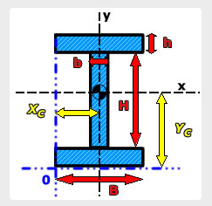
Distribution Factors (Case 1)
Reference Table 4.6.2.2.2b-1 (AASHTO LRFD 9th Ed)
Parameters | Plate Girder (50" Web (0.375") x 2" Flanges)
Area (Beam) |  | = | 114.75 | in2
Moment of Inertia (Ix) |  | = | 68834.248 | in4
Girder Spacing (S) |  | = | 8 | ft
Span Length (L) |  | = | 128.4400 | ft
Deck Slab Thickness (ts) |  | = | 7.2500 | in
Modular ratio (n) |  | = | 8.0000 | (approx)
eg |  | = | 27.0000 | in
Kg |  | = | 1219895.98 | in4 | Kg = n(Ixx+A*eg2)

DF Moment (Int Gir)
One Design Lane Loaded |  | = | 0.4340
Two Design Lane Loaded |  | = | 0.6320
DF Shear (Int Gir)
One Design Lane Loaded |  | = | 0.6800
Two Design Lane Loaded |  | = | 0.8144

Controlling DF |  | = | 0.8144

Distribution Factors (Case 2,)
Reference Table 4.6.2.2.2b-1 (AASHTO LRFD 9th Ed)
Parameters | Plate Girder (67.5" Web (0.4375") x 2.25" Flanges)
Area (Beam) |  | = | 137.531 | in2
Moment of Inertia (Ix) |  | = | 142614.894 | in4
Girder Spacing (S) |  | = | 8 | ft
Span Length (L) |  | = | 128.4400 | ft
Deck Slab Thickness (ts) |  | = | 7.2500 | in
Modular ratio (n) |  | = | 8.0000 | (approx)
eg |  | = | 27.0000 | in
Kg |  | = | 1942999.94 | in4 | Kg = n(Ixx+A*eg2)

DF Moment (Int Gir)
One Design Lane Loaded |  | = | 0.4518
Two Design Lane Loaded |  | = | 0.6585
DF Shear (Int Gir)
One Design Lane Loaded |  | = | 0.6800
Two Design Lane Loaded |  | = | 0.8144

Controlling DF |  | = | 0.8144

The LL DF is same for both sections. The multiple presence factors shall not be calculated since the AASHTO LRFD empirical equations
incorporate the multiple presence factors. MDX will calculate DF.

