DL
 |  |  |  |  |  |  | Subject | Line Girder Analysis |  |  | Project | FRA-3-19.36
 |  |  |  |  |  |  | Exterior Girder Loads (MDX) |  |  |  | Sheet # | 1 | of
 |  |  |  |  |  |  | Author | Asad | Date | 2022-09-21 | Checker | FBW | Date

DESIGN STANDARDS

 | AASHTO LRFD Bridge Design Specifications, 9th Ed. (2020)

PURPOSE

Renamed to tributary width to external beam to document that we are not taking this load into external. Only internal members as the AC surface has no tributary contribution to external members.
 | CALCULATE DEAD LOAD (DC) INPUTS FOR MDX

DATA

 | ASPHALT CONCRETE SURFACE, DW

 |  |  | WEARING SURFACE THICKNESS = | 2.500 | INCHES

 |  |  | WEARING SURFACE TRIBUTARY WIDTH TO EXT BEAM= | 0.000 | FT

 |  | WEARING SURFACE AREA = |  | 0.00 | FT2

WEARING SURFACE LOAD PER EXT GIRDER = |  |  |  | 0.000 | K/FT
Revised from INT to EXT

 | DECK
Added to document how we developed trib width
 |  | DECK OVERHANG = |  | 3 | FT

Revised cell to be formula based on Sum of overhang plus 1/2 beam spa.
 |  | BEAM SPACING = |  | 8 | FT

Revised to state 'Nominal deck thickness' to more or less tell a reviewer this is the typical deck thinkness without regard to a deduction for monolithic wearing surface and does not acct for increased thickness at deck edge.
 |  |  | DECK TRIBUTORY WIDTH = | 7.000 | FT

 |  |  | NOMINAL DECK THICKNESS= | 7.250 | IN

 |  | DECK CONCRETE AREA = |  | 4.23 | FT2

 | DECK CONCRETE UNIT WT = |  |  | 0.634 | K/FT

 | SIDEWALK + PARAPET

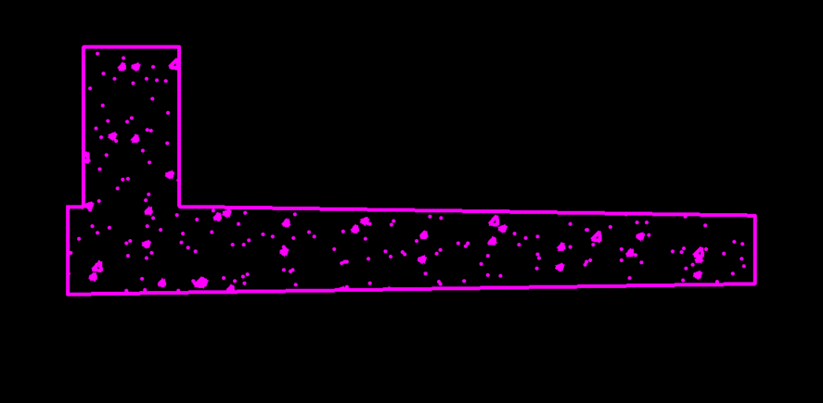

 | Area of sidewalk and parapet = |  |  | 7.56 | FT2 | (CAD Flood)

 | Concrete Density = |  |  | 0.1500 | K/FT3
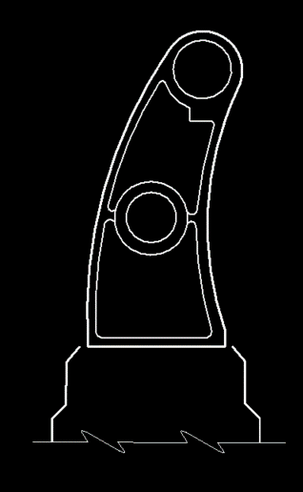
 | Load per ft= |  |  | 1.1340 | K/FT

 | RAILING
Added full std dwg ref
 | Area of post (non-hollow area) = |  |  | 0.6681 | FT2 | (CAD Flood)

 | Thickness of post = |  |  | 0.2500 | IN | Type C per Archived Std Dwg AR-1-57 dated 2-2-59

 | Volume of post = |  |  | 0.01 | FT3

 | Wt of post = |  |  | 0.0068201875 | K

 | Add 25% for post sides = |  |  | 0.0085 | K

 | Spacing b/w posts = |  |  | 7.0000 | FT | Assumed per Archived Std Dwg AR-1-57 dated 2-2-59
Added this statement
 | Post Wt. per FT = |  |  | 0.001217890625 | K/FT

 |  |  |  |  |  |  | Subject | Line Girder Analysis |  |  | Project | FRA-3-19.36
 |  |  |  |  |  |  | Exterior Girder Loads (MDX) |  |  |  | Sheet # | 1 | of
 |  |  |  |  |  |  | Author | Asad | Date | 2022-09-21 | Checker | FBW | Date

 | Railing

 | 4" OD x 3/16" wall Wt. per FT= |  |  | 0.00766 | K/FT | Size per Type C per Archived Std Dwg AR-1-57 dated 2-2-59, Weight Per AISC

 | 3.5" OD x 3/16" wall Wt. per FT= |  |  | 0.00666 | K/FT | Size per Type C per Archived Std Dwg AR-1-57 dated 2-2-59, Weight Per AISC
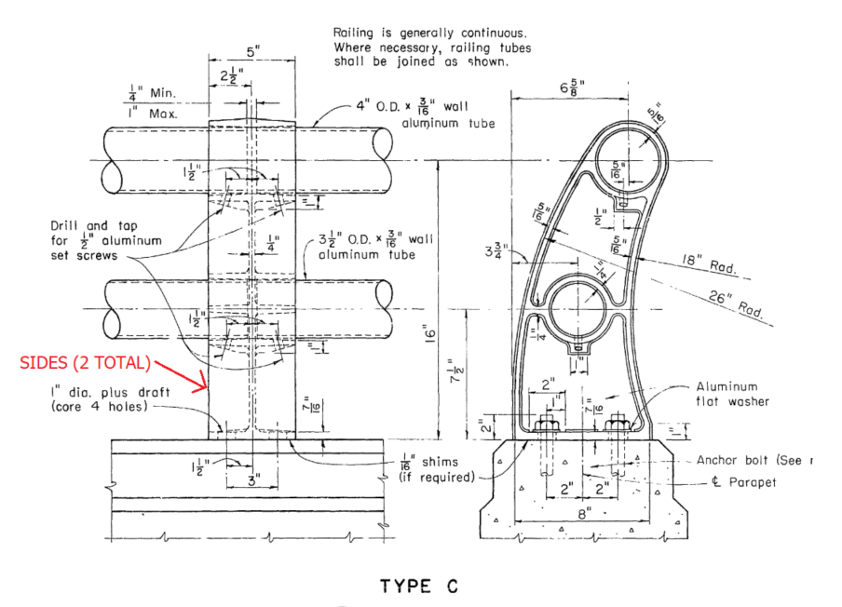
 | Total wight (Railing + Posts)= |  |  | 0.015537890625 | K/FT

 | Assume 50 pounds per ft for vandal fence conservatively

 | Weight (Railing + Posts + Vandal)= |  |  | 0.065537890625 | K/FT

 | Add 15% contigency

 | Total weight (with 15% contigency)= |  |  | 0.075368574219 | K/FT

HAUNCH
 |  | CONCRETE WEIGHT = | 0.1500 | K/CFT
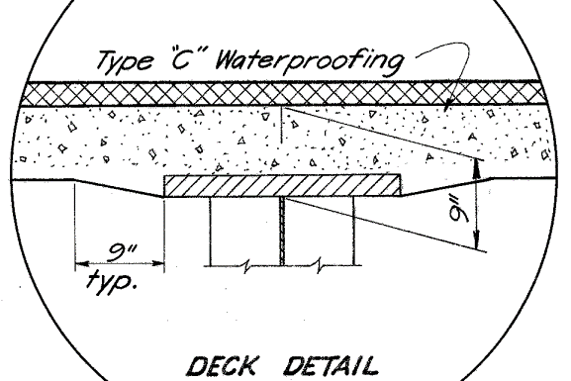
DECK THICKNESS= |  |  | 7.2500 | INCHES | Given
TOP DECK TO BOTTOM OF TOP FLANGE= |  |  | 9.0000 | INCHES | Given
FLANGE THICKNESS MIN= |  |  | 2.0000 | INCHES | Given
TOP DECK TO TOP OF TOP FLANGE= |  |  | 7.0000 | INCHES
FLANGE EMBED THICK= |  |  | 0.2500 | INCHES
TRIANGULAR SIDE HAUNCH HEIGHT |  |  | 1.7500 | INCHES
TRIANGULAR SIDE HAUNCH WIDTH= |  |  | 9.0000 | INCHES | Given
HAUNCH AREA ONE SIDE= |  |  | 7.875 | SQ IN
HAUNCH LOAD PER LINEAR FT= |  |  | 0.0082 | K/FT

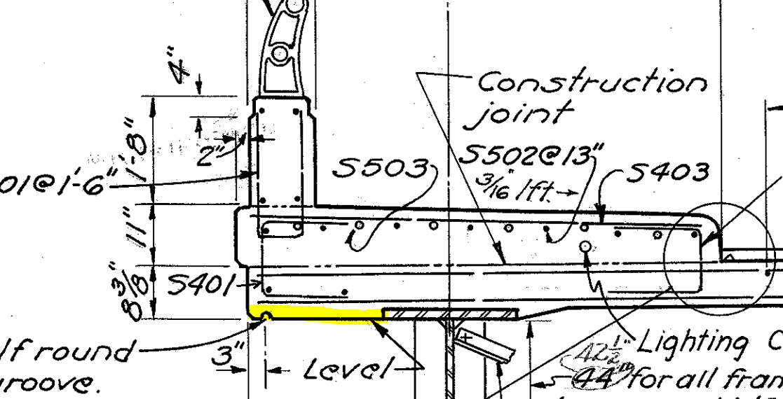

OVERHANG WIDTH= |  |  | 3.000000 | FT
 | TOP FLANGE WIDTH, bw,tf = |  | 24.000000 | IN
OVERHANG HAUNCH WIDTH= |  |  | 2.000000 | FT
DECK END DEPTH= |  |  | 8.375000 | IN
OVERHANG HAUNCH DEPTH= |  |  | 1.125000 | IN
OVERHANG HAUNCH AREA= |  |  | 0.187500 | FT2
OVERHANG HAUNCH LOAD= |  |  | 0.028125 | K/FT

TOTAL HAUNCH LOAD= |  |  | 0.036328 | K/FT

For the exterior girder, you wont have the full value from cell D12 as you dont have the triangular area on both sides of the beam. It's marginal and conservative to leave as in so I did not revise.

END DIA
End CF

Diagonal Members (Ls 4x4x5/16)
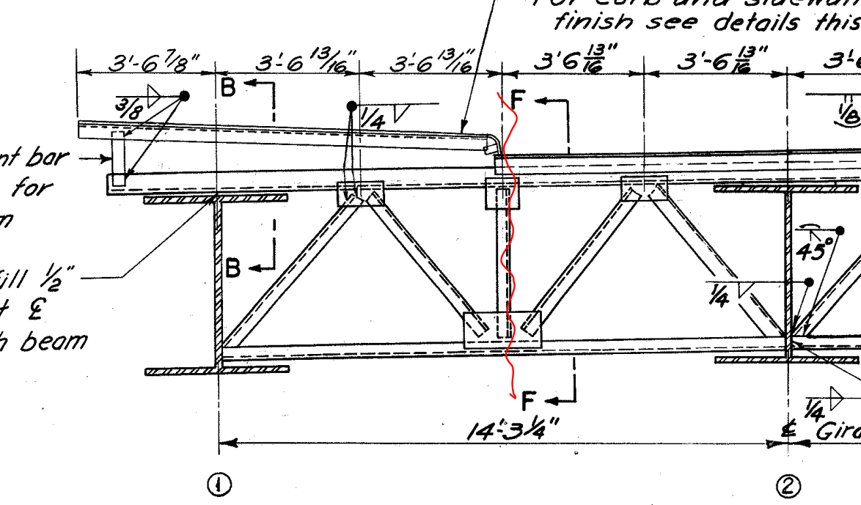
Horizontal Length of member | = | 3.5677083333 | ft
Girder web + Top flange | = | 4.3333333333 | ft
Vertical Length of member | = | 3.75 | ft | (Approx.)
Resultant Length of member | = | 5.1760064482 | ft
Length for 2 diagonal members | = | 10.352012896 | ft
Weight of member per ft | = | 0.0082 | k/ft | (AISC)
Total weight of member | = | 0.08488650575 | kip

Bottom Member (Ls 4x4x5/16)

Length of member | = | 7.1354166667 | ft
Weight of member per ft | = | 0.0082 | k/ft | (AISC)
Total weight of member | = | 0.058510416667 | kip

Top Member (Ls 6x4x5/8)& (Ls 8x6x7/8)

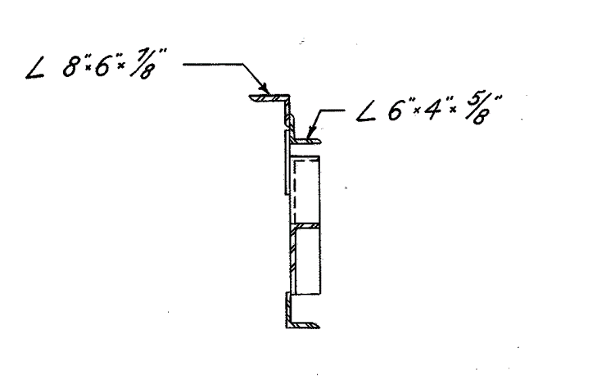
Length of member (L6x4x5/8) | = | 9.203125 | ft | (Approx.)
Length of member (L8x6x7/8) | = | 10.870361328 | ft | Consider 3/16" slope per ft
Weight of Ls 6x4x5/8 per ft | = | 0.02 | k/ft | (AISC)
Weight of Ls 6x4x5/8 | = | 0.1840625 | kip
Weight of Ls 8x6x7/8 per ft | = | 0.0391 | k/ft | (AISC)
Weight of Ls 8x6x7/8 | = | 0.42503112793 | kip

Vertical Member (Ls 4x4x5/16)

Length of members | = | 3.75 | ft
Weight of member per ft | = | 0.0082 | k/ft
Half weight of member | = | 0.015375 | kip

Total Wt of End CF | = | 0.76786555035 | kip
Add 15% contigency for connections
Total Wt of End CF | = | 0.8830453829 | kip

INT DIA
 | Intermediate Diphragm

 | The crossframes diagonal members length vary across the length of the girder due to parabolic haunch.
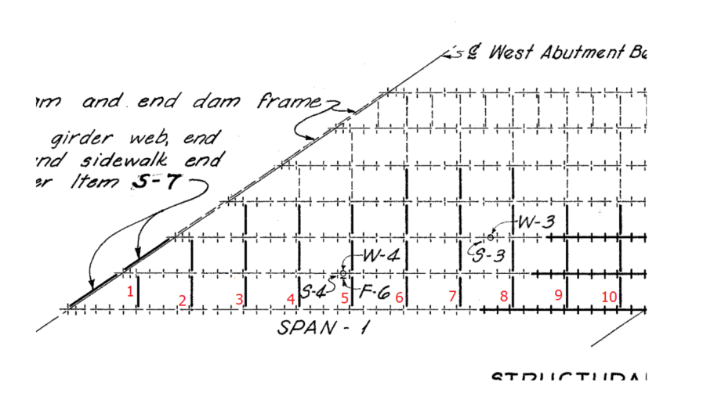
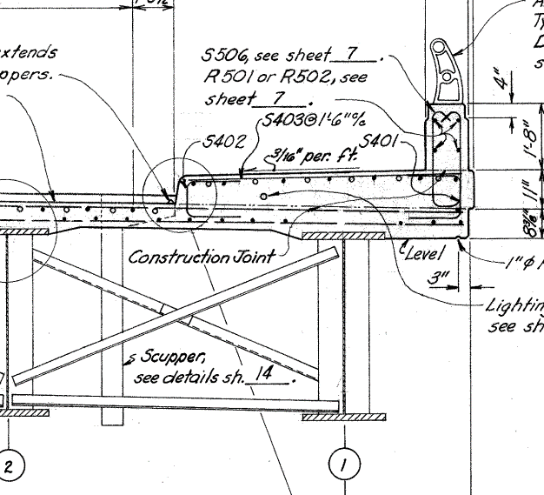

 | The CF Loads will be compared b/w typical section (50" web) and the maximum depth section (67.5")
Case 1
 | Left Bay Loads (Typical Section, 50" Web)
 | Diagonals (L3x3x5/16)
 |  | Horizontal length |  |  | = | 8 | ft | (Consider Beam Spacing)
 |  | Vertical Length |  |  | = | 3.6666666667 | ft
 |  | Resultant Length |  |  | = | 8.8002525216 | ft
 |  | Wt. per ft |  |  | = | 0.0061 | k/ft | (AISC)
 |  | Wt. total (2 diagonals) |  |  | = | 0.10736308076 | kip
 | Bottom (L3x3x5/16)
 |  | Length |  |  | = | 8 | ft
 |  | Wt. per ft |  |  | = | 0.0061 | k/ft | (AISC)
 |  | Wt. total (1 bottom member) |  |  | = | 0.0488 | kip

 |  | Total Wt. of Left Bay CF |  |  | = | 0.15616308076 | kip
 |  | Half Wt. of Left Bay CF |  |  | = | 0.078081540382 | kip

 | Total CF Load on the Exterior girder for case 1 (Typical) |  |  |  | = | 0.078081540382 | kip | (Half left bay)

Case 2

 | Left Bay Loads (67.5" Web)
 | Diagonals (L3x3x5/16)
 |  | Horizontal length |  |  | = | 8 | ft | (Consider Beam Spacing)
 |  | Vertical Length |  |  | = | 5.125 | ft
 |  | Resultant Length |  |  | = | 9.5008223328 | ft
 |  | Wt. per ft |  |  | = | 0.0061 | k/ft | (AISC)
 |  | Wt. total (2 diagonals) |  |  | = | 0.11591003246 | kip
 | Bottom (L3x3x5/16)
 |  | Length |  |  | = | 8 | ft
 |  | Wt. per ft |  |  | = | 0.0061 | k/ft | (AISC)
 |  | Wt. total (1 bottom member) |  |  | = | 0.0488 | kip

 |  | Total Wt. of Left Bay CF |  |  | = | 0.16471003246 | kip
 |  | Half Wt. of Left Bay CF |  |  | = | 0.08235501623 | kip

 | Total CF Load on the Exterior girder for case 2 |  |  |  | = | 0.08235501623 | kip | (Half left bay)

The difference between case 1 and 2 is |  |  | 0.0042734758483 | kip. For span with parabolic haunch, the average of two will be considerd for simplicity.
For span with constant web depth, use case 1 load values.

CF Load for span with constant web depth (BR 1 to 6) |  |  |  |  | = | 0.078081540382 | kip
CF Load for span with parabolic haunch (BR 7 to 10) |  |  |  |  | = | 0.080218278306 | kip

Including 15% contigency

CF Load for span with constant web depth (BR 1 to 6) |  |  |  |  | = | 0.089793771439 | kip
CF Load for span with parabolic haunch (BR 7 to 10) |  |  |  |  | = | 0.092251020052 | kip

STIFFENERS
 | STIFFENERS

1 | BRG Stiffener over Abut.
 |  | Width |  | = | 10 | in
 |  | Depth |  | = | 50 | in
 |  | Thickness |  | = | 0.625 | in
 |  | Volume |  | = | 312.5 | in3
 |  | Wt. (both sides) |  | = | 0.17722800926 | kip
 |  | Wt. (both sides with 15% contigency) |  | = | 0.20381221065 | kip
2 | BRG Stiffener over Pier
 |  | Width |  | = | 11 | in
 |  | Depth |  | = | 67.5 | in
 |  | Thickness |  | = | 1 | in
 |  | Volume |  | = | 742.5 | in3
 |  | Wt. (both sides) |  | = | 0.42109375 | kip
 |  | Wt. (both sides with 15% contigency) |  | = | 0.4842578125 | kip
3 | Intermediate transverse stiffners (typical 50" web)
 |  | Width |  | = | 7 | in
 |  | Depth |  | = | 50 | in
 |  | Thickness |  | = | 0.4375 | in

 |  | Volume |  | = | 153.125 | in3
 |  | Wt. (both sides) |  | = | 0.086841724537 | kip
 |  | Wt. (both sides with 15% contigency) |  | = | 0.099867983218 | kip
4 | Intermediate transverse stiffners (For the parabolic haunch section)
 | Average of typical (50 inches) and maximum web depth (67.5") is considered for this section
 |  | Width |  | = | 7 | in
 |  | Depth |  | = | 67.5 | in
 |  | Thickness |  | = | 0.4375 | in
 |  | Volume |  | = | 206.71875 | in3
 |  | Wt. (both sides) |  | = | 0.11723632812 | kip
 |  | Average |  | = | 0.10203902633 | kip
 |  | Average (with 15% contigency) |  | = | 0.11734488028 | kip

TYPE |  |  | LOAD (KIP) | NO. OF LOADS |  | TOTAL LOADS (KIP) | SPAN (FT)
BRG Stiff over Abut. |  |  | 0.2038 | 1 |  | 0.2038 | 128.44
BRG Stiffener over Pier |  |  | 0.4843 | 1 |  | 0.4843
Int transverse stiffners (typical 50" web) |  |  | 0.0999 | 25 |  | 2.4967
Int transverse stiffners (Parabolic section) |  |  | 0.1173 | 18 |  | 2.1122
 |  |  | Total Loads (Concentrated) |  |  | 5.2970
 |  |  |  |  |  | TOTAL LOADS (K/FT)
 |  |  | Total Loads (UDL) |  |  | 0.0412

FLANGE TRANSITION + WEB
FLANGE TRANSITION ADDITIONAL LOADS

 | Flanges width | = | 24 | IN
 | Additional flanges thickness (due to transition) | = | 0.250 | IN
 | Length of Flange Transition | = | 34.00 | FT | (This may vary a little in span 2 replaced girders, however, the change in loads is insignficant)
 | Volume of additional steel | = | 2.8333 | FT3
 | Load (Total) | = | 1.3883333333 | KIP
 | Load (UDL) for the full span | = | 0.011 | K/FT

WEB THICK CHANGE ADDITIONAL LOADS

 | Web start depth | = | 50.000 | IN
 | Web end depth | = | 67.50 | IN
 | Web average depth | = | 58.75 | IN
 | Web typ. Thick | = | 0.375 | IN
 | Web max thick | = | 0.438 | IN
 | Web change in thick. | = | 0.063 | IN
 | Length | = | 34 | FT | (This may vary a little in span 2 replaced girders, however, the change in loads is insignficant)
 | Additional steel vol. | = | 0.86697 | FT3
 | Load (Total) | = | 0.425 | KIP
WE ARE GOING TO IGNORE THESE IN THE EXISTING MODEL AS THEY DO NOT EXIST.
 | Load (UDL) for the full span | = | 0.00331 | K/FT

