FWS
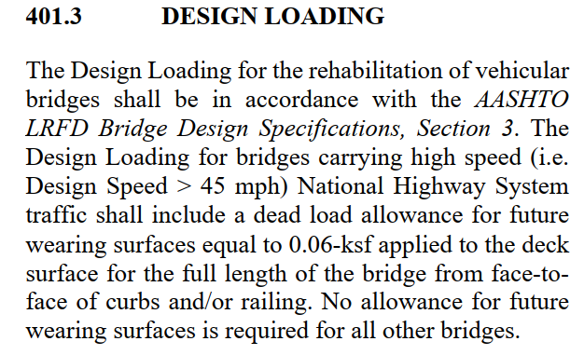
 | Future Wearing Surface (Acting as Composite)

 |  | Area Load | = | 0.06 | KSF | (BDM)
 |  | Roadway toe to toe distance | = | 0 | FT
 |  | Load per Girder | = | 0 | K/FT

Apply as "Wear" in MDX

END DIA
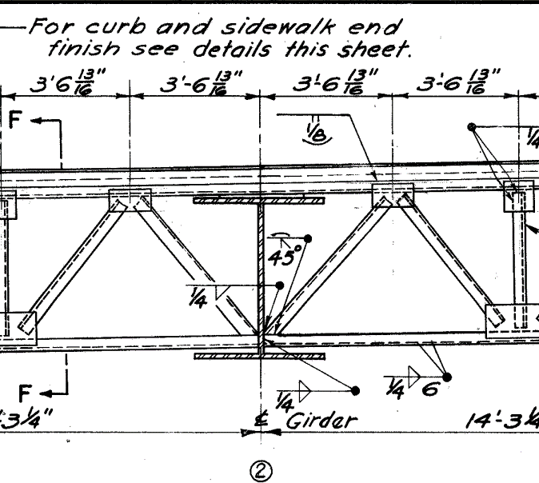
End CF
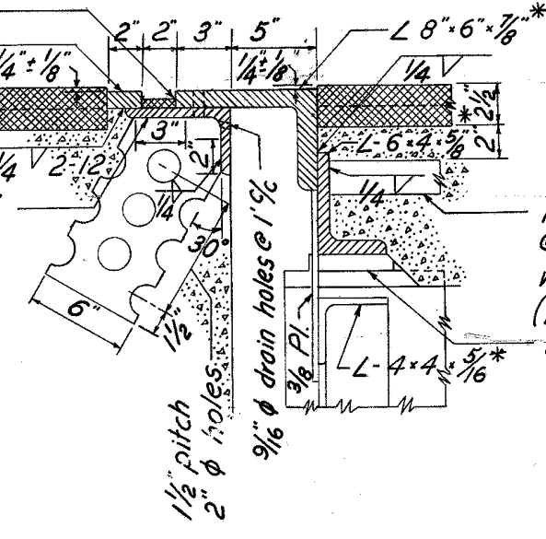

Diagonal Members (Ls 4x4x5/16)

Horizontal Length of member | = | 3.5677083333 | ft
Girder web + Top flange | = | 4.3333333333 | ft
Vertical Length of member | = | 3.75 | ft
Resultant Length of member | = | 5.1760064482 | ft
Length for 4 diagonal members | = | 20.704025793 | ft
Weight of member per ft | = | 0.0082 | k/ft | (AISC)
Total weight of member | = | 0.1697730115 | kip

Bottom Member (Ls 4x4x5/16)

Length of member | = | 14.270833333 | ft
Weight of member per ft | = | 0.0082 | k/ft | (AISC)
Total weight of member | = | 0.11702083333 | kip

Top Member (Ls 6x4x5/8)& (Ls 8x6x7/8)

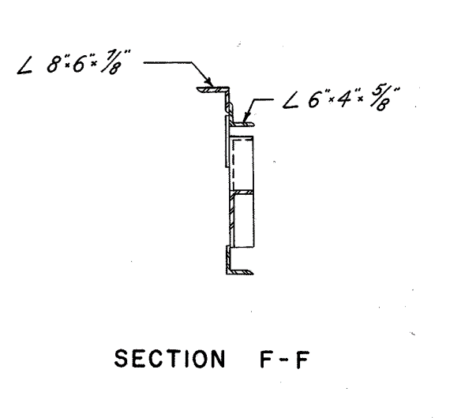
Length of members | = | 14.270833333 | ft
Weight of Ls 6x4x5/8 per ft | = | 0.02 | k/ft | (AISC)
Weight of Ls 6x4x5/8 | = | 0.28541666667 | kip
Weight of Ls 8x6x7/8 per ft | = | 0.0391 | k/ft | (AISC)
Weight of Ls 8x6x7/8 | = | 0.55798958333 | kip

Vertical Member (Ls 4x4x5/16)

Length of members | = | 3.75 | ft
Weight of member per ft | = | 0.0082 | k/ft
Total weight of member | = | 0.03075 | kip

Total Wt of End CF | = | 1.1609500948 | kip
Add 15% contigency for connections
Total Wt of End CF | = | 1.3350926091 | kip

INT DIA
 | Intermediate Diphragm

 | The crossframes diagonal members length vary across the length of the girder due to parabolic haunch.
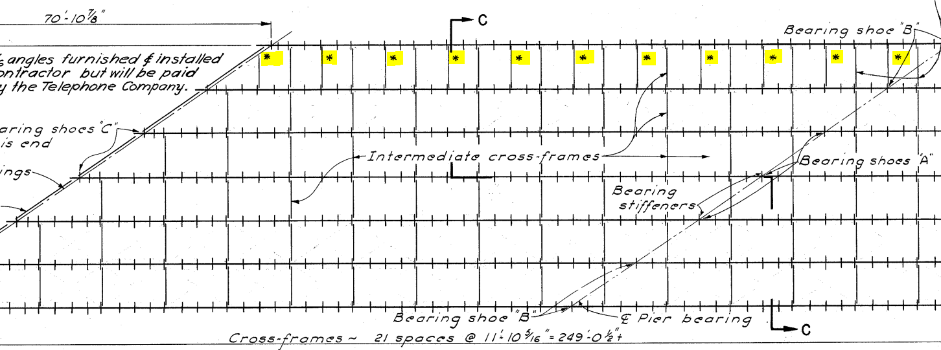

 | Note: | These bottom chords (L 5x5x5/16) shall not be considered as bracing. However, the loads
 | of these bottom chords shall be included in the analysis.

 | Wt of L 5x5x5/16 member per ft |  |  |  |  | = | 0.0103 | k/ft | (AISC)
 | Length of member |  |  |  |  | = | 8 | ft
 | Wt. of half member |  |  |  |  | = | 0.0412 | kip
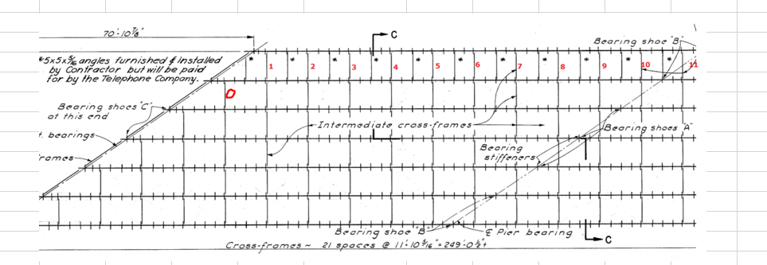

 | Note: | The bracing 10 include an additional bottom chord L 5x5x5/16.

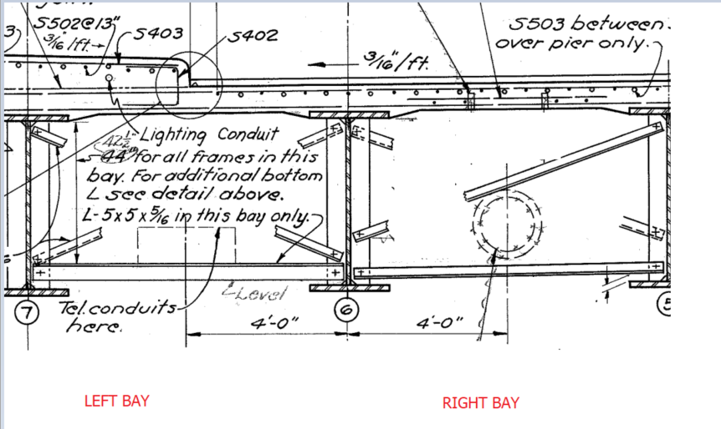

 | The CF Loads will be compared b/w typical section (50" web) and the maximum depth section (67.5")
Case 1
 | Left Bay Loads (Typical Section, 50" Web)
 | Diagonals (L3x3x5/16)
 |  | Horizontal length |  |  | = | 8 | ft | (Consider Beam Spacing)
 |  | Vertical Length |  |  | = | 3.4583333333 | ft | (Conservative)
 |  | Resultant Length |  |  | = | 8.7155074118 | ft
 |  | Wt. per ft |  |  | = | 0.0061 | k/ft | (AISC)
 |  | Wt. total (2 diagonals) |  |  | = | 0.10632919042 | kip
 | Bottom (L 5x5x5/16)
 |  | Length |  |  | = | 8 | ft
 |  | Wt. per ft |  |  | = | 0.0103 | k/ft | (AISC)
 |  | Wt. total (1 bottom member) |  |  | = | 0.0824 | kip

 |  | Total Wt. of Left Bay CF |  |  | = | 0.18872919042 | kip
 |  | Half Wt. of Left Bay CF |  |  | = | 0.094364595212 | kip

 | Right Bay Loads (Typical Section, 50" Web)
 | Diagonals (L3x3x5/16)
 |  | Horizontal length |  |  | = | 8 | ft | (Consider Beam Spacing)
 |  | Vertical Length |  |  | = | 3.6666666667 | ft | (Conservative)
 |  | Resultant Length |  |  | = | 8.8002525216 | ft
 |  | Wt. per ft |  |  | = | 0.0061 | k/ft | (AISC)
 |  | Wt. total (2 diagonals) |  |  | = | 0.10736308076 | kip
 | Bottom (L3x3x5/16)
 |  | Length |  |  | = | 8 | ft
 |  | Wt. per ft |  |  | = | 0.0061 | k/ft | (AISC)
 |  | Wt. total (1 bottom member) |  |  | = | 0.0488 | kip

 |  | Total Wt. of Right Bay CF |  |  | = | 0.15616308076 | kip
 |  | Half Wt. of Right Bay CF |  |  | = | 0.078081540382 | kip

 | Total CF Load on the Interior girder for case 1 (Typical) |  |  |  | = | 0.17244613559 | kip | (Half left bay+Half right bay)

Case 2

 | Left Bay Loads (67.5" Web)
 | Diagonals (L3x3x5/16)
 |  | Horizontal length |  |  | = | 8 | ft | (Consider Beam Spacing)
 |  | Vertical Length |  |  | = | 4.9166666667 | ft | (17.5" added to 42.5" from typical section)
 |  | Resultant Length |  |  | = | 9.3900804635 | ft
 |  | Wt. per ft |  |  | = | 0.0061 | k/ft | (AISC)
 |  | Wt. total (2 diagonals) |  |  | = | 0.11455898165 | kip
 | Bottom (L5x5x5/16)
 |  | Length |  |  | = | 8 | ft
 |  | Wt. per ft |  |  | = | 0.0103 | k/ft | (AISC)
 |  | Wt. total (1 bottom member) |  |  | = | 0.0824 | kip

 |  | Total Wt. of Left Bay CF |  |  | = | 0.19695898165 | kip
 |  | Half Wt. of Left Bay CF |  |  | = | 0.098479490827 | kip

 | Right Bay Loads (67.5" Web)
 | Diagonals (L3x3x5/16)
 |  | Horizontal length |  |  | = | 8 | ft | (Consider Beam Spacing)
 |  | Vertical Length |  |  | = | 5.125 | ft | (Conservative)
 |  | Resultant Length |  |  | = | 9.5008223328 | ft
 |  | Wt. per ft |  |  | = | 0.0061 | k/ft | (AISC)
 |  | Wt. total (2 diagonals) |  |  | = | 0.11591003246 | kip
 | Bottom (L3x3x5/16)
 |  | Length |  |  | = | 8 | ft
 |  | Wt. per ft |  |  | = | 0.0061 | k/ft | (AISC)
 |  | Wt. total (1 bottom member) |  |  | = | 0.0488 | kip

 |  | Total Wt. of Right Bay CF |  |  | = | 0.16471003246 | kip
 |  | Half Wt. of Right Bay CF |  |  | = | 0.08235501623 | kip

 | Total CF Load on the Interior girder for case 2 |  |  |  | = | 0.18083450706 | kip | (Half left bay+Half right bay)

The difference between case 1 and 2 is |  |  | 0.008388371464 | kip. For span with parabolic haunch, the average of two will be considerd for simplicity.
For span with constant web depth, use case 1 load values. Addtionally for bracing 10, add additional bottom chord half weight.

CF Load for span with constant web depth (BR 1 to 6) |  |  |  |  | = | 0.17244613559 | kip
CF Load for span with parabolic haunch (BR 7 to 9) |  |  |  |  | = | 0.17664032133 | kip
CF Load for span with parabolic haunch (BR 10) |  |  |  |  | = | 0.21784032133 | kip
CF Load for span with constant web depth (BR 0) |  |  |  |  | = | 0.078081540382 | kip
Including 15% contigency

CF Load for span with constant web depth (BR 1 to 6) |  |  |  |  | = | 0.19831305593 | kip
CF Load for span with parabolic haunch (BR 7 to 9) |  |  |  |  | = | 0.20313636952 | kip
CF Load for span with parabolic haunch (BR 10) |  |  |  |  | = | 0.25051636952 | kip
CF Load for span with constant web depth (BR 0) |  |  |  |  | = | 0.089793771439 | kip

Note: 11 additional bottom members (L 5x5x5/16, to support telephone utility) shall be added in the loads

Additional load from 11-Ls (5x5x5/16) |  |  |  |  | = | 0.4532 | kips

STIFFENERS
 | STIFFENERS


1 | BRG Stiffener over Abut.
 |  | Width |  | = | 10 | in
 |  | Depth |  | = | 50 | in
 |  | Thickness |  | = | 0.625 | in
 |  | Volume |  | = | 312.5 | in3
 |  | Wt. (both sides) |  | = | 0.17722800926 | kip
 |  | Wt. (both sides with 15% contigency) |  | = | 0.20381221065 | kip

2 | BRG Stiffener over Pier
 |  | Width |  | = | 11 | in
 |  | Depth |  | = | 67.5 | in
 |  | Thickness |  | = | 1 | in
 |  | Volume |  | = | 742.5 | in3
 |  | Wt. (both sides) |  | = | 0.42109375 | kip
 |  | Wt. (both sides with 15% contigency) |  | = | 0.4842578125 | kip


3 | Intermediate transverse stiffners (typical 50" web)
 |  | Width |  | = | 7 | in
 |  | Depth |  | = | 50 | in
 |  | Thickness |  | = | 0.4375 | in
 |  | Volume |  | = | 153.125 | in3
 |  | Wt. (both sides) |  | = | 0.086841724537 | kip
 |  | Wt. (both sides with 15% contigency) |  | = | 0.099867983218 | kip

4 | Intermediate transverse stiffners (For the parabolic haunch section)
 | Average of typical (50 inches) and maximum web depth (67.5") is considered for this section
 |  | Width |  | = | 7 | in
 |  | Depth |  | = | 67.5 | in
 |  | Thickness |  | = | 0.4375 | in
 |  | Volume |  | = | 206.71875 | in3
 |  | Wt. (both sides) |  | = | 0.11723632812 | kip
 |  | Average |  | = | 0.10203902633 | kip
 |  | Average (with 15% contigency) |  | = | 0.11734488028 | kip

TYPE |  |  | LOAD (KIP) | NO. OF LOADS |  | TOTAL LOADS (KIP) | SPAN (FT)
BRG Stiff over Abut. |  |  | 0.2038 | 1 |  | 0.2038 | 128.44
BRG Stiffener over Pier |  |  | 0.4843 | 1 |  | 0.4843
Int transverse stiffners (typical 50" web) |  |  | 0.0999 | 25 |  | 2.4967
Int transverse stiffners (Parabolic section) |  |  | 0.1173 | 18 |  | 2.1122
 |  |  | Total Loads (Concentrated) |  |  | 5.2970
 |  |  |  |  |  | TOTAL LOADS (K/FT)
 |  |  | Total Loads (UDL) |  |  | 0.0412 | (WAS)

