DL (Sidewalk, Railing, Barrier)
 |  |  |  |  |  |  |  | Subject | Line Girder Analysis (Prop.) |  |  | Project | FRA-3-19.36
 |  |  |  |  |  |  |  | Exterior Girder Loads (MDX) |  |  |  | Sheet # | 1 | of
 |  |  |  |  |  |  |  | Author | Asad | Date | 2022-10-03 | Checker | FBW | Date

DESIGN STANDARDS

 | AASHTO LRFD Bridge Design Specifications

PURPOSE

 | CALCULATE DEAD LOAD INPUTS FOR MDX

DATA

 | SLABT (MDX) = |  |  |  | 8.5 | INCHES
 | SLABWEAR (MDX) = |  |  |  | 1 | INCHES |  | (MONOLITHIC WEARING SURFACE, BDM 309.3.2)

 |  |  | TSLABW = |  | 96 | INCHES |  |  |  |  |  |  |  |  | Beam Spacing, S = |  | 8 | ft
 |  |  | ESLABW = |  | 96 | INCHES |  |  |  |  |  |  |  |  | Deck Overhang, D = |  | 4 | ft
 |  |  |  |  |  |  |  |  |  |  |  |  |  |  | Tslab,w,INT = |  | 96 | in
 |  |  |  |  |  |  |  |  |  |  |  |  |  |  | Tslab,w,EXT = |  | 96 | in

 | SIDEWALK + PARAPET (7 FT SIDEWALK & BR-2-15 ON BOTH SIDES)

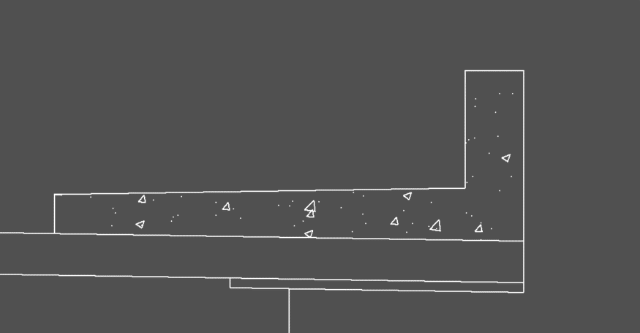

 | Area of sidewalk and parapet = |  |  | 8.34 | FT2 | (CAD Flood)
 |  |  |  |  |  |  |  |  |  |  |  |  |  |  |  | Sidewalk Thickness, Twalk = |  |  | 8 | in
 | Concrete Density = |  |  | 0.1500 | K/FT3 |  |  |  |  |  |  |  |  |  |  | Sidewalk Width, Wwalk = |  |  | 7 | ft
 |  |  |  |  |  |  |  |  |  |  |  |  |  |  |  | Sidewalk Cross Slope = |  |  | 0.02 | ft/ft
 | Load per ft. per girder= |  |  | 0.3574 | K/FT |  | (Apply as a composite load and divide equally into 7 beams) |  |  |  |  |  |  |  |  | Sidewalk Thickness @ Toe of Parapet = |  |  | 8.14 | in
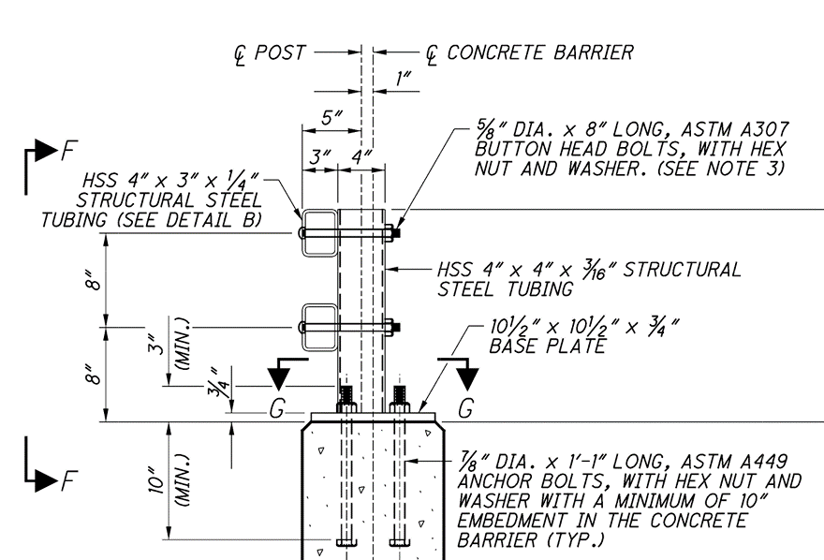
 |  |  |  |  |  |  |  |  |  |  |  |  |  |  |  | Parapet Type |  |  | BR-2-15
 | RAILING +FENCE |  |  |  |  |  |  |  |  |  |  |  |  |  |  | Parapet Width, Pw = |  |  | 12 | in
 |  |  |  |  |  |  |  |  |  |  |  |  |  |  |  | Parapet Height above Walk, Ph = |  |  | 24 | in
 |  | 2-HSS 4" x 3" x 1/4" Wt. = |  | 0.0210 | K/FT | (AISC) |  |  |  |  |  |  |  |  |  | Unit Weight of Parapet = |  |  | 1.107875 | k/ft/parapet
 |  |  |  |  |  |  |  |  |  |  |  |  |  |  |  | No. of Parapets = |  |  | 2
1 POST-HSS 4" x 4" x 3/16" Wt. = |  |  |  | 0.0141 | K | (AISC) | (For 1.5' LENGTH) |  |  |  |  |  |  |  |  | No. of Girders = |  |  | 7
 |  |  |  |  |  |  |  |  |  |  |  |  |  |  |  | Unit Load per Girder = |  |  | 0.31653571429
10.5" x 10.5" x 3/4" Base Pl. = |  |  |  | 0.0234 | K

SPACING B/W POSTS = |  |  |  | 7.0000 | FT | (Assume 7 ft SPA. b/w posts)

RAILING WT. = |  |  |  | 0.0264 | K/FT

 |  |  |  |  |  |  |  | Subject | Line Girder Analysis (Prop.) |  |  | Project | FRA-3-19.36
 |  |  |  |  |  |  |  | Exterior Girder Loads (MDX) |  |  |  | Sheet # | 1 | of
 |  |  |  |  |  |  |  | Author | Asad | Date | 2022-10-03 | Checker | FBW | Date

 | Assume 50 pounds per ft for vandal fence conservatively

Weight both sides (Railing + Posts + Fence)= |  |  |  | 0.0218 | K/FT | (Apply as a composite load and divide equally into 7 beams)

 | Add 15% contigency

 | Total weight (with 15% contigency)= |  |  | 0.0251 | K/FT

 | WSDL = |  |  | 0.3825 | K/FT

FWS
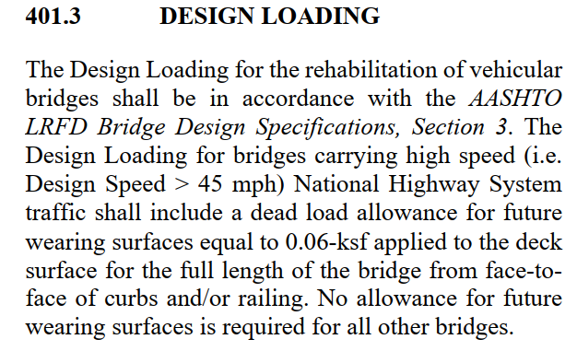
 | Future Wearing Surface (Acting as Composite)

 |  | Area Load | = | 0.06 | KSF | (BDM)
 |  | Roadway toe to toe distance | = | 0 | FT
 |  | Load per Girder | = | 0 | K/FT

Apply as "Wear" in MDX

HAUNCH
 | CONCRETE WEIGHT = | 0.1500 | K/CFT

Area Haunch = |  | 0.8330 | SQ FT | (CAD FLOOD)
HAUNCH LOAD PER FT = |  | 0.1249 | K/FT

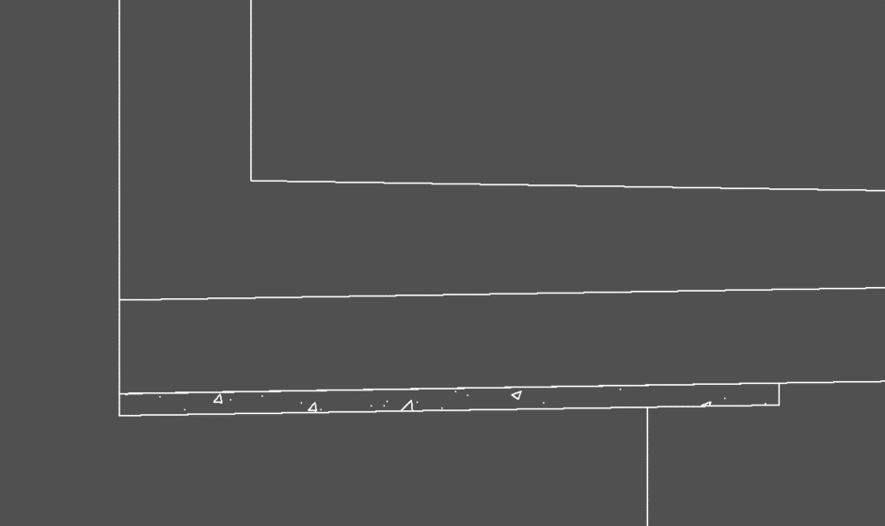

 |  |  |  |  | Deck Overhang, D = | 4 | ft
 |  |  |  |  | Haunch Thickness for Wt = | 2 | in
 |  |  |  |  | Top Flange Width = | 24
 |  |  |  |  | Top Flange Thickness = | 2
 |  |  |  |  |  | 0.2000 | k/ft

OVERHANG HAUNCH LOAD= |  | 0.124950 | K/FT

I'm coming up with a value closer to 0.20 k/ft

END DIA
End CF

Diagonal Members (Ls 4x4x5/16)
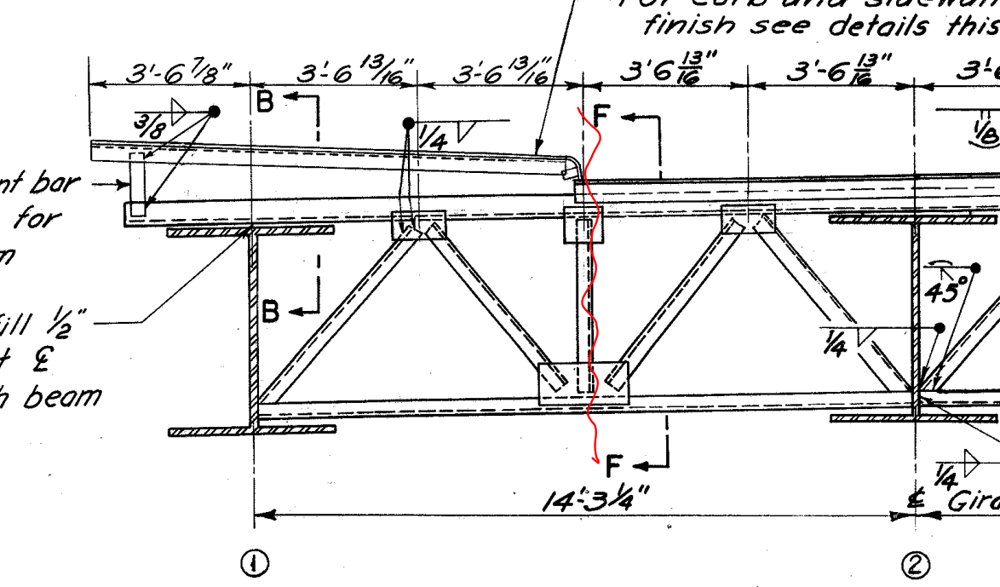
Horizontal Length of member | = | 3.5677083333 | ft
Girder web + Top flange | = | 4.3333333333 | ft
Vertical Length of member | = | 3.75 | ft | (Approx.)
Resultant Length of member | = | 5.1760064482 | ft
Length for 2 diagonal members | = | 10.352012896 | ft
Weight of member per ft | = | 0.0082 | k/ft | (AISC)
Total weight of member | = | 0.08488650575 | kip

Bottom Member (Ls 4x4x5/16)

Length of member | = | 7.1354166667 | ft
Weight of member per ft | = | 0.0082 | k/ft | (AISC)
Total weight of member | = | 0.058510416667 | kip

Top Member (Ls 6x4x5/8)& (Ls 8x6x7/8)

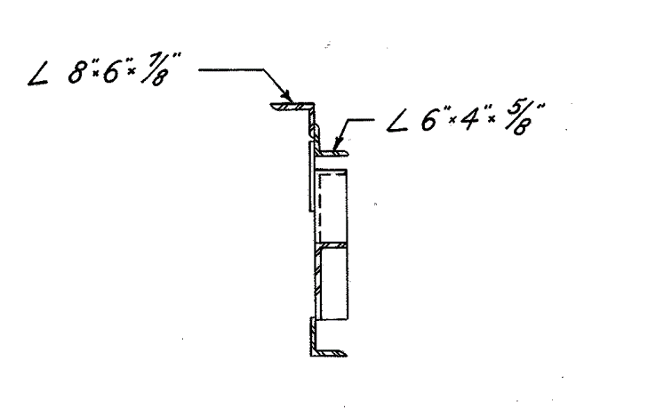
Length of member (L6x4x5/8) | = | 9.203125 | ft | (Approx.)
Length of member (L8x6x7/8) | = | 10.870361328 | ft | Consider 3/16" slope per ft
Weight of Ls 6x4x5/8 per ft | = | 0.02 | k/ft | (AISC)
Weight of Ls 6x4x5/8 | = | 0.1840625 | kip
Weight of Ls 8x6x7/8 per ft | = | 0.0391 | k/ft | (AISC)
Weight of Ls 8x6x7/8 | = | 0.42503112793 | kip

Vertical Member (Ls 4x4x5/16)

Length of members | = | 3.75 | ft
Weight of member per ft | = | 0.0082 | k/ft
Half weight of member | = | 0.015375 | kip

Total Wt of End CF | = | 0.76786555035 | kip
Add 15% contigency for connections
Total Wt of End CF | = | 0.8830453829 | kip

INT DIA
 | Intermediate Diphragm

 | The crossframes diagonal members length vary across the length of the girder due to parabolic haunch.
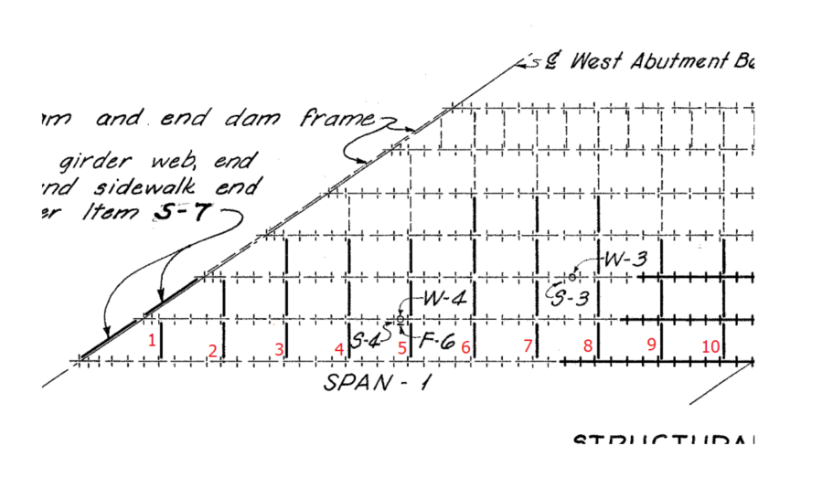
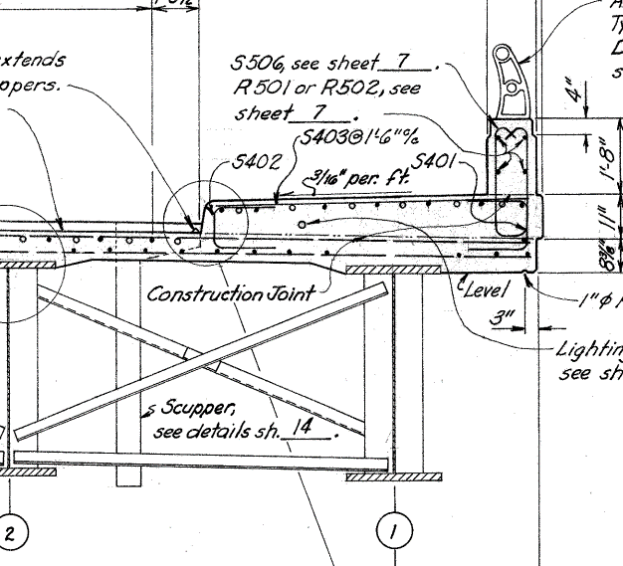

 | The CF Loads will be compared b/w typical section (50" web) and the maximum depth section (67.5")
Case 1
 | Left Bay Loads (Typical Section, 50" Web)
 | Diagonals (L3x3x5/16)
 |  | Horizontal length |  |  | = | 8 | ft | (Consider Beam Spacing)
 |  | Vertical Length |  |  | = | 3.6666666667 | ft
 |  | Resultant Length |  |  | = | 8.8002525216 | ft
 |  | Wt. per ft |  |  | = | 0.0061 | k/ft | (AISC)
 |  | Wt. total (2 diagonals) |  |  | = | 0.10736308076 | kip
 | Bottom (L3x3x5/16)
 |  | Length |  |  | = | 8 | ft
 |  | Wt. per ft |  |  | = | 0.0061 | k/ft | (AISC)
 |  | Wt. total (1 bottom member) |  |  | = | 0.0488 | kip

 |  | Total Wt. of Left Bay CF |  |  | = | 0.15616308076 | kip
 |  | Half Wt. of Left Bay CF |  |  | = | 0.078081540382 | kip

 | Total CF Load on the Exterior girder for case 1 (Typical) |  |  |  | = | 0.078081540382 | kip | (Half left bay)

Case 2

 | Left Bay Loads (67.5" Web)
 | Diagonals (L3x3x5/16)
 |  | Horizontal length |  |  | = | 8 | ft | (Consider Beam Spacing)
 |  | Vertical Length |  |  | = | 5.125 | ft
 |  | Resultant Length |  |  | = | 9.5008223328 | ft
 |  | Wt. per ft |  |  | = | 0.0061 | k/ft | (AISC)
 |  | Wt. total (2 diagonals) |  |  | = | 0.11591003246 | kip
 | Bottom (L3x3x5/16)
 |  | Length |  |  | = | 8 | ft
 |  | Wt. per ft |  |  | = | 0.0061 | k/ft | (AISC)
 |  | Wt. total (1 bottom member) |  |  | = | 0.0488 | kip

 |  | Total Wt. of Left Bay CF |  |  | = | 0.16471003246 | kip
 |  | Half Wt. of Left Bay CF |  |  | = | 0.08235501623 | kip

 | Total CF Load on the Exterior girder for case 2 |  |  |  | = | 0.08235501623 | kip | (Half left bay)

The difference between case 1 and 2 is |  |  | 0.0042734758483 | kip. For span with parabolic haunch, the average of two will be considerd for simplicity.
For span with constant web depth, use case 1 load values.

CF Load for span with constant web depth (BR 1 to 6) |  |  |  |  | = | 0.078081540382 | kip
CF Load for span with parabolic haunch (BR 7 to 10) |  |  |  |  | = | 0.080218278306 | kip

Including 15% contigency

CF Load for span with constant web depth (BR 1 to 6) |  |  |  |  | = | 0.089793771439 | kip
CF Load for span with parabolic haunch (BR 7 to 10) |  |  |  |  | = | 0.092251020052 | kip

STIFFENERS
 | STIFFENERS

1 | BRG Stiffener over Abut.
 |  | Width |  | = | 10 | in
 |  | Depth |  | = | 50 | in
 |  | Thickness |  | = | 0.625 | in
 |  | Volume |  | = | 312.5 | in3
 |  | Wt. (both sides) |  | = | 0.17722800926 | kip
 |  | Wt. (both sides with 15% contigency) |  | = | 0.20381221065 | kip
2 | BRG Stiffener over Pier
 |  | Width |  | = | 11 | in
 |  | Depth |  | = | 67.5 | in
 |  | Thickness |  | = | 1 | in
 |  | Volume |  | = | 742.5 | in3
 |  | Wt. (both sides) |  | = | 0.42109375 | kip
 |  | Wt. (both sides with 15% contigency) |  | = | 0.4842578125 | kip
3 | Intermediate transverse stiffners (typical 50" web)
 |  | Width |  | = | 7 | in
 |  | Depth |  | = | 50 | in
 |  | Thickness |  | = | 0.4375 | in

 |  | Volume |  | = | 153.125 | in3
 |  | Wt. (both sides) |  | = | 0.086841724537 | kip
 |  | Wt. (both sides with 15% contigency) |  | = | 0.099867983218 | kip
4 | Intermediate transverse stiffners (For the parabolic haunch section)
 | Average of typical (50 inches) and maximum web depth (67.5") is considered for this section
 |  | Width |  | = | 7 | in
 |  | Depth |  | = | 67.5 | in
 |  | Thickness |  | = | 0.4375 | in
 |  | Volume |  | = | 206.71875 | in3
 |  | Wt. (both sides) |  | = | 0.11723632812 | kip
 |  | Average |  | = | 0.10203902633 | kip
 |  | Average (with 15% contigency) |  | = | 0.11734488028 | kip

TYPE |  |  | LOAD (KIP) | NO. OF LOADS |  | TOTAL LOADS (KIP) | SPAN (FT)
BRG Stiff over Abut. |  |  | 0.2038 | 1 |  | 0.2038 | 128.44
BRG Stiffener over Pier |  |  | 0.4843 | 1 |  | 0.4843
Int transverse stiffners (typical 50" web) |  |  | 0.0999 | 26 |  | 2.5966
Int transverse stiffners (Parabolic section) |  |  | 0.1173 | 18 |  | 2.1122
 |  |  | Total Loads (Concentrated) |  |  | 5.3968
 |  |  |  |  |  | TOTAL LOADS (K/FT)
 |  |  | Total Loads (UDL) |  |  | 0.0420 | (WAS)

