Min. Support Lengths
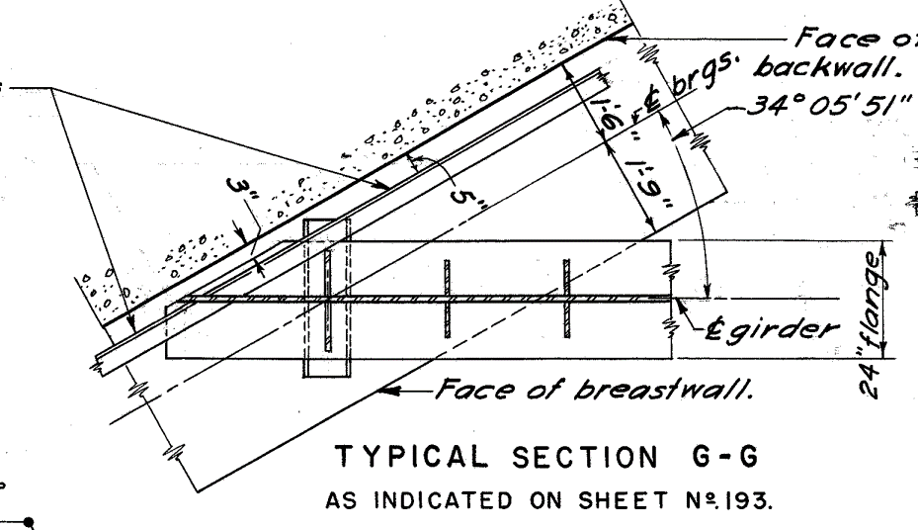
 |  |  |  |  | Subject | Min. Connection Lengths |  |  | Project | FRA-71-19.36
 |  |  |  |  | Expansion BRG at Abut. |  |  |  | Sheet # | 1 | of | 2
 |  |  |  |  | Author | Asad | Date | 2022-10-14 | Checker | MJR | Date

Minimum Support Length Requirements |  |  |  | BDM 303.1.4.1.a & LRFD 9th Ed. 4.7.4.4 for seismic zone 1

 | L | = | 266.68 | FT | (Length b/w adjacent expansion joints, bridge length)
 | H | =
Column average heights

 | Bot. of FTG elev. | = | 793.9 | FT | (Record Plans)
 | Depth of FTG | = | 3 | FT | (Record Plans)
 | Top of FTG elev. | = | 790.9 | FT
 | Top of Col. 1 elev. | = | 813.97 | FT | (Record Plans) |  | Col. 1 Ht |  | = | 23.07 | FT
 | Top of Col. 2 elev. | = | 814.23 | FT | (Record Plans) |  | Col. 2 Ht |  | = | 23.33 | FT
 | Top of Col. 3 elev. | = | 814.48 | FT | (Record Plans) |  | Col. 3 Ht |  | = | 23.58 | FT
 | Top of Col. 4 elev. | = | 814.72 | FT | (Record Plans) |  | Col. 4 Ht |  | = | 23.82 | FT
 | Top of Col. 5 elev. | = | 814.68 | FT | (Record Plans) |  | Col. 5 Ht |  | = | 23.78 | FT
 | Top of Col. 6 elev. | = | 814.63 | FT | (Record Plans) |  | Col. 6 Ht |  | = | 23.73 | FT
 | Top of Col. 7 elev. | = | 814.57 | FT | (Record Plans) |  | Col. 7 Ht |  | = | 23.67 | FT

 | Average Ht. of a column | = | 23.568571429 | FT

 | Skew | = | 55.9025 | Deg

 | N | = | 21.16 | In

Thermal Movement

 | Expansion Coefficient, α | = | 0.0000065 | 1 / deg F
 | Tmax | = | 120 | F
 | Tmin | = | -30 | F
 | Construction Temp. | = | 60 | F
 | Delt_T | = | 90 | F
 | Span Expansion Length | = | 770.64 | In
 | Thermal Force | = | 0.4508244 | In

Total Required Beam Seat |  | = | 21.968389188 | In
Available Beam Seat |  | = | 36 | In | (Record Plans)
Requirement |  | = | OK

