Elastic Response
 |  |  |  |  |  |  | Subject | Pier Connection |  |  | Project | FRA-71-19.36
 |  |  |  |  |  |  | Forces EQ |  |  |  | Sheet # | 1 | of | 2
 |  |  |  |  |  |  | Author | Asad | Date | 2022-10-13 | Checker | MJR | Date

Geotechnical Information

Surface Elev. |  |  |  | = | 819.5 | ft | (Boring Logs)
Bottom of FTG. Elev. |  |  |  | = | 793.9 | ft | (Record Plans)
Depth to Bottom FTG. |  |  |  | = | 25.6 | ft

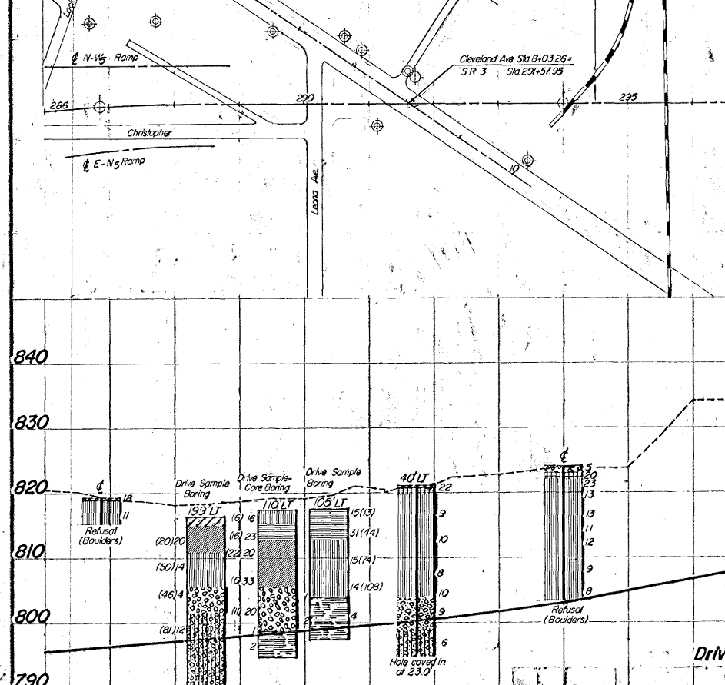

Note: | Per email by NEAS (Geotechnical Engineer) on 10/14/2022: a Seismic Site Class of D - Stiff Soil, is recommended.

Elastic seismic response parameters

Risk Category |  |  |  |  | = | 1
Soil classification (Class/type) |  |  |  |  | = | 'D' |  | (Default/Stiff Soil)
PGA (Peak Ground Acceleration, Site Class D) |  |  |  |  | = | 0.059 |  | (ASCE 7-16 Seismic Hazard Tool & ATC Hazard Tool)
FPGA (Site Factor) |  |  |  |  | = | 1.6 |  | AASHTO LRFD 9TH ED. TABLE 3.10.3.2-1
As (Acceleration Coefficient) |  |  |  |  | = | 0.094 |  | AASHTO LRFD 9TH ED. EQN 3.10.4.2-2
25% of Permanent D.L shall be considered for horizontal seismic force (LRFD 3.10.9.2)

Total Unfactored Dead Loads, Kip (MDX Models)
 | DC1 | DC2
 | 252.06 | 63.36
 | 228.96 | 63.36
 | 228.96 | 63.36
 | 228.96 | 63.36
 | 228.96 | 63.36
 | 242.26 | 63.36
 | 265.45 | 63.36
Total DL (DC1 + DC2) | 2119.13 | kip
# of Gir | 7 |  | (No. of beams)
DL per Gir | 302.73285714 | kip | (Dead Load on each girder)
25% DL (per Gir) | 75.683214286 | kip | (25% of DL for EQ forces)
# of Bolts per BRG | 2 |  | (Total # of bolts per BRG)
Horiz. Force per Bolt | 37.842 | kip | (Design Shear)

Scope: Check for minimum supports length for horizontal displacements at abutments and bearings strength at pier
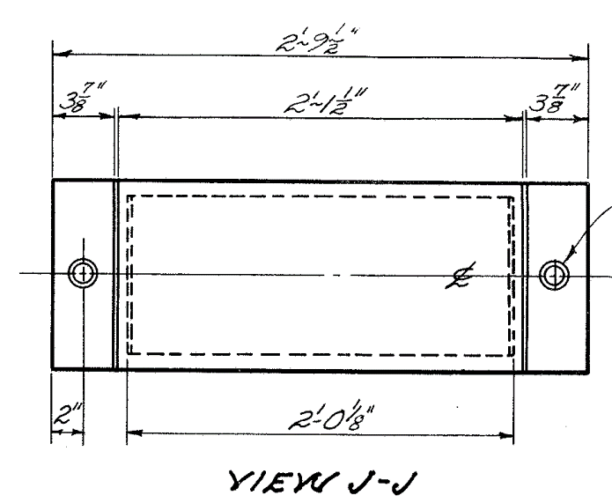
Anchor Bolts Edge Distances & Spacing

BRG PL. Width | 2.792 | Ft
Dist. b/w bolts | 2.4583 | Ft | (Bolt line dia)
Exis. Column Dia | 3.3333 | Ft
Min. Edge Distance | 5.2500 | In

