FRA-71_19.36_QtyCalc
FRA-71-19.36 (PID 109164)
BRIDGE NO. FRA-71-19.36 |  |  |  |  |  |  |  |  | Designed By: | MAN | Date: | 18-Apr-23
FRA-71 UNDER CLEVELAND AVE. |  |  |  |  |  |  |  |  | Checked By: | FBW | Date: | 18-Apr-23
ESTIMATED QUANTITIES

ITEM NO. | 511E32212 | CLASS QC2 CONCRETE WITH QC/QA, SUPERSTRUCTURE |  |  |  |  | CY
Deck:
 | Plan Area = | 15023.0 | SF | (CAD Flood for proposed plan)
 | Slab Thickness = | 8.50 | IN | (Design slab thickness)

 | Volume (Slab) = | 10641.3 | CF

 | Topping Thickness:
 | Span 1
 | Beam | T (Rear) | T (Mid) | T (Fwd) | Average T | Length | FL Width | No. Beams | Vol. (cf)
 | B1, B7 | 2.00'' | 2.00'' | 2.00'' | 2.00'' | 128.44' | 5.00' | 2 | 214.1
 | B2-B6 | 2.00'' | 2.00'' | 2.00'' | 2.00'' | 128.44' | 2.00' | 5 | 214.1

 | Span 2
 | Beam | T (Rear) | T (Mid) | T (Fwd) | Average T | Length | FL Width | No. Beams | Vol. (cf)
 | B1, B7 | 2.00'' | 2.00'' | 2.00'' | 2.00'' | 128.44'' | 5.00' | 2 | 214.1
 | B2-B6 | 2.00'' | 2.00'' | 2.00'' | 2.00'' | 128.44'' | 2.00' | 5 | 214.1

 |  |  |  |  |  |  |  | Volume (Topping) = | 856.3 | CF

 | Volume (Deck) = | 11497.6 | CF

 | TOTAL = | 549 | CY

Haunch:

 |  | Sacrifical Haunch Thicness = | 2.25 | IN |  | (Conisder Max Thickness for 2" Thick Flange Conservatively)
 |  | Average Beam Length = | 256.88 | FT |  | (Consider Total Bridge Length)
 |  | Thickness of Flange = | 2.00 | FT

 |  | Volume of Haunch Qty. for One Beam = | 96.33 | CF
 |  | Total Beams = | 7.00 | EACH |  | (Consider Beams for Entire Bridge Length)

 |  | Volume of Haunch Qty. for 7 Beam = | 674.31 | CF
 |  | Volume of Haunch Qty. for 7 Beam = | 25 | CY

Abutment Diaphragm:

 |  | Assumed Elastomeric Brg Thickness = | 4 | IN
 |  | Assumed HP Pedestal Height = | 6 | IN
 |  | Bottom Load Plate = | 2 | IN
Bearing Height (exlcluding elastormeric pad) = |  |  | 8 | IN
 |  | Beam Depth = | 54
 |  | Bottom Flange Thickness @ Abut. = | 2 |  |  | (Record Plans, 1958)
 |  | Web Height @ Abut. = | 50 |  |  | (Record Plans, 1958)
 |  | Top Flange Thickness @ Abut. = | 2 |  |  | (Record Plans, 1958)

 |  | Sacrificial Haunch Thickness = | 2.25 | IN
 |  | Deck Thickness = | 8.50 | IN
 |  | Approach Slab Thickness = | 17 | IN
 |  | Diaphragm Height = | 4.50 | FT

 |  | Diaphragm Width = | 3.25 | FT |  | (Record Plans, 1958)

 |  | Length of Abutment Diaphragm (FA & RA) = | 90.98 | FT |  | (Record Plans, 1958)

 |  | Vol. of Abut. Diap. Concrete (RA) = | 1330.57 | CF
 |  | Vol. of Abut. Diap. Concrete (FA) = | 1330.57 | CF

 |  | Total = | 2661.14 | CF
 |  | Subtract 1% of Volume for Girders Area
 |  | 1% of Vol = | 26.6114 | CF

 |  | Resultant Concrete Vol. = | 2634.53 | CF
 |  | Resultant Abutment Diap. Concrete Vol. = | 98 | CY

ITEM NO. | 511E34450 | CLASS QC2 CONCRETE WITH QC/QA, BRIDGE DECK (PARAPET) |  |  |  |  |  | CY

 | Volume (Parapet) = | 48.0 | CY

 | TOTAL | 49 | CY

ITEM NO. | 511E51510 | CLASS QC2 CONCRETE, SIDEWALK |  |  | CY

 | Volume (Sidewalk) = | 123.2 | CY | (Both sides)

 | TOTAL = | 124 | CY

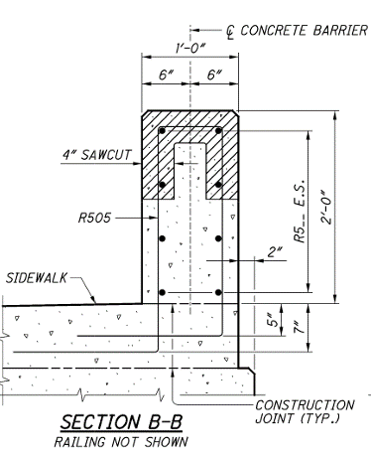
ITEM NO. | 512E10100 | SEALING OF CONCRETE SURFACES (EPOXY-URETHANE) |  |  |  |  | SY
Parapets:

 |  | Length 1 of Appr. Slab (Section M-M) = | 1.50 | FT | (Record Plans & Std. Dwg. AS-1-15)
 |  | Perimeter of Section M-M = | 5.96 | FT | (Record Plans & Std. Dwg. AS-1-15)
 |  | Surface area for the section M-M = | 35.75 | SF | (2 sections FWD appr + 2 sections REAR appr = 4 Total)
 |  | Length 1 of Appr. Slab (Section L-L) = | 5.00 | FT | (Record Plans & Std. Dwg. AS-1-15)
 |  | Perimeter of Section L-L = | 8.00 | FT | (Record Plans & Std. Dwg. AS-1-15)
 |  | Surface area for the section L-L = | 160.0 | SF | (2 sections FWD appr + 2 sections REAR appr = 4 Total)
 |  | Length of deck (Section B-B) = | 266.7 | FT
 |  | Perimeter of Section B-B = | 5.0 | FT | (Record Plans & Std. Dwg. AS-1-15)
 |  | Surface area for the section B-B = | 2666.8 | SF | Deck Length*2 (For both sides of the deck)

 |  | Parapets Sealing Area = | 319.0 | SY

Deck: |  |  |  |  |  |  |  |  | Abutment Diaphragm Front Face:
 |  | Deck Thickness = | 1.042 | FT | (At overhang) |  |  |  |  |  | RA Abutment Diap. Ht. = | 4.500 | FT
 |  | Deck Length = | 266.7 | FT |  |  |  |  |  |  | RA Abutment Diap. Length. = | 90.98 | FT
 |  | Area (Deck Edge) = | 555.6 | SF | (For both edges of deck) |  |  |  |  |  | RA Front Face Area = | 409.40625 | SF
 |  | Width = | 6.0 | IN | (Width of sealing under the deck edge) |  |  |  |  |  | FA Front Face Area = | 409.40625 | SF | (Similar to RA)
 |  | Area (Deck Underneath) = | 3200.2 | SF | (Area of sealing under the deck edge) |  |  |  |  |  | Total Sealing Area for Abutment Diaphragms = | 95 | SY

 |  | Deck Sealing Area = | 418.0 | SY

Piers: |  |  |  |  |  |  |  |  | Sidewalks:

 |  | Shortest Column top Elev. = | 814.0 | FT |  |  |  |  |  |  | Total Width of Sidewalk = | 7.667 | FT
 |  | Tallest Column top Elev. = | 814.6 | FT |  |  |  |  |  |  | Total Length = | 266.68 | FT
 |  | Footing Bottom Elev. = | 793.9 | FT |  |  |  |  |  |  | No. of Sidewalks = | 2.000
 |  | FTG Thickness = | 3.0 | FT |  |  |  |  |  |  | Surface Area = | 454.34 | SY
 |  | FTG Top Elev. = | 796.9 | FT
 |  | Average Ht. of Column = | 17.4 | FT
 |  | No. of Columns = | 7.0
 |  | Dia of a column = | 3.3 | FT
 |  | Perimeter of a column = | 10.5 | FT
 |  | Surface area of one column = | 181.9 | SF

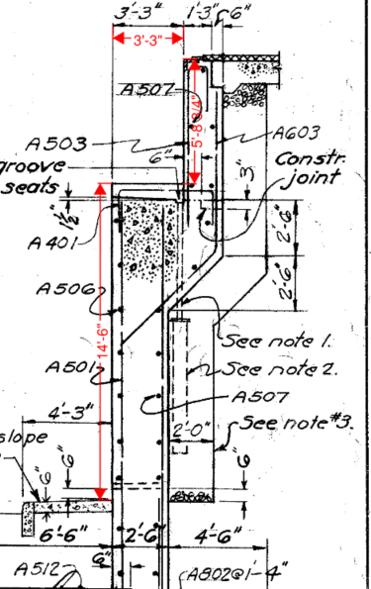
 |  | Surface area of all columns = | 142.0 | SY

Abutments (Consider existing abutments):

 |  | East & West Abutment Length = | 94.7 | FT | (Record plans, 1958)
 |  | East & West Abutment Exposed Perimeter = | 23.5 | FT
 |  | East & West Abutment stem & seat area = | 495.0 | SY | (Includes both East & West Abutments)

Abutment Wingwalls:

 | For abutment wingwalls, consider it a right angle triangular area with hypotenuse as the ground line.
 | All dimensions shall be taken from record plans and are scaled appropriately in SF units.

 |  | WW Number | S.W Wingwall |  | N.W Wingwall |  | S.E Wingwall |  | N.E Wingwall
 |  | Area | 755.3 |  | 1239.5 |  | 1321.4 |  | 870.31
 |  | Total Area | 4186.5 | SF
 |  | Add 15% Contigency
 |  | Total Area | 535.0 | SY

 | TOTAL = | 2459 | SY

ITEM NO. | 607E39910 | VANDAL PROTECTION FENCE, 8' STRAIGHT, COATED FABRIC |  |  |  |  |  | FT

Left Parapet:
 | Length = | 633.36 | FT

 | TOTAL = | 634 | FT

ITEM NO. | 526E30001 | REINFORCED CONCRETE APPROACH SLABS (T=17"), AS PER PLAN |  |  |  |  |  | SY

Rear Abutment:
 | Length = | 25.00 | FT
 | Width = | 56.33 | FT

 | Area (Rear) = | 1408.3 | SF

Fwd. Abutment:
 | Length = | 25.00 | FT
 | Width = | 56.33 | FT

 | Area (Fwd.) = | 1408.3 | SF

 | TOTAL = | 313 | SY

ITEM NO. | 526E90011 | TYPE A INSTALLATION, AS PER PLAN |  |  | FT

Rear Abutment:
 | Appr. Slab Width = | 100.49 | FT

Forward Abutment:
 | Appr. Slab Width = | 100.49 | FT

 | Length = | 201.0 | FT

 | TOTAL = | 201 | FT

ITEM NO. | 514 | FIELD PAINTING OF EXISTING STEEL |  |  | SF

 | Beam Depth (start)= |  | 4.5 | FT | (Record Plans, 1958) |  |  | --> For Additional CFs at the Pier Location
 | Beam Depth (End)= |  | 6 | FT | (Record Plans, 1958) |  |  |  | Perimeter of L 3x3x5/16 = | 1.0 | FT
 | Beam Depth, D (Average)= |  | 5.25 | FT |  |  |  |  | Length of diagonals = | 9.50082 | FT
 | Flange Width, Fw= |  | 2 | FT |  |  |  |  | No. of diagonals per CF = | 2
 | (2*D+3*Fw) = |  | 16.5 | FT | (CMS 514) |  |  |  | Surface Area of diagonals per CF = | 19.002 | SF
 | No. of Beams = |  | 14 |  |  |  |  |  | Length of Bot. Member = | 8 | FT
 | Length of one beam = |  | 128.44 | FT |  |  |  |  | Surface Area of Bot. member per CF = | 8 | SF
 | Total area (SF)= |  | 29993.659736 | SF |  |  |  |  | Total Surface area per CF = | 27.002 | SF
 | Add 25% contigency= |  | 37493 | SF |  |  |  |  | No. of CFs = | 12
 |  |  |  |  |  |  |  |  | Total Surface area = | 324.02 | SF

ITEM NO. | 509E10000 | EPOXY COATED REINFORCING STEEL |  |  | LBS

 |  | Steel for Superstructure = | 245 | LBS/CY
 |  | Steel for parapets = | 330 | LBS/CY
 |  | Steel for sidewalk = | 150 | LBS/CY
 |  | Concrete quantities (deck) = | 549 | CY
 |  | Concrete quantities (parapet) = | 49 | CY
 |  | Concrete quantities (sidewalk) = | 124 | CY
 |  | Steel for deck = | 134505 | LBS
 |  | Steel for parapets = | 16170 | LBS
 |  | Steel for sidewalk = | 18600 | LBS

 |  | Total Qty. of steel Reinf. = | 169275 | LBS

ITEM NO. | 516E13600 | 1" PREFORMED EXPANSION JOINT FILLER

 |  | Area of parapet (Section B-B) = | 288.0 | SQ IN
 |  | Total No. of Sections for 1" PEJF = | 4 |  | (2 for FWD Appr. Slab & 2 for REAR Appr. Slab)
 |  | Total area required for 1" PEJF = | 1152 | SQ IN

 |  | Total 1" PEJF area = | 8 | SF

ITEM NO. | 517E75120 | RAILING (CONCRETE PARAPET WITH TWIN STEEL TUBE RAILING)

 |  | Total Length of Steel Tube Railing = | 614 | FT

ITEM NO. | 513E10201 | STRUCTURAL STEEL MEMBERS, LEVEL UF, AS PER PLAN

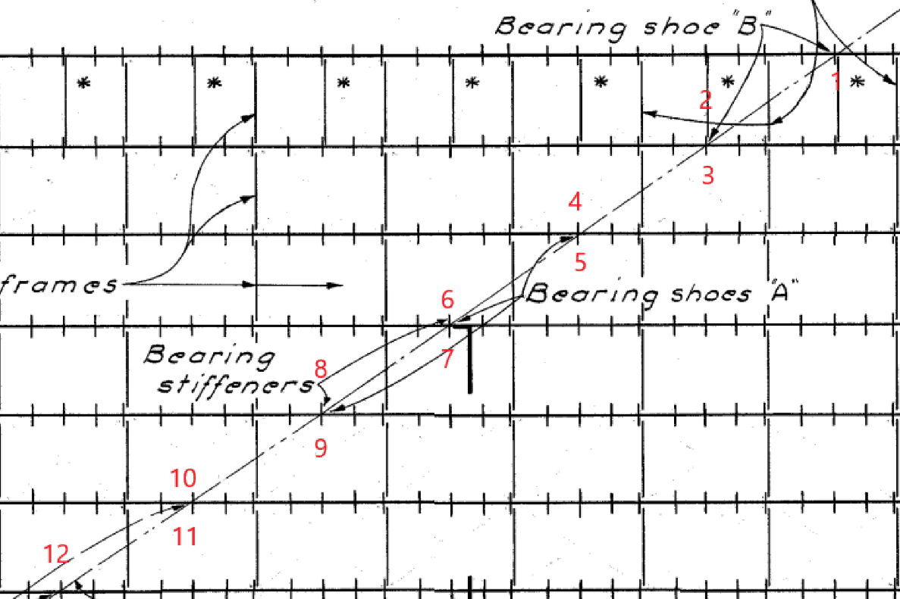
 | Additional CFs shall be proivded at the pier locations on both sides of the support.

 |  | Total number of CF required = | 12

 | Diagonals (L3x3x5/16)
 |  | Horizontal length = | 8 | FT | (Beam Spacing, Conservative)
 |  | Vertical Length = | 5.125 | FT | (Record Plans, 1958)
 |  | Resultant Length = | 9.5008223328 | FT
 |  | Wt. per ft = | 0.0061 | K/FT | (AISC)
 |  | Wt. total (2 diagonals) = | 0.11591003246 | K
 | Bottom (L3x3x5/16)
 |  | Length = | 8 | FT | (Beam Spacing, Conservative)
 |  | Wt. per ft = | 0.0061 | K/FT | (AISC)
 |  | Wt. total (1 bottom member) = | 0.0488 | K

 |  | Total Wt. of Right Bay CF = | 0.16471003246 | K

 |  | Total CF Load = | 1976.5203895 | LBS

 | Add 15% Contigency for connection plates, welds, bolts etc

 |  | Total CF Load (Including Contigency) = | 2273 | LBS

ITEM NO. | 202E22900 | APPROACH SLAB REMOVED

 |  | Area of Appr. Slab Removed = | 228 | SY

ITEM NO. | 516E44200 | ELASTOMERIC BEARING WITH INTERNAL LAMINATES AND LOAD PLATE (NEOPRENE)

 | Supplemental Description:

 |  | Total bearings at piers = | 21 | EACH

ITEM NO. | 511E33500 | SEMI-INTEGRAL DIAPHRAGM GUIDE

 |  | Diap. Guide (FA) = | 2 | EACH
 |  | Diap. Guide (RA) = | 2 | EACH
 |  | Total = | 4 | EACH

ITEM NO. | 516E47000 | JACKING AND TEMPORARY SUPPORT OF SUPERSTRUCTURE

 |  | Total for Structure = | 1 | LS

