Thickness Calcs
SAPL Liner Thickness Design
Host pipe geometry | Values
D | 48 | original pipe inside diameter (in) |  |  | <Typo -addressed
Dmin | 48 | Deflected shaped assumed to be ellipse in shape
Dmax | 48
Rc | 48.00 | Design Diameter (in) -Use Dmax
r0 | 24.00 | Design pipe radius (in) (Rc/2) |  | Designer Notes:
 |  |  |  | -Structural design is based on Royer No-Dig Paper- Case 1 and Case 2; Using the max thickness between the cases
LRFD reduction factors |  |  |  | -Applicable for Pressures less than 1Mpa=145psi
ΦLF | 0.85 | Flexural strength RF |  | -Design uses Maximum deflected Span for Arch Radius

LRFD Load Factors
γGW | 1.6 | load factor on groundwater pressure
γDL | 1.2 | load factor for dead load
γLL | 1.6 | load factor for live load |  |  |  | -Print All Tabs: Right click on a Worksheet Tab and "Select All Sheets"; Select File--> Print.

SAPL Material Properties
σF | 1100 | flexural strength (psi)
ΦLF x σF= | 935 | factored flexural strength (psi)

Dead Load-Value calculated at the top of the conduit
Total psoil,u | 4.51 | Total Factored Dead Load (psi)

Hydrostatic Load-Value calculated at the invert of the conduit
pw,u | 3.81 | pw multiplied by groundwater pressure load factor γGW (psi)

Live Load-Value calculated at the top of the conduit
Total pL,u | 6.42 | Total Factored Live Load (psi)

Total Factored Design Load used for design at top of conduit
pv,u | 14.74 | Total Factored Design Loading at top of conduit for DL and LL and at Invert for GW (psi)

SAPL Design for Top Radius
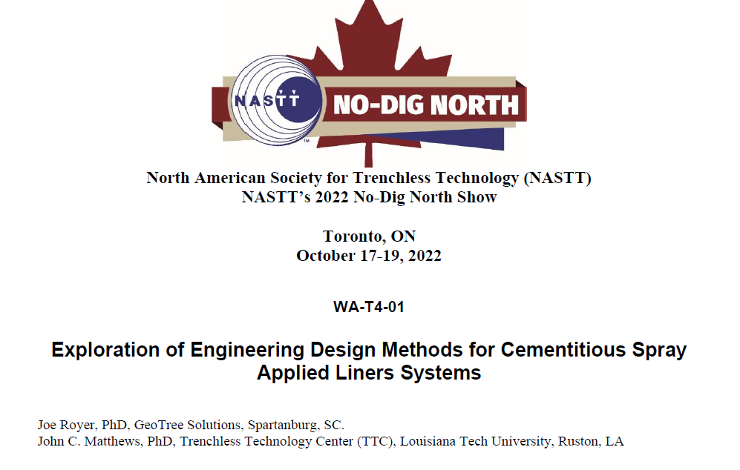

Case 1:
 | t= | 0.82 | thickness (inches)

Case 2:
 | t= | 0.76 | thickness (inches)

Design Input Form
Cementitious SAPL Design Excel Sheet-Circular or Pipe Arch Shape-Input Page |  |  |  |  |  | Design Results
 | Instructions: | Notes: |  |  |  | 7 | Design Thickness
 | -Enter the required data in the yellow highlighted cells in Sections 1 - 6 | -Design uses ASCE MOP-145 methods for dertermination of loading and liner design methods from No-Dig North paper WA-T4-01
 | -Design Results shown in Section 7 | -Designer is responsible for verifying design calculations and resulting thicknesses from this design sheet |  |  |  |  | Minimum Design Liner Thickness t (in): | 0.82 | Calculated Design Thickness for all loads at top of conduit
 | -Print All Tabs: Right click on a Worksheet Tab and "Select All Sheets"; Select File--> Print. | -See ODOT Supplmental Specification 833
 |  |  |  |  |  |  | Liner Thickness Specified (in): | 1.0 | Minimum Liner Thickness: D<54=1 in, D≥54 to <96=1.5 in, D≥96 to ≤120=2.0 in
1 | Pipe Identification
 | CFN or SFN | xxxxx |  |  |  | Loading used for Structural Design
 | Project PID: | xxxxx |  |  |  | Design Loading | + Factored HL-93 Live Load (psi)= |  | 6.42
 | Project Name: | xxxxx |  |  |  |  | Factored Soil Dead Load (psi)= |  | 4.51
 | Notes: | xxxxx |  |  |  |  | Factored Additional Live Load (psi)= |  | 0.00
 |  |  |  |  |  |  | Factored Additional Dead Load (psi)= |  | 0.00
2 | Host Pipe |  |  |  |  |  | *Factored Hydrostatic Load at Invert (psi)= |  | 3.81
 | Host Pipe Circular Inside Diameter or Pipe Arch Span Inside Diameter D (in): | 48 | From Specs/Plans Diameter must be Greater than 36 and less than 120 inches
 | Vertical Deflection (%): | 0.0 | From Measurements or Design Specification Requirements, which ever is greater |  |  |  | *Total Factored Load at top of conduit (psi)= |  | 14.74
 |  | Max deflection set at 20% |  |  |  |  |  |  |  |  |  | -Print All Tabs: Right click on a Worksheet Tab and "Select All Sheets"; Select File--> Print.

 | Cover Depth to surface, including pavement thicknesses Hc (ft): | 5.00 | Depth is from Original Design |  |  |  | + Live Load is always included regardless of depth or span; soil arching has no effect on Live Load
 | Assume Existing Soil Arching? | No | Soil Arching Factor= | 2.5 | See ASTM F3706 Appendix. Min value=2.5 |  | * Groundwater load is calculated at the invert and applied at the top
 | Water table depth Hb (ft) from surface: | 3.50 | Use actual value or minimum value as calculated below. Negative value is above the surface.
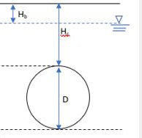
 |  | Note:

 |  | • Groundwater level (Hb) minimum: 1.5 ft above pipe crown= |  | 3.50 | ft
 |  | • Groundwater level (Hb) minimum: 5 ft above pipe invert= |  | 4.00 | ft

 |  | Ground water depth minimum per ASCE MOP-145

 |  |  |  |  |  |  | Surface

 | γw (pcf): | 62.4 | Density of Water |  |  |  |  |  | Hb
 | Soil Density γs (pcf) | 120 | default to 120 |  |  |  | Hc |  | 3.5 ft
 |  |  |  |  |  |  | 5.0 ft |  |  | Water
3 | LRFD Load Reduction Factors |  |  |  |  |  | Hc+D |  |  | Table
 | Flexural Strength ΦLF: | 0.85 | 0.85 default |  |  |  | 9.0 ft
 |  |  |  |  |  |  |  | Crown
4 | LRFD Load Factors
 | γGW: | 1.6 | load factor on groundwater pressure (recommended value = 1.6) |  |  |  |  |  | Existing Pipe
 | γDL: | 1.2 | load factor for dead load (recommended value = 1.2) |  |  |  |  |  | Diameter= | 48 | in
 | γLL: | 1.6 | load factor for live load (recommended value = 1.6 |  |  |  |  |  | Deflection= | 0.0 | %
 |  |  |  |  |  |  |  |  | Design (Span) Diameter= | 48 | in
5 | SAPL Liner Geometry and Material Properties |  |  |  |  |  |  | Invert
 | 28 day flexural strength σF (psi) | 1100 | ASTM C 1602 or C78 Testing Results

6 | Additional Surface Loads
 | *Additional Unfactored Dead Load (psi): | 0.00 | Example: Loads due to buildings or other permanent structures (non-pavement) -unfactored load
 | *Additional Unfactored Live Load (psi)= | 0.00 | Example: Railway load - unfactored load
 | * Additional dead or live load may cause host pipe deformation that needs to be evaluated and incorported into this design

 |  |  | 0

 |  |  | 0

Dead and Hydraulic Load
Dead and Hydrostatic Load
LRFD Load Factors
γGW | 1.6 | load factor on groundwater pressure
γDL | 1.2 | load factor for dead load | Design Notes:
 |  |  | -Soil arching is only available if the fill height is at least 3 times the design diameter.
 |  |  | -Loading calculations based on ASCE MOP-145
Soil and Site Properties
or Dmin if deflected
γw | 62.4 | Density of Water (pcf)
γs | 120 | Soil density (pcf)
Hc | 5.00 | Soil cover above crown (ft)
Hcd | 5.00 | Soil cover above crown used for Dead Load (ft). If soil arching applied==>soil arching factor x (Dmax/12); must be greater than 3*D
Hb | 3.5 | Water table depth (ft) measured from top down
Rw | 0.90 | buoyancy factor = 1-0.33*Hw/Hc
Hw | 1.50 | head of water above crown (ft)

 | N/A | Soil Arching Factor
 | N/A | Dmax for Soil Arching Load (ft)
 | N/A | HcArch (ft) |  | -Print All Tabs: Right click on a Worksheet Tab and "Select All Sheets"; Select File--> Print.

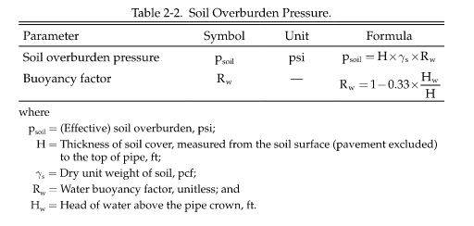
Dead Load-Value calculated at the top of the conduit
psoil | 3.75 | Soil Pressure dead load (psi)
psoil,u | 4.51 | Factored soil pressure dead load(psi)
pssl = pDL = pSL | 0.00 | Additional Dead loads (psi)
pDL,u | 0.00 | Factored additional dead load pDL*γDL (psi)

Total psoil,u | 4.51 | Total Factored Dead Load (psi)

Hydrostatic Load-Value calculated at the invert of the conduit
pw | 2.38 | Density of water times head difference at invert Head water depth above crown or above invert (psi)
pw,u | 3.81 | pw multiplied by groundwater pressure load factor γGW (psi)

