Quanitity Calculations
Parapet Concrete

Outside
 | Length | Section Area | Volume
Parapet | 500.40 | 2.81 | 1407 | CF
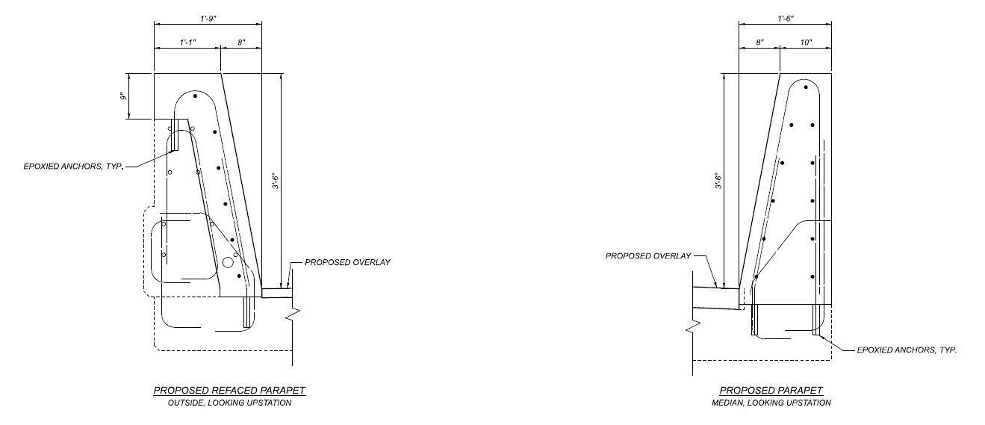
Transition | 19.24 | 3.57 | 69 | CF
 | 14.00 | 3.57 | 50 | CF

 |  | SubTotal | 57 | CY

Median
 | Length | Section Area | Volume
 | 505.10 | 4.38 | 82 | CY

 |  | Total | 138 | CY

Sealing of Concrete Surfaces

Outside
 | Length | Width | Area
Parapet | 500.40 | 10.11 | 5057 | SF
Transition | 19.24 | 8.34 | 160 | SF
 | 14.00 | 8.34 | 117 | SF

 |  | SubTotal | 593 | SY

Median
 | Length | Width | Area
 | 505.10 | 4.40 | 247 | SY

 |  | Total | 839 | SY

Overlay
 | Existing |  | 3944 | SY | Measured from CAD
 | Proposed |  | 3891 | SY | Existing area deducting area with no overlay
 | Hand Chipping |  | 394 | SY | 10% Existing Overlay Area
 | Overlay Material |  | 3.30 | IN | Average thickness including 1/2" Hydro
 |  |  | 357 | CY

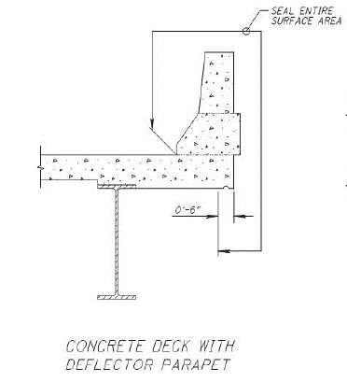
Abutment Concrete
Cross Section |  | 4.25 | SF
Joint Length |  | 160 | FT
 |  | 25 | CY

Deck End Concrete
Width |  | 3 | FT
Depth |  | 1 | FT
Length |  | 160 | FT
 |  | 18 | CY

 |  | 53 | SY | Areas don't need overlay.

Cross Frame
Length |  | 160
Each |  | 2.25
Unit Weight |  | 9.8
 |  | 3528 | LBS

