Quanitity Calculations
Parapet Concrete

Outside
 | Length | Section Area | Volume
Parapet | 175.70 | 2.81 | 494 | CF
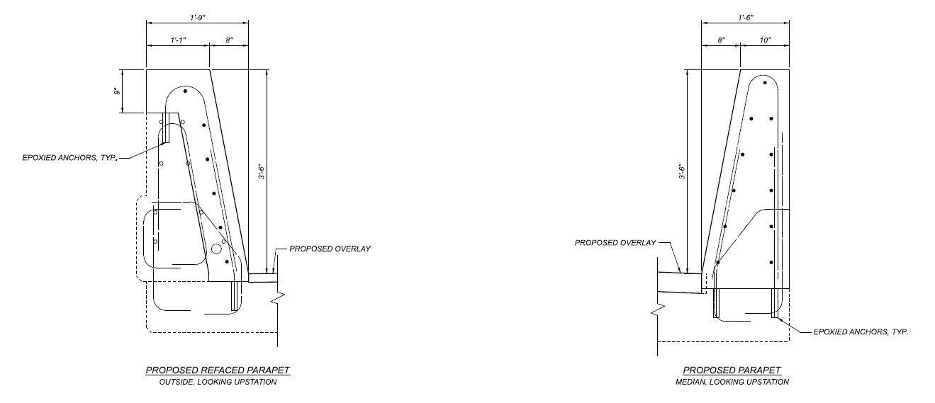
Transition | 15.50 | 3.57 | 55 | CF
 | 14.00 | 3.57 | 50 | CF

 |  | SubTotal | 22 | CY

Median
 | Length | Section Area | Volume
 | 181.20 | 4.38 | 29 | CY

 |  | Total | 52 | CY

Sealing of Concrete Surfaces

Outside
 | Length | Width | Area
Parapet | 175.70 | 9.99 | 1755 | SF
Transition | 15.50 | 8.34 | 129 | SF
 | 14.00 | 8.34 | 117 | SF

 |  | SubTotal | 222 | SY

Median
 | Length | Width | Area
 | 181.20 | 4.40 | 89 | SY

 |  | Total | 311 | SY

Overlay
 | Existing |  | 1753 | SY | Measured from CAD
 | Proposed |  | 1686 | SY | Existing area deducting area with no overlay
 | Hand Chipping |  | 175 | SY | 10% Existing Overlay Area
 | Overlay Material |  | 3.55 | IN | Average thickness including 1/2" Hydro
 |  |  | 166 | CY

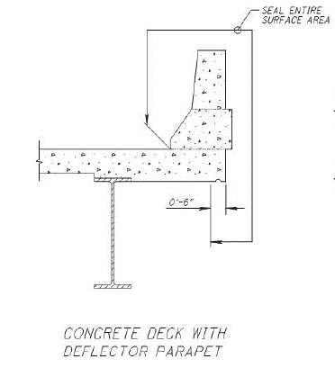
Abutment Concrete
Cross Section |  | 4.25 | SF
Joint Length |  | 200 | FT
 |  | 31 | CY

Deck End Concrete
Width |  | 3 | FT
Depth |  | 1 | FT
Length |  | 200 | FT
 |  | 22 | CY

 |  | 67 | SY | Areas don't need overlay.

Cross Frame
Length |  | 200
Each |  | 2.25
Unit Weight |  | 9.8
 |  | 4410 | LBS

