EULA
National Steel Bridge Alliance
Software LICENSE AGREEMENT
Read carefully: the National Steel Bridge Alliance (“NSBA”) or its licensors licenses this Excel Workbook to you only upon the condition that you accept all of the terms contained in this software license agreement (“Agreement”).
By selecting the “I accept the terms in the License Agreement” option below this Agreement or by copying, installing, uploading, accessing or using all or any portion of the Excel Workbook you agree to enter into this agreement. A contract is then formed between the NSBA and either you personally, if you acquire the Excel Workbook for yourself, or the company or other legal entity for which you are acquiring the Excel Workbook .
If you do not agree or do not wish to bind yourself or the entity you represent: (a) do not copy, install, upload, access or use the Excel Workbook .
DEFINITIONS
“Computer” means a single electronic device with one or more central processing units (CPUs) that accepts information in digital or similar form and manipulates the information for a specific result based on a sequence of instructions.
“Install” means to place a copy of the Excel Workbook onto your Computer, a hard disk or other storage medium through any means (including, but not limited to, use of an installation utility application accompanying the Software).
“Excel Workbook” means the Microsoft Excel file which accompanies this Agreement, into which this Agreement is embedded. or that is delivered prepackaged with this Agreement.
“You” means you personally (i.e., the individual who reads and accepts this Agreement) if you acquire the Excel Workbook for yourself, or means the company or other legal entity for whom you acquire the Software.
EXCEL WORKBOOK LICENSE
License Grant: The NSBA or its licensors grant You a non-transferable, royalty-free, limited license to use the Excel Workbook in accordance with this Agreement, and to reproduce and distribute copies of the Excel Workbook in accordance with the terms of this Agreement. You may Install the Excel Workbook on one or more Computers in one or more locations; post and make available the Excel Workbook on a network file server in order to Install the Excel Workbook onto other Computers or use the Excel Workbook over such network; and make backup copies of the Excel Workbook . You may make unlimited copies of the Excel Workbook and distribute such copies to other persons or entities, including downloading the Excel Workbook from the Internet or similar on-line source, so long as (a) all such copies contain this Agreement and the same copyright and other proprietary notices that appear on or in the Excel Workbook , and (b) You copy and distribute the Excel Workbook in its entirety, and (c) You do not distribute incomplete, modified, reverse engineered, or otherwise altered copies of the Excel Workbook . This license is expressly conditioned on Your continuous compliance with all license limitations and restrictions described in this Agreement. If You violate any of these limitations or restrictions, the license grant and this Agreement will automatically and immediately terminate. No license is granted under the terms of this Agreement if you did not lawfully acquire the Excel Workbook .
No Support: You acknowledge and agree that the NSBA is under no obligation to provide maintenance, support, or upgrades for the Excel Workbook . At its sole option and election, the NSBA may upgrade the Excel Workbook over time to include additional functionality. The NSBA does not warrant or ensure that the version of the Excel Workbook You acquire will be compatible with any future release, version or update of the Excel Workbook . For more information about potential updates or upgrades to the Excel Workbook , or to register to receiving notification of any new updates or new releases, please visit our website located at http://www.aisc.org/nsba.
Modifications to the Excel Workbook . You may modify, alter, or amend or create a derivative version of this Excel Workbook for Your own internal business purposes, provided that any altered copies continue to contain this Agreement and the same copyright and other proprietary notices that appear on or in the original version of the Excel Workbook , and further provided that you may not further distribute, transmit, or publicly display any altered versions of the Excel Workbook without the prior, express written permission of the NSBA.
Questions or Concerns: If you have any questions or concerns, please contact us at nsbaresources@aisc.org.
PROHIBITED ACTIONS
The NSBA does not permit any of the following actions, and You acknowledge and agree that You will not take any such actions:
You will not Install, access, or otherwise copy or use the Excel Workbook except as expressly authorized by this Agreement.
You will not (and You will not permit any third party to) reverse engineer, decompile, or disassemble the Excel Workbook or otherwise attempt to discover the source code of the Excel Workbook .
You will not remove, alter, or obscure any proprietary notices, labels, or marks from the Excel Workbook .
You will not engage in any illegal or unauthorized use.
You will not use the Excel Workbook to engage in "Stalking", harassing, or harming any other person in any way.
You will not use the Excel Workbook in any way that violates the right of another person.
You will not use the Excel Workbook to distribute any computer viruses or other code, files, or programs that interrupt, destroy, or limit the functionality of any computer software or hardware or telecommunications equipment.
You will not remove, circumvent, disable, damage or otherwise interfere with security-related features, or features that enforce limitations on use of the Excel Workbook .
You will not use the Excel Workbook to launch or otherwise distribute any robot, spider, scraper or other automatic device, process or means to access NSBA information or information of a third party.
NO WARRANTY DISCLAIMER
Neither the NSBA nor its licensors or affiliates make and You receive no express or implied warranties of any kind with respect to the Excel Workbook , and you agree that you accept the Excel Workbook “AS IS”. Any statements or representations about the Excel Workbook or its functionality in accompanying documentation or any communication with You constitute technical information and shall not constitute an express or implied warranty or guarantee. All other warranties are specifically disclaimed including, without limitation, the implied warranties of merchantability, fitness for a particular purpose and non-infringement. Without limiting the foregoing, the NSBA does not warrant that the operation of the Excel Workbook will be uninterrupted or error free.
WARNING
This Excel Workbook is intended to be used by trained professionals only. The Excel Workbook is not a substitute for Your professional judgment. This Excel Workbook is intended to assist with design and is not a substitute for independent design analysis or estimation. Due to the large variety of potential applications for the Software, the Excel Workbook has not been tested in all situations under which it may be used. Neither the NSBA nor its licensors or affiliates shall not be liable in any manner whatsoever for the results obtained through the use of the Excel Workbook . Persons using the Excel Workbook are responsible for the supervision, management and control of the Software and assume all risk from the use or any results thereof. This responsibility includes, but is not limited to, the determination of appropriate uses for the Excel Workbook and the selection of the Excel Workbook and other programs to achieve intended results. Persons using the Excel Workbook are also responsible for establishing the adequacy of independent procedures for testing the reliability and accuracy of any program output, including all items designed by using the Excel Workbook .
LIABILITY LIMITATION
In no event shall the NSBA, its licensor, or its affiliates have any liability for any loss or damages of any kind arising out of or in connection with the Excel Workbook , including direct, incidental, special, indirect, or consequential damages, loss of profits, revenue, data, or cost of cover. The limitations of liability in this section shall apply to any damages, however caused and regardless of the theory of liability, whether derived from contract, tort (including, but not limited to, negligence), or otherwise, even if specifically advised of the possibility of such damages and regardless of whether the limited remedies available hereunder fail of their essential purpose. You acknowledge that the royalty-free license fee reflects this allocation of risk.
INDEMNITY
You shall indemnify, defend and hold harmless the NSBA, its licensors and affiliates, and their officers, directors, employees and representatives for any claim or cause of action, including reasonable attorneys' fees, arising from Your breach of this Agreement or applicable law or regulation, and/or Your use of the Excel Workbook .
GENERAL
This Agreement supersedes any prior form of communication that relates to the subject matter contained in this agreement.
You represent and warrant that You are over the age of 18 and are fully authorized to enter into and perform this Agreement. The parties are independent contractors, and nothing herein creates or implies an agency relationship or a joint venture or partnership between the parties.
This Agreement will be interpreted and construed in accordance with the laws of the State of Illinois (and U.S. Copyright law) without regard to conflicts of law. Any dispute relating to or arising out of this Agreement or the relationship between the parties shall be referred to binding arbitration to take place in Chicago, Illinois in accordance with the Commercial Arbitration Rules of the American Arbitration Association. Said binding arbitration shall be the exclusive remedy available to the parties and any arbitration award shall be enforceable in any court of competent jurisdiction. Notwithstanding, in the event that it may be necessary for NSBA or its licensors to seek injunctive relief, the parties agree and consent to the exclusive jurisdiction of the state or federal courts of competent jurisdiction in Chicago, Illinois for the sole purpose of granting said injunctive relief. Any post-injunctive substantive proceedings shall be determined by arbitration as aforesaid, and any court proceedings related to injunctive relief shall be held in abeyance pending the outcome of arbitration.
Any comments, feedback or suggestions (“Feedback”) You provide to NSBA shall be owned by NSBA, and You hereby assign to NSBA and waive any claim to ownership or contribution for any subsequent changes to the Software resulting from or related to Your Feedback.

Figures
NSBA Bolted Splice Designer - Plate Girder
Reference Figures

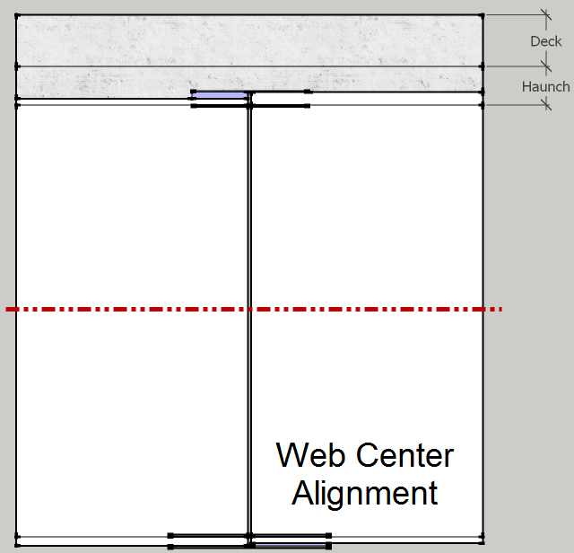

Flange Splice Design
NSBA Bolted Splice Designer - Plate Girder
Flange Calculations

Load Combinations - Factored Moment

 | Moment (kip-ft)
 | Noncomposite Dead Load (DC1) | Superimposed Composite Dead Load (DC2) | Future Wearing Surface (DW) | Positive Live Load plus Impact (LL+ + I) | Negative Live Load plus Impact (LL- + I) | Deck Casting
Load Combination | 84.84 | 0.00 | 0.00 | 1042.35 | -882.88 | 0.00 | Factored (kip-ft)
Deck Casting | 0.00 | 0.00 | 0.00 | 0.00 | 0.00 | 1.40 | 0.00
Strength I - Positive | 1.25 | 0.90 | 0.65 | 1.75 | 0.00 | 0.00 | 1,930.16
Strength I - Negative | 0.90 | 0.90 | 0.65 | 0.00 | 1.75 | 0.00 | -1,468.68
Service II - Positive | 1.00 | 1.00 | 1.00 | 1.30 | 0.00 | 0.00 | 1,439.89
Service II - Negative | 1.00 | 1.00 | 1.00 | 0.00 | 1.30 | 0.00 | -1,062.90

Bolt Factored Shear Resistance

Location | Bolt Type | Bolt Area (sq-in) | Kh | ɸs | Fu (ksi) | Pt (kip) | Rr - Single Shear (kip) | Rr - Double Shear (kip)
Flange | A325 - Excluded | 0.7854 | Standard | 0.80 | 120 | 51.00 | 42.22 | 84.45

Bolt Nominal Slip Resistance

Surface Condition Factor (Ks) | Hole Size Factor (Kh) | Pt (kip) | Rn - Double Shear (kip)
0.30 | 1.00 | 51.00 | 30.60

Strength Limit State Design

Location | Width (in) | Thickness (in) | Total Agross (sq-in) | % Difference Ag Inner/Outer Area | Equally Divide Pfy? | Design Force Ratio for Splice Plates
Top Flange - Outer Splice Plate | 16 | 0 | 0.00 | #DIV/0! | #DIV/0! | #DIV/0!
Top Flange - Inner Splice Plate | 7.25 | 0 | 0.00 |  |  | #DIV/0!
Bottom Flange - Inner Splice Plate | 7.25 | 1 | 14.50 | 27.45% | NG | 0.57
Bottom Flange - Outer Splice Plate | 16 | 0.6875 | 11.00 |  |  | 0.43

Location | 0.84 (Fu/Fy) | Flange Agross (sq-in) | Flange Anet (sq-in) | Ae (sq-in) | Ae ≤ Agross (Eq. 2.1.1.1-3) | Pfy (kip) | Controlling Flange | Max. Design Force for Splice Plates (kip) AASHTO C6.13.6.1.3b
Top Flange - Left | 1.35 | 26.00 | 18.69 | 25.29 | OK | 910.45 | CONTROLS | #DIV/0!
Top Flange - Right | 1.35 | 26.00 | 18.69 | 25.29 | OK | 910.45 | CONTROLS | #DIV/0!
Bottom Flange - Left | 1.35 | 26.00 | 18.69 | 25.29 | OK | 910.45 | CONTROLS | 517.71
Bottom Flange - Right | 1.35 | 26.00 | 18.69 | 25.29 | OK | 910.45 | CONTROLS | 517.71

Filler Plate - Sizing and Reduction Factor

Location | Alignment Mode | Web Depth (in) | Top Flange Thickness (in) | Bottom Flange Thickness (in) | Height (in)
Left Girder | Web Center | 72 | 1.625 | 1.625 | 75.25

Right Girder |  |  | 1.625 | 1.625 | 75.25

Location | Flange Width (in) | Flange Thickness (in) | Filler Thickness - Outer (in) | Filler Width - Outer (in) | Filler Length - Outer (in) | Filler Thickness - Inner (in) | Filler Width - Inner (in) | Filler Length - Inner (in)
Top Flange - Left | 16 | 1.625 | 0 | 0 | 0 | 0 | 0 | 0
Top Flange - Right | 16 | 1.625 | 0 | 0 | 0 | 0 | 0 | 0
Bottom Flange - Left | 16 | 1.625 | 0 | 0 | 0 | 0 | 0 | 0
Bottom Flange - Right | 16 | 1.625 | 0 | 0 | 0 | 0 | 0 | 0

Location | Filler Thickness - Total (in) | Area Filler Af (sq-in) | Area Splice Plate Ap (sq-in) | Area Connection Plate Ap (sq-in)
Top Flange - Left | 0 | 0.00 | 0.00 | 26.00 | #DIV/0!
Top Flange - Right | 0 | 0.00 |  | 26.00 | #DIV/0!
Bottom Flange - Left | 0 | 0.00 | 25.50 | 26.00 | 0.00
Bottom Flange - Right | 0 | 0.00 |  | 26.00 | 0.00

Splice Plate - Bolt Shear Resistance Joint Length Reduction Check

Location | Bolt Shear Resistance Joint Length Reduction Factor | Joint Length Reduction Factor - Check | Total Bolt - Initial | Bolt Rows (Per Side) | Total Bolts (Per Side) - Calculated
Top Flange Splice | 1.00 | OK | 10.78 | 4.00 | 12.00
Bottom Flange Splice | 1.00 | OK | 12.26 | 4.00 | 16.00

Bolt Count - Summary

Location | Pfy (kip) | Filler Reduction - R | Total Bolt - Initial | Bolt Rows (Per Side) | Total Bolts (Per Side) - Calculated
Top Flange - Left | 910.45 | 1.00 | 10.78 | 4 | 12
Top Flange - Right
Bottom Flange - Left | 517.71 | 1.00 | 12.26 | 4 | 16
Bottom Flange - Right

Slip Resistance Design

Bolt Count - Summary (Initial)

 | Moment (kip) | Moment Arm (in) | Per Bolt Pt (kip) | Total Bolt - Initial | Bolt Rows (Per Side) | Total Bolts (Per Side) - Calculated | Max Total Bolts (Per Side) - Calculated
Service II - Positive (kip-ft) | 1439.89 | 73.63 | 30.60 | 7.67 | 4 | 8 | 8
Service II - Negative (kip-ft) | -1062.90 | #DIV/0! |  | #DIV/0! | 4 | #DIV/0! | #DIV/0!
Deck Casting Moment (kip-ft) | 0.00 | #DIV/0! |  | #DIV/0! | 4 | #DIV/0!

Bolt Count - Final

 | Strength | Slip | Long Joint | Override | Controlling | Bolt Count Override | Long Joint Bolt Count - Check
Top Flange | 12 | #DIV/0! | 12 | DNA | 12 | FALSE | OK
Bottom Flange | 16 | 8 | 16 | DNA | 16 | FALSE | OK

Bolt and Plate Geometric Layout

Maximum Bolt Spacing - Sealing

Location | Splice Plate Thickness (in) | Controlling Plate t (in) | Pitch - Bolts (in) | (4.0 + 4.0t) | Smax (in)
Top Flange - Outer Splice Plate | 0 | 0 | 3.5 | 4 | 4
Top Flange - Inner Splice Plate | 0
Bottom Flange - Inner Splice Plate | 1 | 0.6875 |  | 6.75 | 6.75
Bottom Flange - Outer Splice Plate | 0.6875

Bolt Layout - Transverse Gage

Location | Width - Inner Plate (in) - As Calculated | Width - Inner Plate (in) - Rounded | Bolt Spacing (in) | Bolt Spacing - Minimum (in) | Edge Distance - Initial (in) | Edge Distance - Minimum (in) | Transverse Spacing Check | Edge Distance Inner - Final (in) | Gage - Bolts (in)
Top Flange | 7.28125 | 7.25 | 3.5 | 3 | 1.75 | 1.25 | OK | 1.75 | 3.75
Bottom Flange | 7.28125 | 7.25 |  |  |  |  | OK | 1.75 | 3.75

Location | Width - Outer Plate (in) | Edge Distance - Final (in) | Transverse Gage - Bolt Groups (in)
Top Flange | 16 | 1.75 | 5
Bottom Flange | 16 | 1.75 | 5

Location | Final Gage - Bolts Check | Final Gage - Bolt Group Check - Outer | Final Edge Distance Check - Inner Plate | Final Transverse Dimension Check - Outer | Final Transverse Dimension Check - Inner
Top Flange | OK | NG | OK | OK | OK
Bottom Flange | OK | OK | OK | OK | OK
...
Location | Bolts Per Row - Calculated | Total Bolts - Calculated | Pitch - Bolts (in) | Pitch - Bolt Groups (in) | End Distance (in) | Splice Plate Width (in) | Splice Plate Thickness (in) | Splice Plate Length (in)
Bottom Flange - Inner Splice Plate | 4 | 16 |  |  |  | 7.25 | 1 | 29
Bottom Flange - Outer Splice Plate |  |  |  |  |  | 16 | 0.6875

Bolt Layout - Diagonal Edge

Location | End Distance (in) - Final | Edge Distance (in) | Diagonal Edge Distance (in) | Final Diagonal Edge Distance - Check
Top Flange Splice | 2.00 | 1.25 | 2.36 | OK
Bottom Flange Splice

Moment Resistance
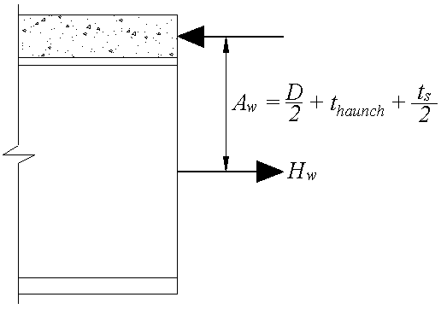
Positive Moment
Moment Arm (in) | 73.63
Bottom Flange Force (kip) | 910.45
Mflange (kip-ft) | 5,586.02
Strength I - Positive (kip-ft) | 1,930.16
Check Mflange | OK
Hw (kip) | DNA
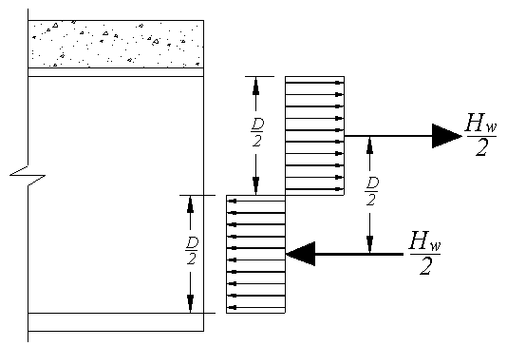
Negative Moment
Moment Arm (in) | #DIV/0!
Minimum Flange Force(kip) | 910.45
Mflange (kip-ft) | #DIV/0!
Strength I - Negative (kip-ft) | -1,468.68
Check Mflange | #DIV/0!
Hw (kip) | #DIV/0! | #DIV/0!

Slab Check
Composite | Non-Composite
Compressive Strength (kip) | 0.00
Sum Flange Force and Hw (kip) | 910.45
Slab Stength Check | DNA

Splice Plates

Location | Width (in) | Thickness (in) | Total Agross (sq-in)
Top Flange - Outer Splice Plate | 16 | 0 | 0.00
...

Web Splice Design
...
Web Shear Strength
Web - Right | 36 | 29000 | 58 | 1.35

Location | Depth (in) | Thickness (in) | Agross (sq-in) | Filler Plate Thickness - Total (in) | Filler Plate Thickness - Each (in) | Filler Plate Quantity
Web - Left | 72 | 0.4375 | 31.50 | 1 | 0.5 | 2
Web - Right | 72 | 1.4375 | 103.50

Location | Transverse Stiffener Status | Dw/tw | do/Dw | Shear Buckling Coefficient - k | Web Slenderness Lower Limit | Web Slenderness Upper Limit | Shear Buckling to Yield Strength Ratio - C
Web - Left | Stiffened | 164.57 | 0.56 | 21.00 | 145.67 | 182.09 | 0.89
Web - Right | Stiffened | 50.09 | 0.27 | 71.45 | 268.71 | 335.88 | 1.00

$$\frac{2Dt_{w}}{(b_{fc}t_{fc}+b_{ft}t_{ft})}≤2.5$$
Location | Vp (kip) | Vcr (kip) |  | Vn (kip)
Web - Left | 657.72 | 582.17 | TRUE | 639.54
Web - Right | 2161.08 | 2161.08 | FALSE | 2161.08

Bolt Count - Summary (Initial)

Location | Controlling Hw (kip) | Vn (kip) | fv | Vr (kip)
Web | #DIV/0! | 639.54 | 1.00 | 639.54

Location | R (kip) | Total Bolt - Initial | Bolt Rows (Per Side) | Total Bolts (Per Side) - Calculated
...

