WB Patching
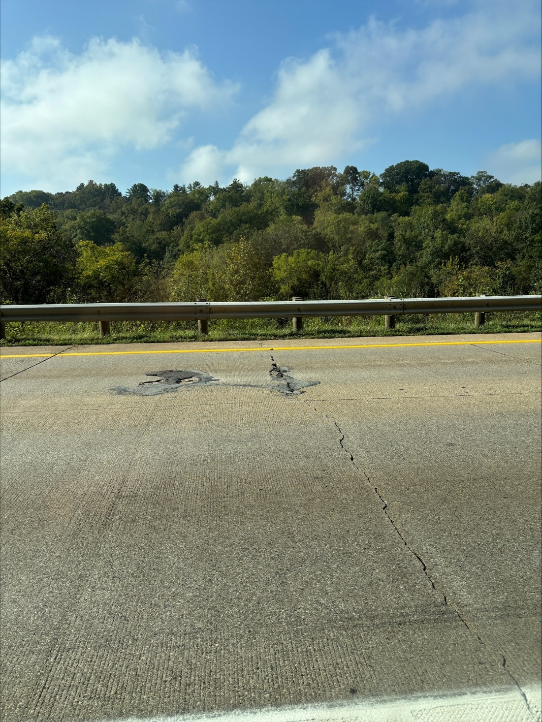
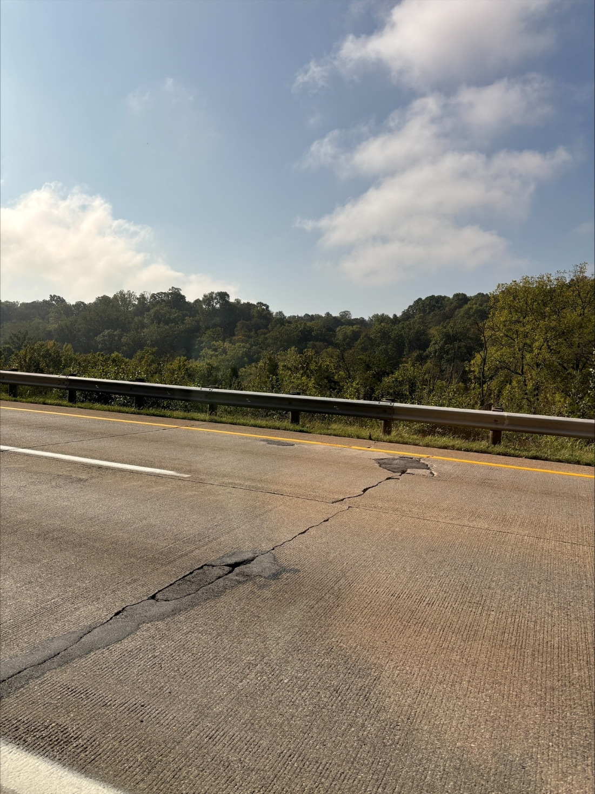
Mile Marker | Lane | Length | Width | Area | Perimeter
36.68 | middle | 6 | 12 | 72 | 36
36.71 | middle | 6 | 12 | 72 | 36
36.71 | Right | 6 | 12 | 72 | 36
36.73 | middle | 6 | 12 | 72 | 36
36.73 | right | 6 | 12 | 72 | 36
36.73 | middle | 6 | 12 | 72 | 36
36.73 | middle | 6 | 12 | 72 | 36
36.73 | middle | 6 | 12 | 72 | 36
36.73 | middle | 6 | 12 | 72 | 36
36.73 | middle | 6 | 12 | 72 | 36
36.78 | middle | 6 | 12 | 72 | 36
36.79 | middle | 6 | 12 | 72 | 36
36.81 | middle | 6 | 12 | 72 | 36
36.83 | right | 6 | 12 | 72 | 36
5 Mile exit | exit lane | 6 | 12 | 72 | 36
5 Mile exit | exit lane | 6 | 10 | 60 | 32
5 Mile exit | exit lane | 6 | 12 | 72 | 36
5 Mile exit | exit lane | 6 | 12 | 72 | 36
5 Mile exit | exit lane | 8 | 12 | 96 | 40
37.02 | right | 6 | 12 | 72 | 36
37.02 | middle | 6 | 12 | 72 | 36
37.12 | middle | 6 | 12 | 72 | 36
37.22 | right | 6 | 12 | 72 | 36
37.31 | middle | 10 | 12 | 120 | 44
37.33 | right | 6 | 12 | 72 | 36
37.38 | left | 6 | 12 | 72 | 36
37.38 | right | 6 | 12 | 72 | 36
37.45 | left | 6 | 12 | 72 | 36
37.65 | entrance lane | 6 | 12 | 72 | 36
38.18 | left | 6 | 12 | 72 | 36
38.18 | Left | 6 | 12 | 72 | 36
38.22 | Left | 6 | 12 | 72 | 36
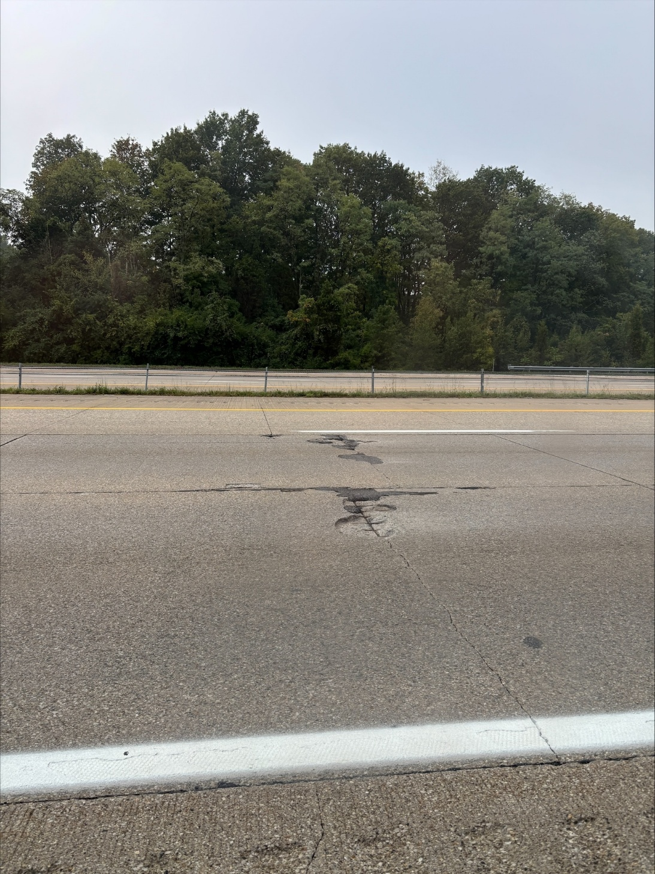
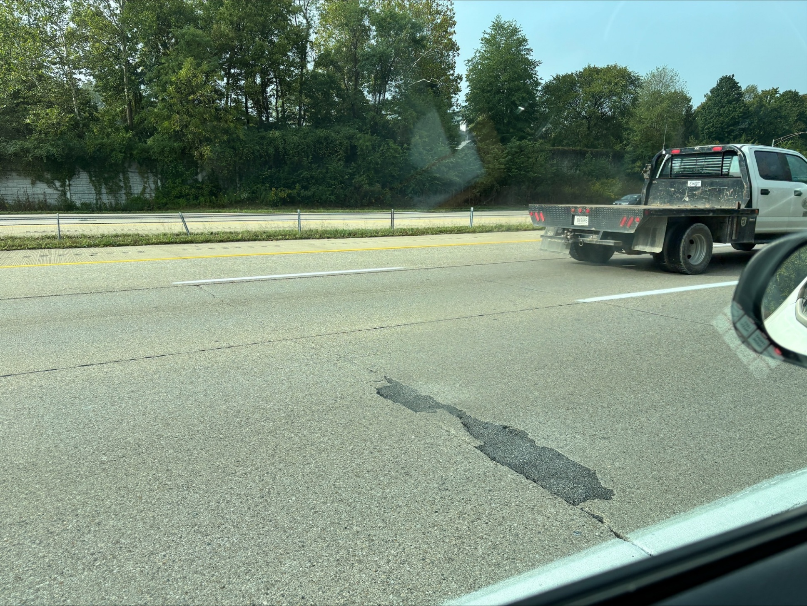
38.22 | Right | 6 | 12 | 72 | 36
38.36 | right | 6 | 12 | 72 | 36
38.37 | left | 6 | 12 | 72 | 36
38.39 | Right | 6 | 12 | 72 | 36
38.39 | left | 6 | 12 | 72 | 36
38.39 | Right | 6 | 12 | 72 | 36
38.4 | Left | 6 | 12 | 72 | 36
38.4 | left | 20 | 12 | 240 | 64
38.41 | right | 6 | 12 | 72 | 36
38.48 | Right | 6 | 12 | 72 | 36
38.6 | L | 6 | 12 | 72 | 36
38.62 | Right | 6 | 12 | 72 | 36
38.62 | L | 6 | 12 | 72 | 36
38.62 | Right | 6 | 12 | 72 | 36
38.63 | Right | 12 | 12 | 144 | 48
38.66 | Left | 6 | 12 | 72 | 36
38.66 | right | 6 | 12 | 72 | 36
38.7 | Left | 10 | 12 | 120 | 44
38.72 | L | 8 | 12 | 96 | 40
38.73 | L | 8 | 12 | 96 | 40
38.84 | Right | 20 | 12 | 240 | 64
38.86 | Left | 6 | 12 | 72 | 36
38.87 | right | 10 | 12 | 120 | 44
39.04 | L | 6 | 12 | 72 | 36
39.18 | Right | 6 | 12 | 72 | 36
39.2 | L | 8 | 12 | 96 | 40
Totals |  |  |  | 4812 | 2192

WB Retrofits
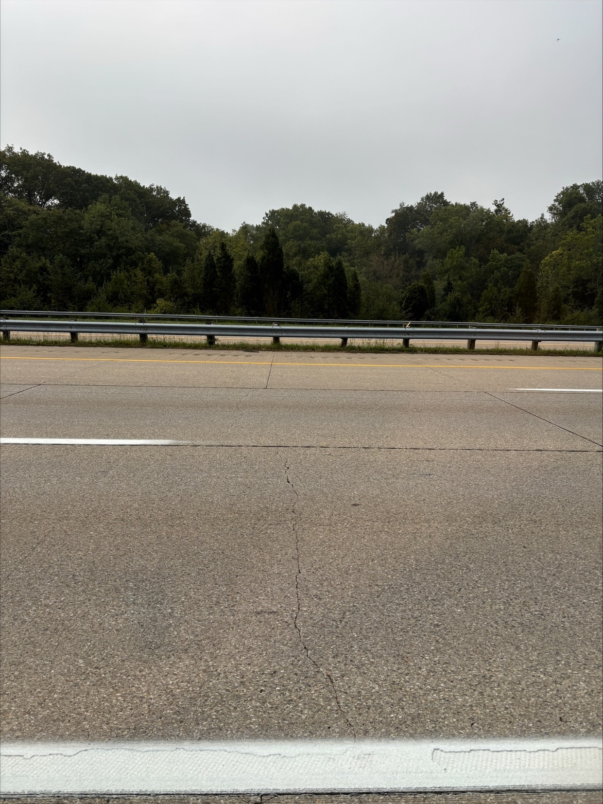
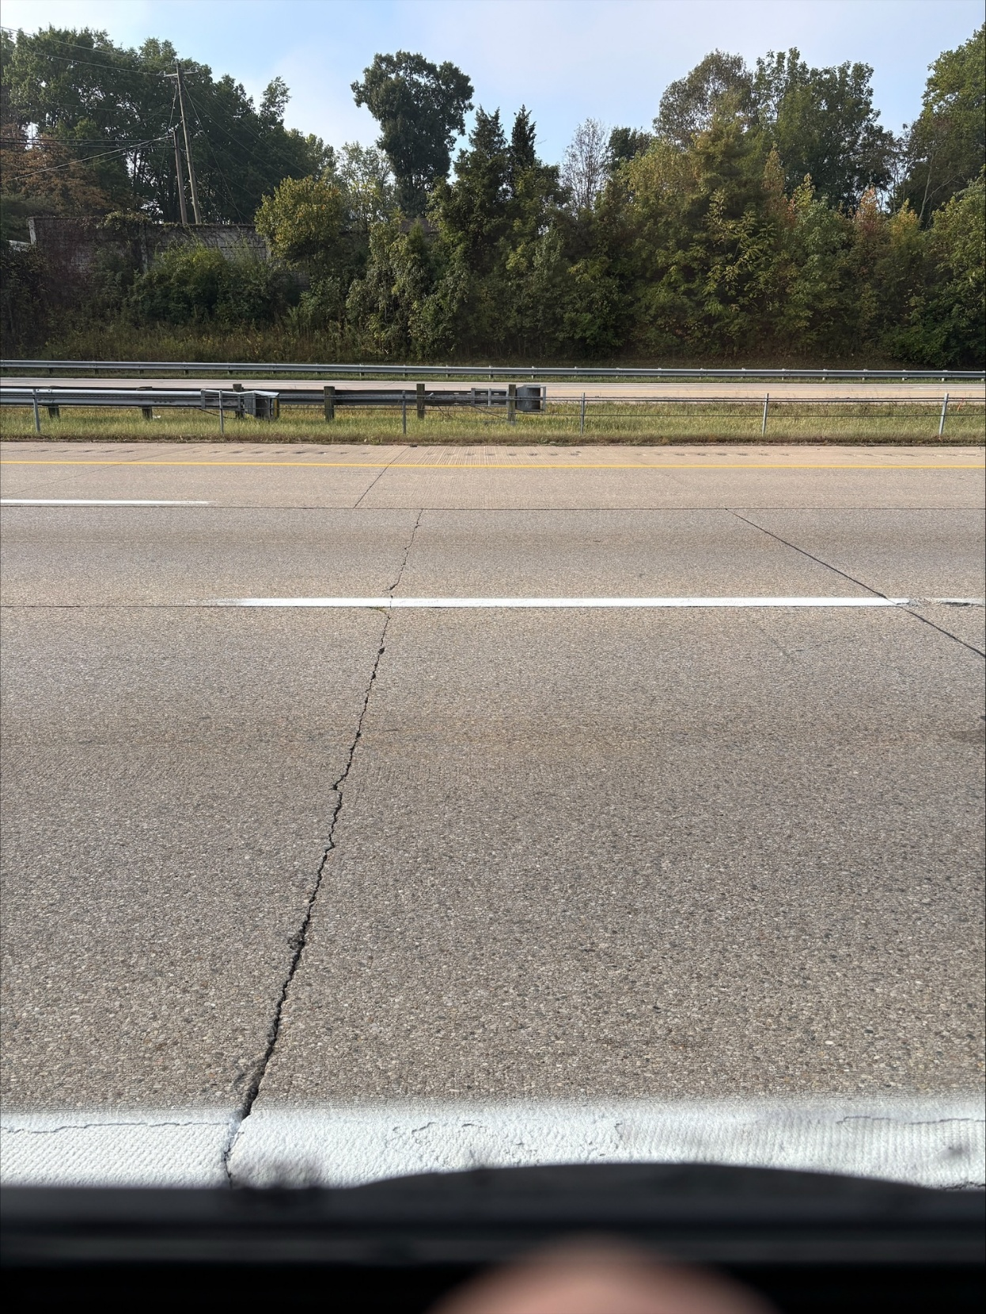
Mile Marker | Lanes | # of lanes | Number of dowels
36.69 | mid/righ | 2 | 12
36.7 | m/R | 2 | 12
36.71 | R | 1 | 6
36.75 | m/r | 2 | 12
36.78 | m/r | 2 | 12
36.78 | M/R | 2 | 12
36.79 | m/r | 2 | 12
36.79 | m/r | 2 | 12
36.82 | m/r | 2 | 12
36.82 | m/r | 2 | 12
36.83 | m/r | 2 | 12
36.83 | m/r | 2 | 12
36.84 | m/r | 2 | 12
5 mileramp | exit lane | 1 | 6
5 mile exit | m/r | 2 | 12
5 mile exit | exit lane | 1 | 6
5 mile exit | r/m | 2 | 12
5 mile exit | m/r | 2 | 12
37.02 | m/r | 2 | 12
37.03 | m/r | 2 | 12
37.04 | m/r | 2 | 12
37.05 | m/r | 2 | 12
37.05 | m/r | 2 | 12
37.06 | m/r | 2 | 12
37.06 | m/r | 2 | 12
37.06 | m/r | 2 | 12
37.07 | m/r | 2 | 12
37.07 | m/r | 2 | 12
37.08 | m/r | 2 | 12
37.08 | m/r | 2 | 12
37.08 | m/r | 2 | 12
37.09 | m/r | 2 | 12
37.09 | m/r | 2 | 12
37.1 | r | 1 | 6
37.11 | m/r | 1 | 6
37.15 | m/r | 2 | 12
37.15 | m/r | 2 | 12
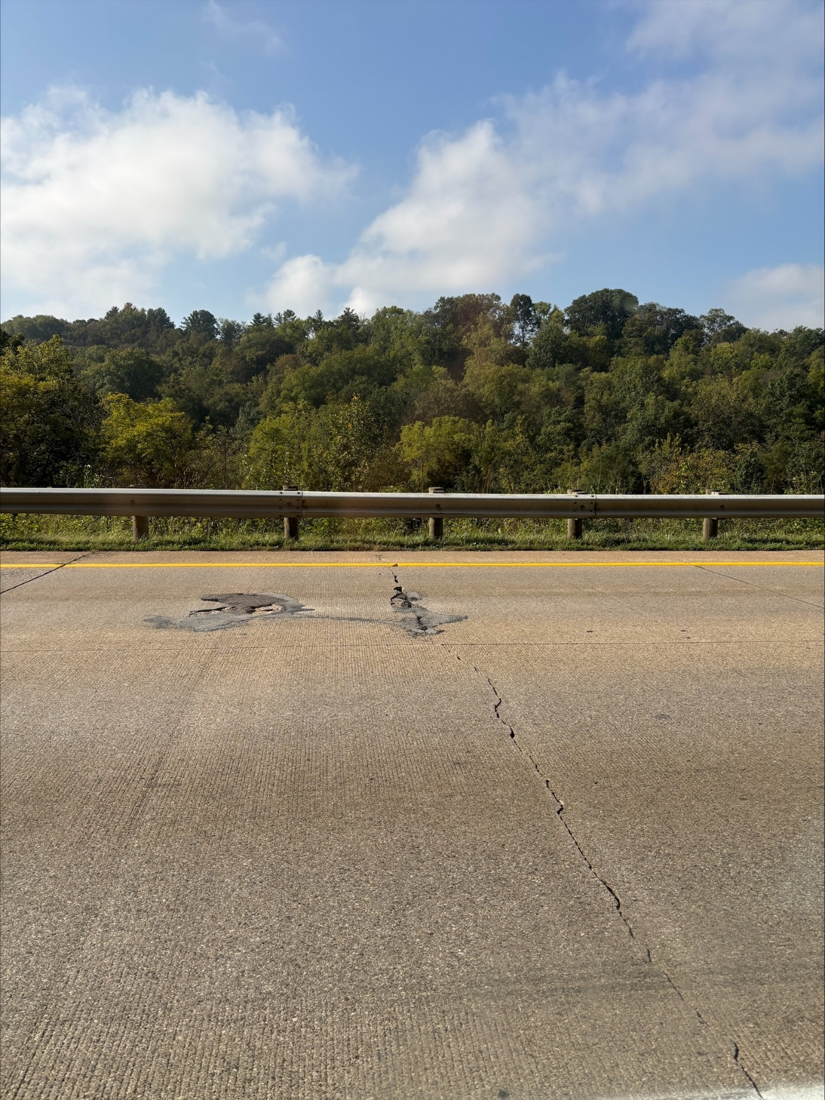
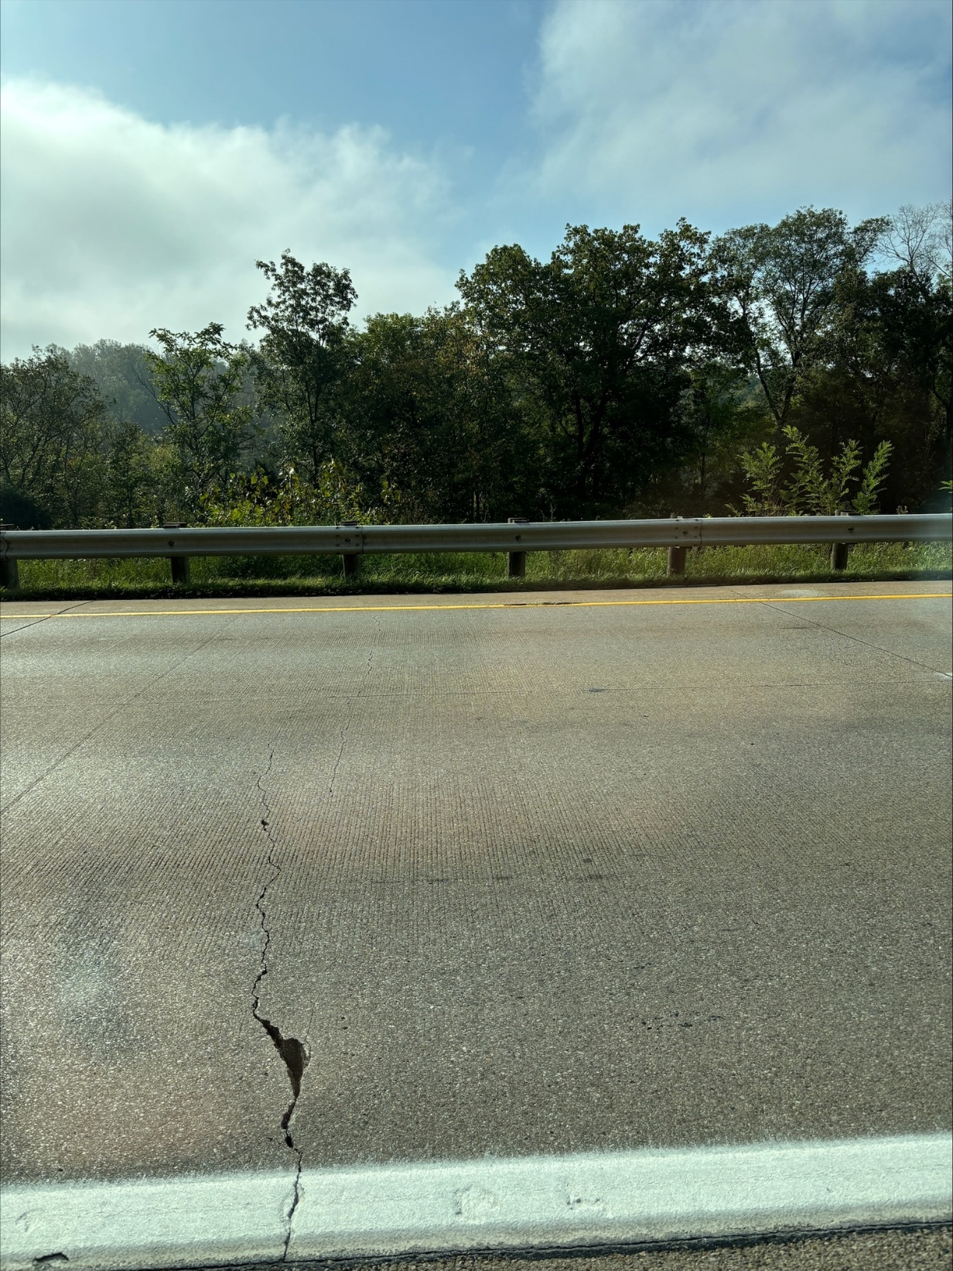
37.15 | m/r | 2 | 12
37.16 | m/r | 2 | 12
37.17 | m/r | 2 | 12
37.17 | m/r | 2 | 12
37.19 | m/r | 2 | 12
37.22 | m/r | 2 | 12
37.23 | m/r | 2 | 12
37.36 | l/r | 2 | 12
37.37 | l/r | 2 | 12
37.41 | l/r | 2 | 12
37.42 | l/r | 2 | 12
37.42 | l/r | 2 | 12
37.42 | l/r | 2 | 12
37.42 | l/r | 2 | 12
37.43 | l/r | 2 | 12
37.43 | l/r | 2 | 12
37.43 | l/r | 2 | 12
37.64 | l/r | 2 | 12
37.66 | L/R/E | 3 | 18
37.86 | L/R/E | 3 | 18
37.74 | R | 1 | 6
37.75 | R | 1 | 6
37.83 | L/R | 2 | 12
37.86 | l/r | 2 | 12
37.87 | r | 1 | 6
37.87 | r | 1 | 6
37.88 | L/R | 2 | 12
37.89 | L/R | 2 | 12
37.89 | L/R | 2 | 12
37.89 | L/R | 2 | 12
37.9 | L/R | 2 | 12
37.9 | L/R | 2 | 12
37.9 | L/R | 2 | 12
37.91 | L/R | 2 | 12
37.92 | L/R | 2 | 12
37.92 | L/R | 2 | 12
37.93 | L/R | 2 | 12
37.93 | L/R | 2 | 12
37.93 | L/R | 2 | 12
37.94 | L/R | 2 | 12
37.95 | L/R | 2 | 12
37.95 | L/R | 2 | 12
37.96 | L/R | 2 | 12
37.96 | L/R | 2 | 12
37.97 | L/R | 2 | 12
37.97 | L/R | 2 | 12
37.99 | L/R | 2 | 12
37.99 | R | 1 | 6
38 | L/R | 2 | 12
38 | L/R | 2 | 12
38.01 | L/R | 2 | 12
38.01 | L/R | 2 | 12
38.01 | L/R | 2 | 12
38.02 | L/R | 2 | 12
38.02 | L/R | 2 | 12
38.02 | L/R | 2 | 12
38.03 | L/R | 2 | 12
38.03 | R | 1 | 6
38.05 | L/R | 2 | 12
38.05 | L/R | 2 | 12
38.05 | L/R | 2 | 12
38.08 | R | 1 | 6
38.09 | L/R | 2 | 12
38.09 | L/R | 2 | 12
38.1 | L/R | 2 | 12
38.12 | L/R | 2 | 12
38.13 | r | 1 | 6
38.16 | L/R | 2 | 12
38.17 | L/R | 2 | 12
38.17 | L/R | 2 | 12
38.17 | L/R | 2 | 12
38.18 | R | 1 | 6
38.2 | L/R | 2 | 12
38.2 | L/R | 2 | 12
38.22 | R | 1 | 6
38.24 | L/R | 2 | 12
38.24 | L/R | 2 | 12
38.25 | R | 1 | 6
38.25 | L/R | 2 | 12
38.3 | L/R | 2 | 12
38.31 | L/R | 2 | 12
38.34 | L/R | 2 | 12
38.41 | L/R | 2 | 12
38.41 | L/R | 2 | 12
38.43 | L/R | 2 | 12
38.46 | L/R | 2 | 12
38.49 | L/R | 2 | 12
38.51 | L/R | 2 | 12
38.57 | L/R | 2 | 12
38.6 | L/R | 2 | 12
38.64 | L/R | 2 | 12
38.65 | R | 1 | 6
38.66 | R | 1 | 6
38.67 | R | 1 | 6
38.68 | L/R | 2 | 12
38.69 | R | 1 | 6
38.7 | L/R | 2 | 12
38.7 | L/R | 2 | 12
38.71 | L/R | 2 | 12
38.73 | L/R | 2 | 12
38.76 | L/R | 2 | 12
38.79 | L/R | 2 | 12
38.81 | R | 1 | 6
38.82 | L/R | 2 | 12
38.84 | L/R | 2 | 12
38.85 | R | 1 | 6
38.85 | L/R | 2 | 12
38.86 | L/R | 2 | 12
38.87 | R | 1 | 6
38.87 | R | 1 | 6
38.88 | R | 1 | 6
38.88 | R/L | 2 | 12
38.89 | R | 1 | 6
38.9 | R | 1 | 6
38.9 | R/L | 2 | 12
39 | R/L | 2 | 12
39 | R/L | 2 | 12
39 | R/L | 2 | 12
39.04 | R | 1 | 6
39.1 | R/L | 2 | 12
39.11 | R | 1 | 6
39.14 | R/L | 2 | 12
39.15 | R/L | 2 | 12
39.23 | R/L | 2 | 12
39.24 | R/L | 2 | 12
39.26 | R/L | 2 | 12
39.26 | R/L | 2 | 12
39.29 | R/L | 2 | 12
39.29 | R/L | 2 | 12
39.3 | R/L | 2 | 12
39.3 | R/L | 2 | 12
39.3 | R/L | 2 | 12
39.31 | R/L | 2 | 12
39.31 | R/L | 2 | 12
Totals |  |  | 1890

